🍽️ Food Database Analysis
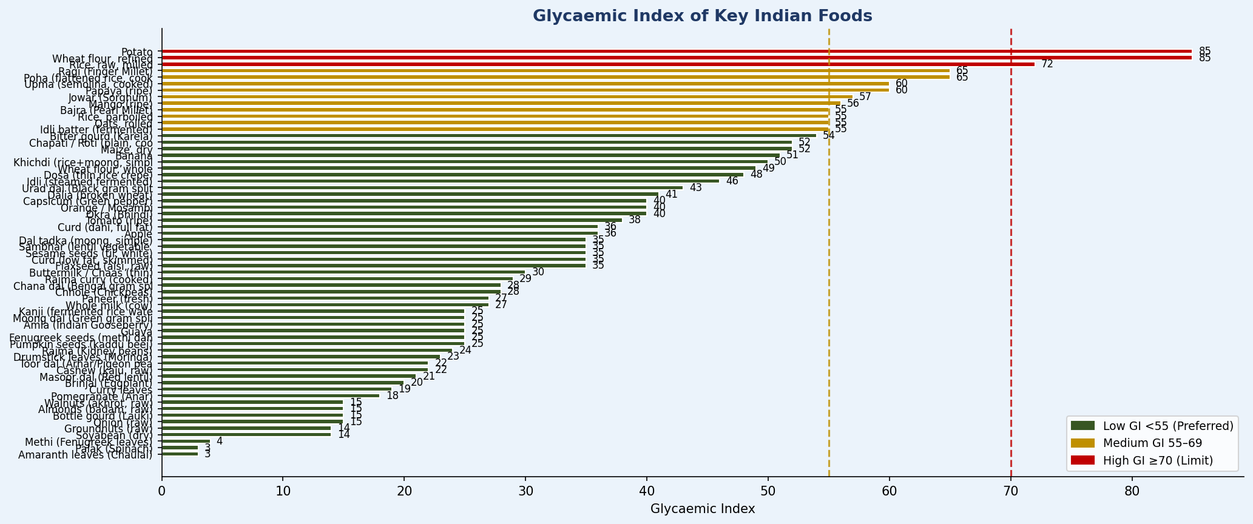
🍽️ Food Database Analysis — 86 Foods × 17 Categories

📊 Chart 1 — Food Group Distribution
📖 EXPLANATION: Shows how the 86 foods are distributed across 17 food groups. Cereals & Millets (12) form the largest group, reflecting their centrality in Indian diets. After database enhancement, Nuts & Oilseeds grew from 1→7 foods, Spices added 5 entries, and Fermented Foods (4) and Prepared Dishes (7) were added — all critical for GLP-1 meal planning where nutrient-dense, small-portion foods are essential.

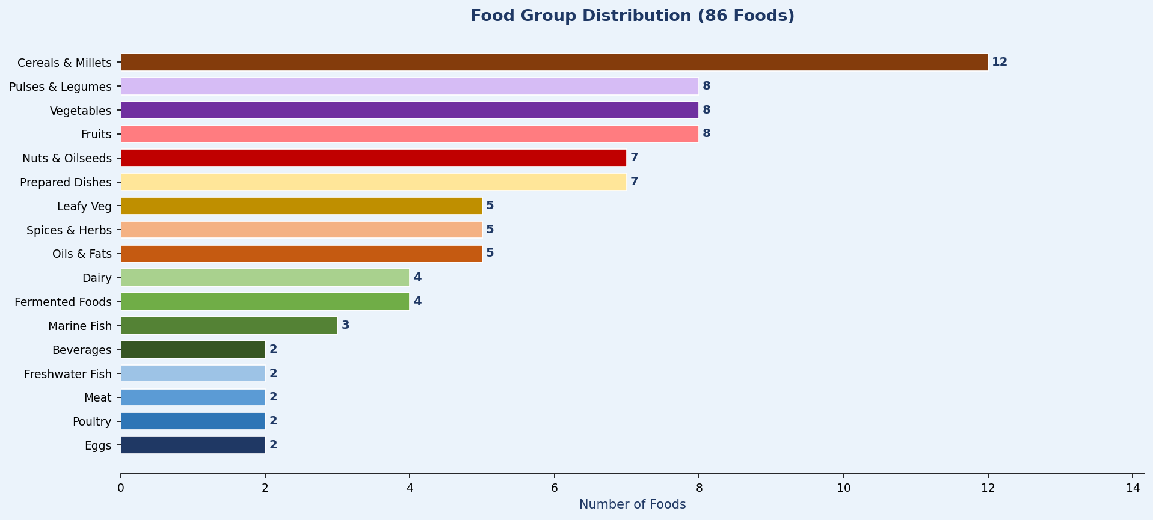

📊 Chart 2 — Vegetarian vs Non-Vegetarian Coverage
📖 EXPLANATION: 87% (75 foods) of the database is vegetarian, matching India's dietary profile where ~38% of the population is strictly vegetarian. The 13% non-veg foods (11 items) cover fish, poultry, meat and eggs — critical for B12, omega-3, and high-density protein that are extremely difficult to achieve through plant foods alone, especially for GLP-1 users on restricted caloric volumes.

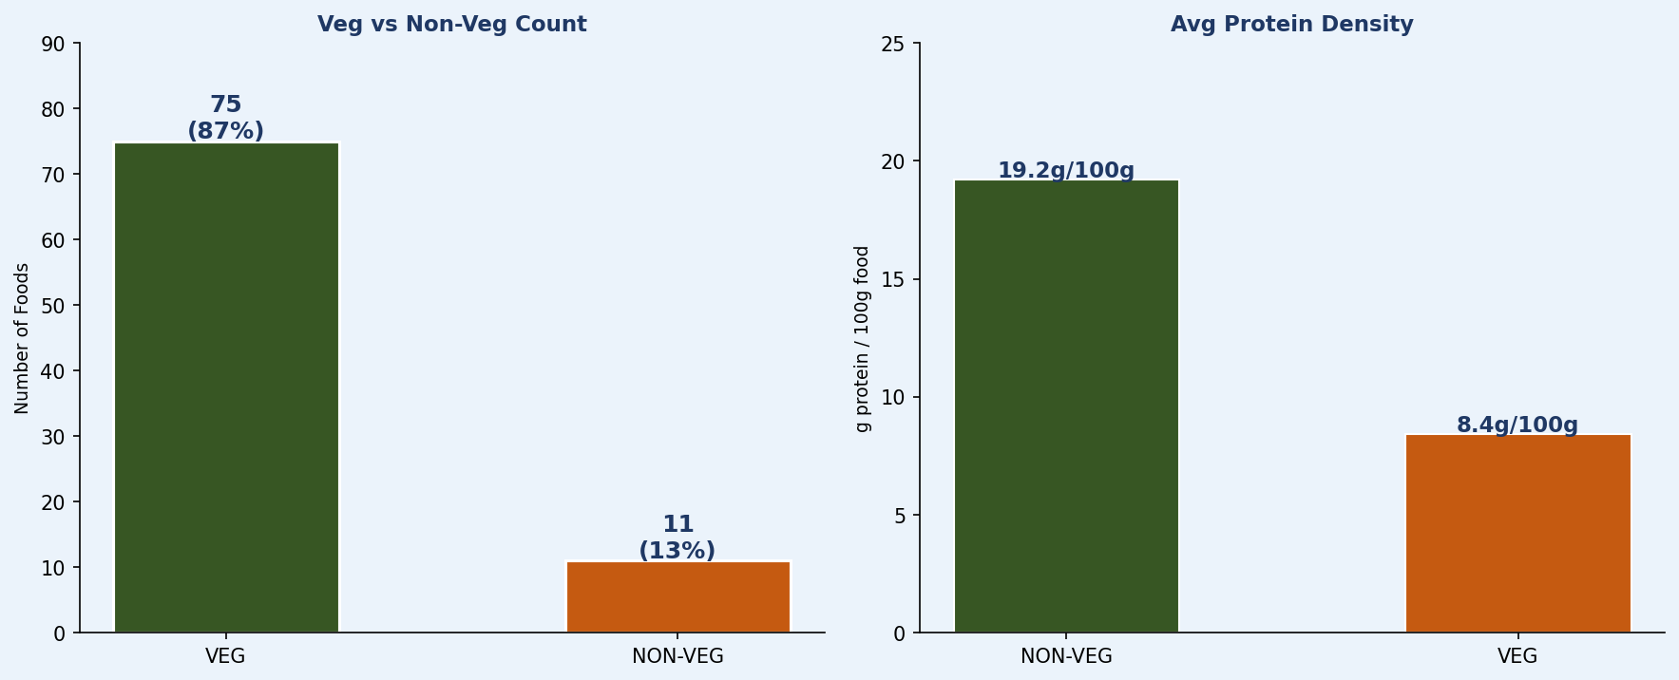

📊 Chart 3 — Glycaemic Index Distribution (T2DM / PCOS / GLP-1 Planning)
📖 EXPLANATION: Glycaemic Index (GI) measures how fast a food raises blood sugar. Green (<55) = Low GI (preferred for T2DM, PCOS, GLP-1 users). Amber (55-69) = Medium. Red (≥70) = High GI (limit for metabolic conditions). Key insight: Indian millets (bajra GI=55, ragi GI=69) are far superior to white rice (GI=72) and maida (GI=85). This chart drives NutriSync's carbohydrate selection for the GLP-1 and T2DM modules.

⚡ Nutrient Deep Dive
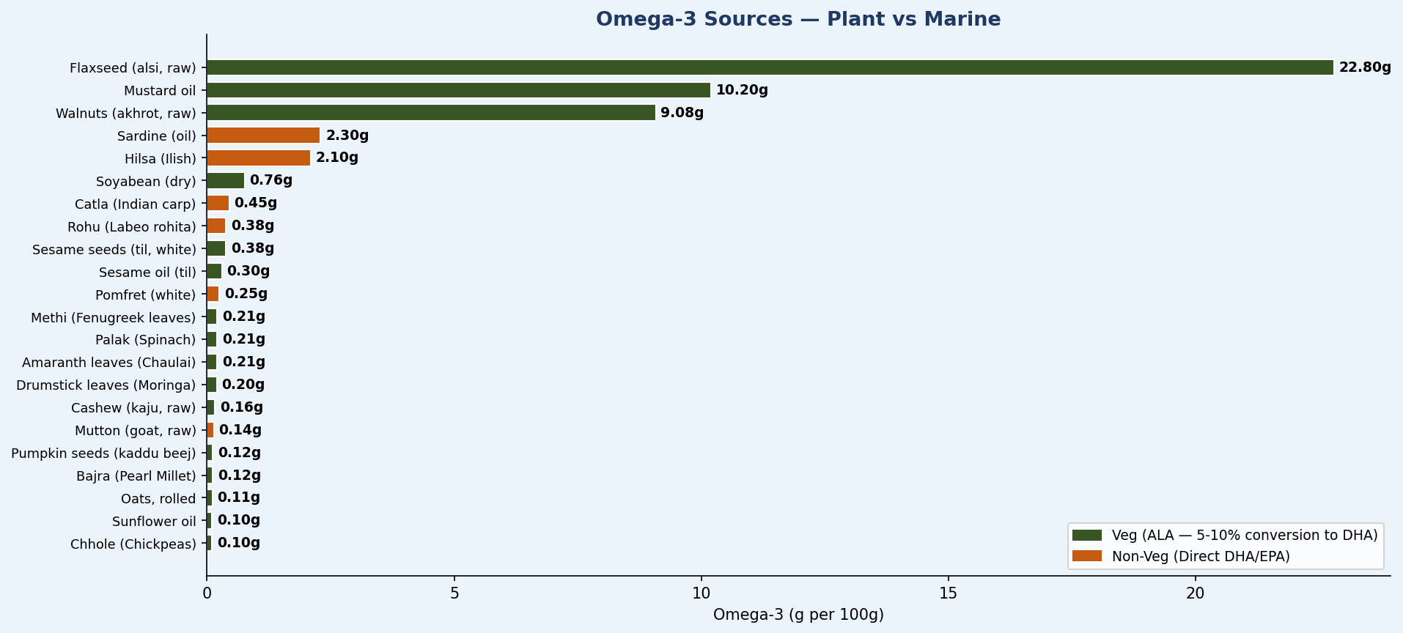
⚡ Nutrient Deep Dive — Iron · Calcium · B12 · Omega-3 · Vit C

📊 Chart 4 — Top 12 Iron-Rich Foods (Critical for Anaemia, Pregnancy, Teen Girls)
📖 EXPLANATION: Iron is the most critical nutrient gap in India — 56% of adolescent girls and 50% of pregnant women are anaemic (NFHS-5). This chart reveals a counterintuitive insight: SPICES contain far more iron per 100g than conventional iron foods. Cumin seeds (66mg), turmeric (55mg), and fenugreek seeds (33mg) dwarf even moringa (25mg) and bajra (8mg). NutriSync uses spices as "micro-dose iron delivery" — small quantities added to meals that significantly boost iron intake without affecting meal volume (critical for GLP-1 users).

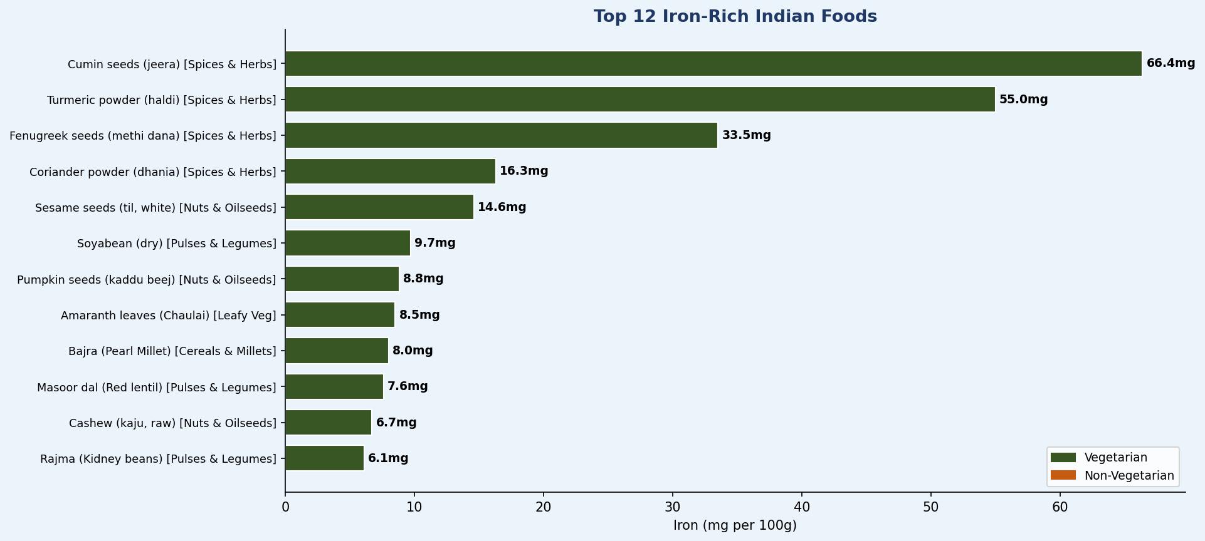

📊 Chart 5 — Vitamin B12: The Vegetarian Crisis (Critical for GLP-1, Elderly, Metformin users)
📖 EXPLANATION: This is the most alarming nutritional gap in the NutriSync database. The adult RDA for B12 is 2.4mcg/day. The MAXIMUM B12 in any vegetarian food in the database is just 0.4mcg (from curd/dahi) — meaning a vegetarian would need to eat 600g of curd daily to meet RDA from food alone. The situation worsens for: (1) GLP-1 users — semaglutide mildly depletes B12; (2) Metformin users — depletes B12 by 30-40%; (3) Elderly — intrinsic factor decline reduces absorption by 40-50%. NutriSync flags B12 supplement recommendation for all three.

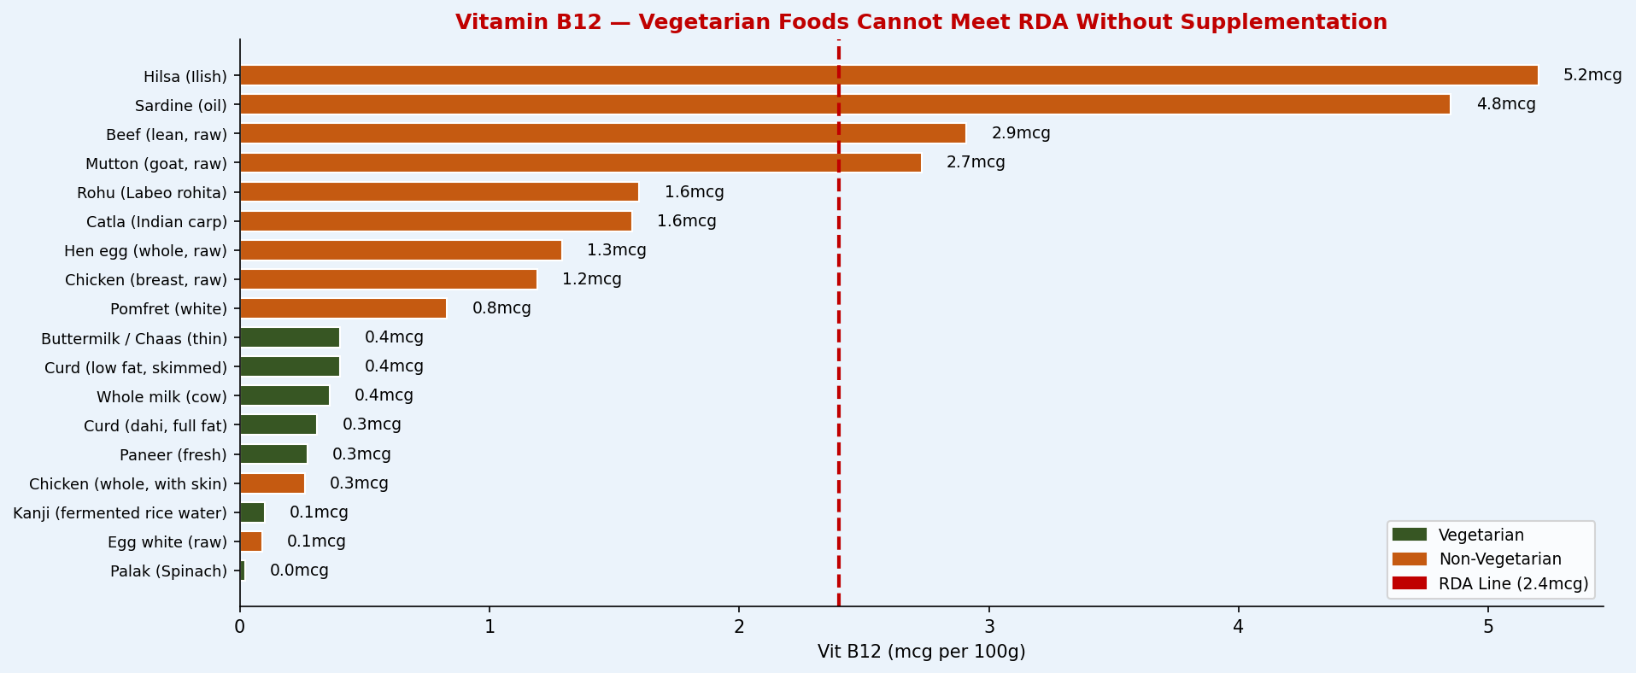

📊 Chart 6 — Omega-3 Sources (GLP-1 Anti-Inflammatory & Cognitive Focus Protocol)
📖 EXPLANATION: Omega-3 fats are critical for GLP-1 users (anti-inflammatory to counter metabolic inflammation), low-focus users (DHA is structural in brain membranes), and postpartum women (DHA depletion linked to postpartum depression). Flaxseed (22.8g/100g) leads all plant sources, but note: plant ALA converts to DHA/EPA at only 5-10% efficiency. Fatty fish (hilsa, sardine) provide direct DHA. For strict vegetarians, NutriSync flags algal DHA supplementation. Mustard oil (5.9g ALA) is the everyday cooking oil recommendation.

🧬 Life Stage RDA
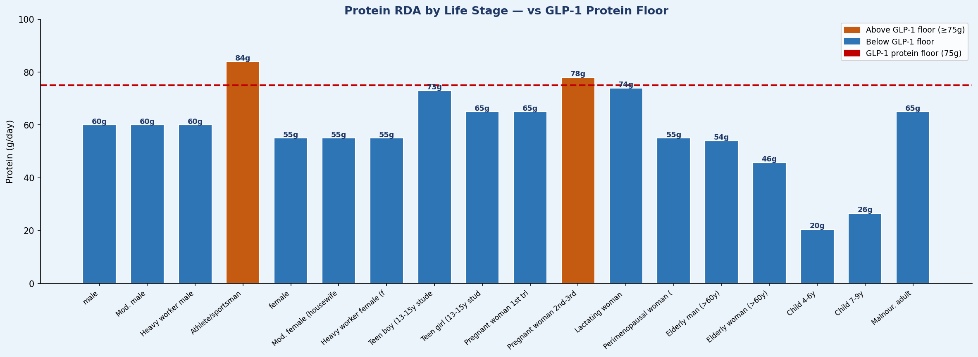
🧬 Life Stage RDA Analysis — ICMR-NIN 2024 Dietary Reference Intakes

📊 Chart 7 — Iron RDA Across Life Stages (NutriSync Life-Stage Engine Core)
📖 EXPLANATION: Iron requirements vary dramatically by life stage — this is the primary driver of NutriSync's life-stage engine. Pregnancy requires 35mg/day (nearly 2× the adult female baseline of 21mg), while post-menopause drops to just 8mg. Adolescent girls need 27mg due to menstrual losses during peak growth. The NutriSync Context Resolver uses these exact ICMR-NIN values to set iron targets before applying GLP-1 and physiological state modifiers. Key design rule: iron target is NEVER reduced below life-stage floor, even for GLP-1 users.

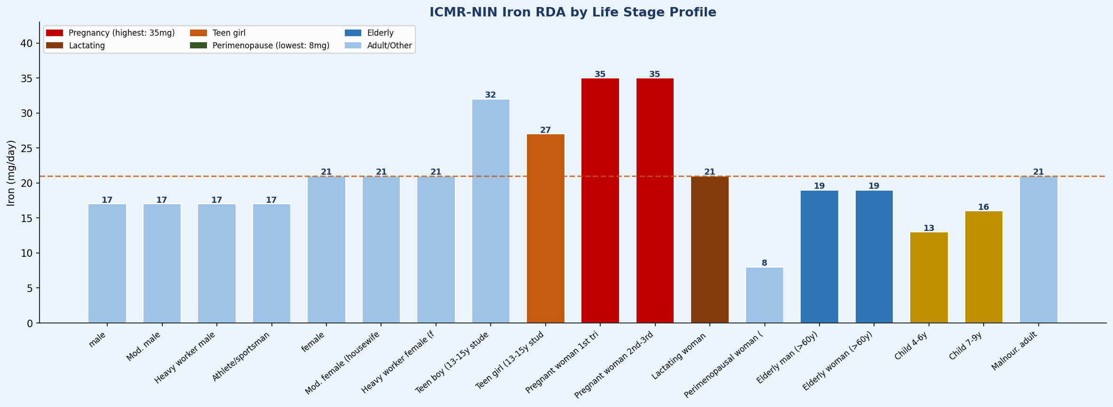

📊 Chart 8 — Caloric Needs by Profession & Activity Level (ICMR-NIN PAL)
📖 EXPLANATION: The Physical Activity Level (PAL) multiplier is a key variable in NutriSync's calorie calculation. An IT professional (sedentary, PAL 1.4) needs 2,110 kcal/day vs a construction worker (PAL 2.1) who needs 3,255 kcal/day — a 54% difference. The gender gap is consistent (~20-25%) due to lower BMR in women. For GLP-1 users, NutriSync applies an additional volume reduction factor (15-50%) on top of the PAL-adjusted baseline. Pregnant and lactating women get elevated baselines regardless of activity.

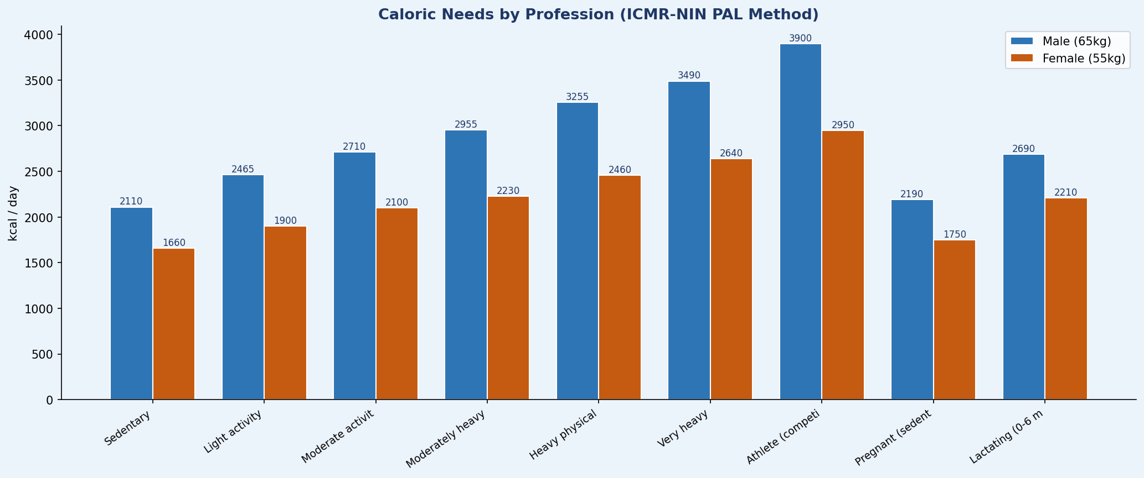

📊 Chart 9 — Protein RDA Across Life Stages (GLP-1 Floor vs Life-Stage Target)
📖 EXPLANATION: Protein is the most tightly managed nutrient in the NutriSync GLP-1 module. Athletes need the highest protein (84g/day), followed by postpartum/pregnancy (74-78g). The red dashed line shows the GLP-1 protein floor (75g) — a hard minimum enforced regardless of caloric restriction to prevent muscle loss (sarcopenia), which is a major risk of rapid weight loss on GLP-1 medications. For most life stages, the GLP-1 floor actually exceeds the standard RDA — meaning GLP-1 users always get higher protein targets than non-users.

💊 GLP-1 Analysis
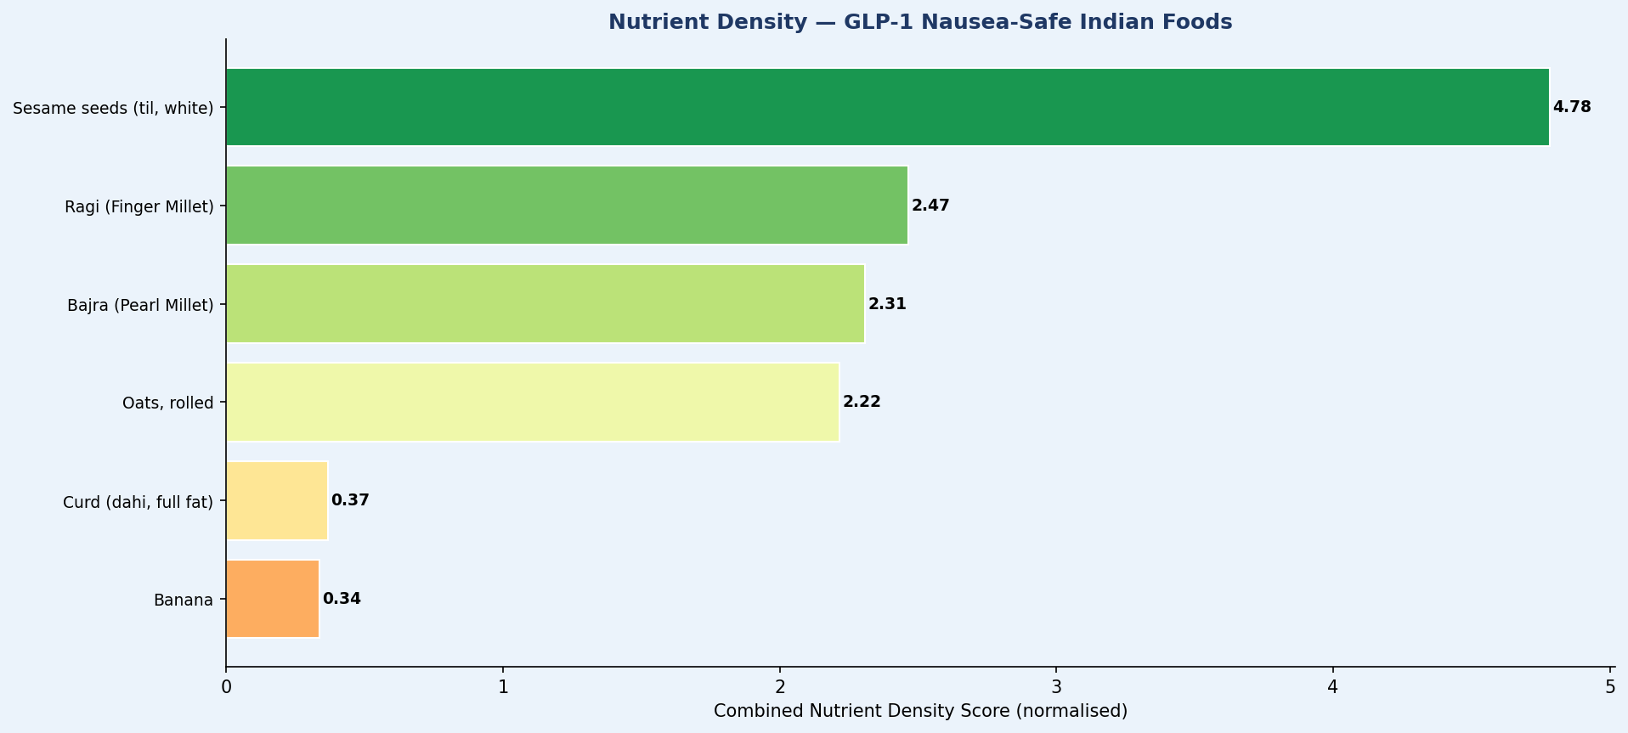
💊 GLP-1 Medication Nutrition Analysis — Semaglutide · Tirzepatide · Dose Phase Impact

📊 Chart 10 — Caloric Volume Reduction by GLP-1 Medication & Dose Phase
📖 EXPLANATION: GLP-1 medications suppress appetite, reducing how much a user can eat. The reduction scales with dose phase and medication strength. Tirzepatide (Mounjaro) at maintenance causes the largest reduction (40-50%) because it acts on both GLP-1 AND GIP receptors (dual agonist). This chart explains why NutriSync's GLP-1 module doesn't just cut calories — it simultaneously increases nutrient DENSITY targets, because you must deliver the same micronutrients in 50-65% of the normal food volume. This is the core challenge the platform is designed to solve.

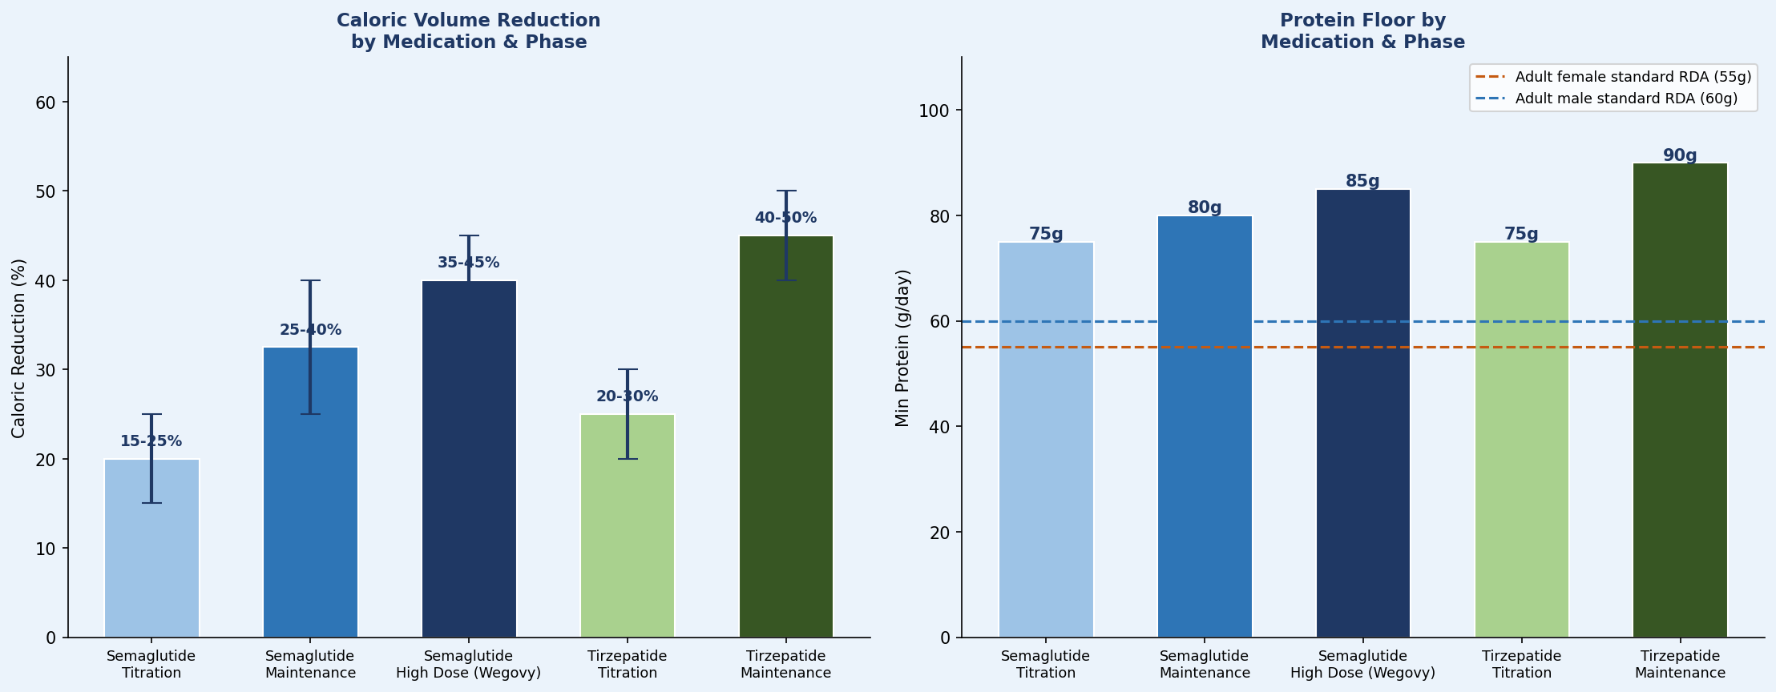

📊 Chart 11 — Nutrient Density Score: GLP-1-Safe Indian Foods
📖 EXPLANATION: For GLP-1 users experiencing nausea (especially during titration phase), food choice is constrained to bland, low-fat, cold or room-temperature options. This chart scores key GLP-1-safe Indian foods on combined nutrient density (protein + iron + calcium + magnesium per 100g, normalised). Bajra roti scores highest among GLP-1-safe options — it's bland, familiar, and delivers exceptional iron, zinc, and magnesium. Curd (dahi) is the single best nausea-safe food combining protein + calcium + B12 + probiotic benefits.

🧠 Physio-State Map
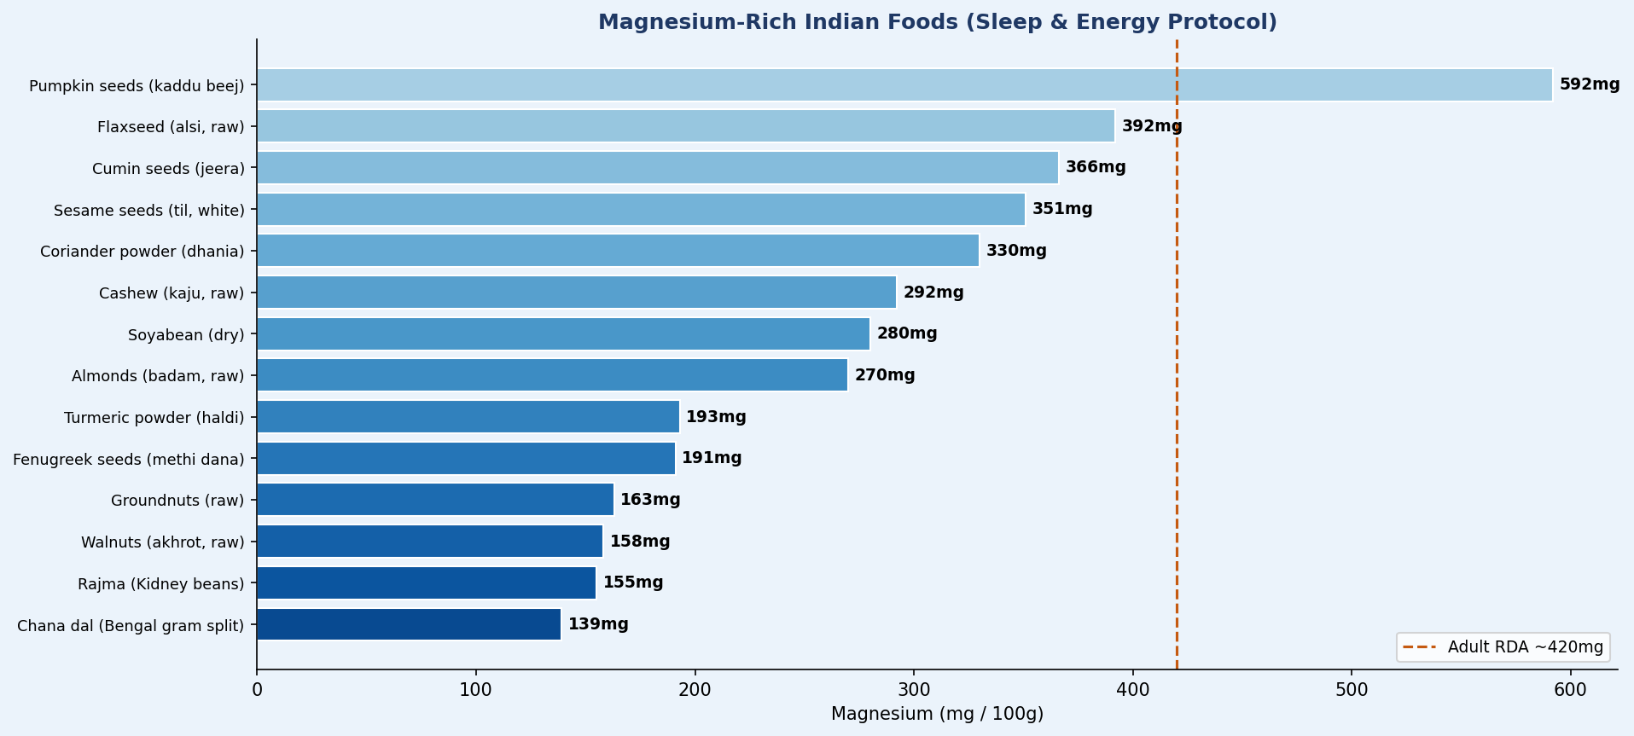
🧠 Physiological State → Nutrient Response Analysis

📊 Chart 12 — Nutrient Boost Factors by Physiological State
📖 EXPLANATION: NutriSync's daily check-in (energy/sleep/focus scores) triggers nutrient "boost factors" — multipliers applied to the baseline RDA. This chart shows how much each nutrient target increases when a user reports low scores. The Triple-Low scenario (all three scores ≤2) triggers the maximum boosts across all nutrients simultaneously — Magnesium gets the largest boost (×1.45) because it is depleted by both poor sleep AND low energy. These boost factors are the core logic in physio_mapper.py from the Implementation Guide.

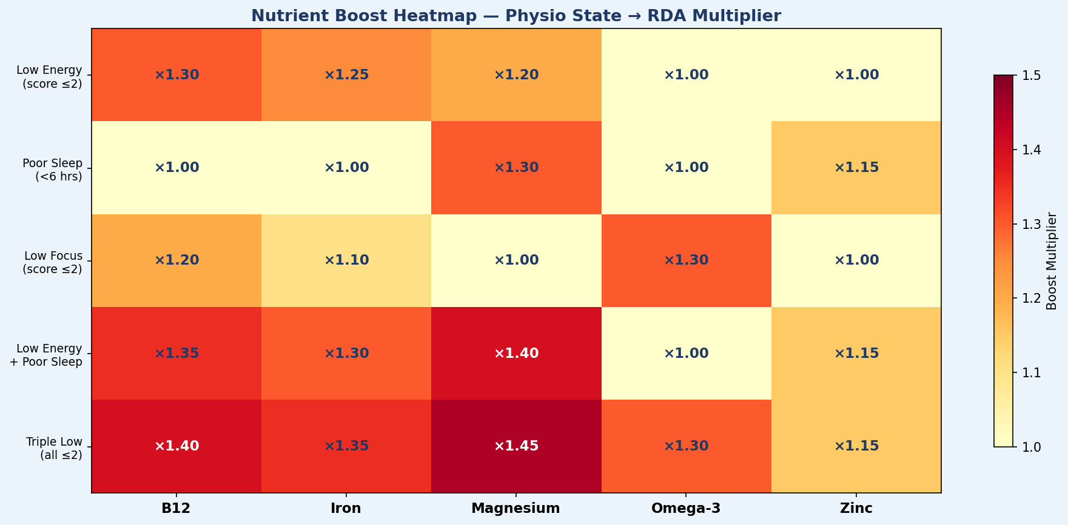

📊 Chart 13 — Magnesium-Rich Foods (Sleep & Energy Recovery Protocol)
📖 EXPLANATION: Magnesium is the most widely deficient mineral in India and the nutrient that gets the highest boost factor in NutriSync's physio-state model (×1.45 for Triple Low). It acts on GABA receptors (sleep), is a cofactor in 300+ enzymatic reactions (energy/ATP), and relaxes vascular smooth muscle (cardiovascular). Pumpkin seeds lead all Indian foods with 592mg/100g — nearly 1.5× the adult RDA in a single tablespoon. Flaxseed, bajra, and rajma are the everyday dietary sources NutriSync prioritises.

🏥 Disease & Medicine
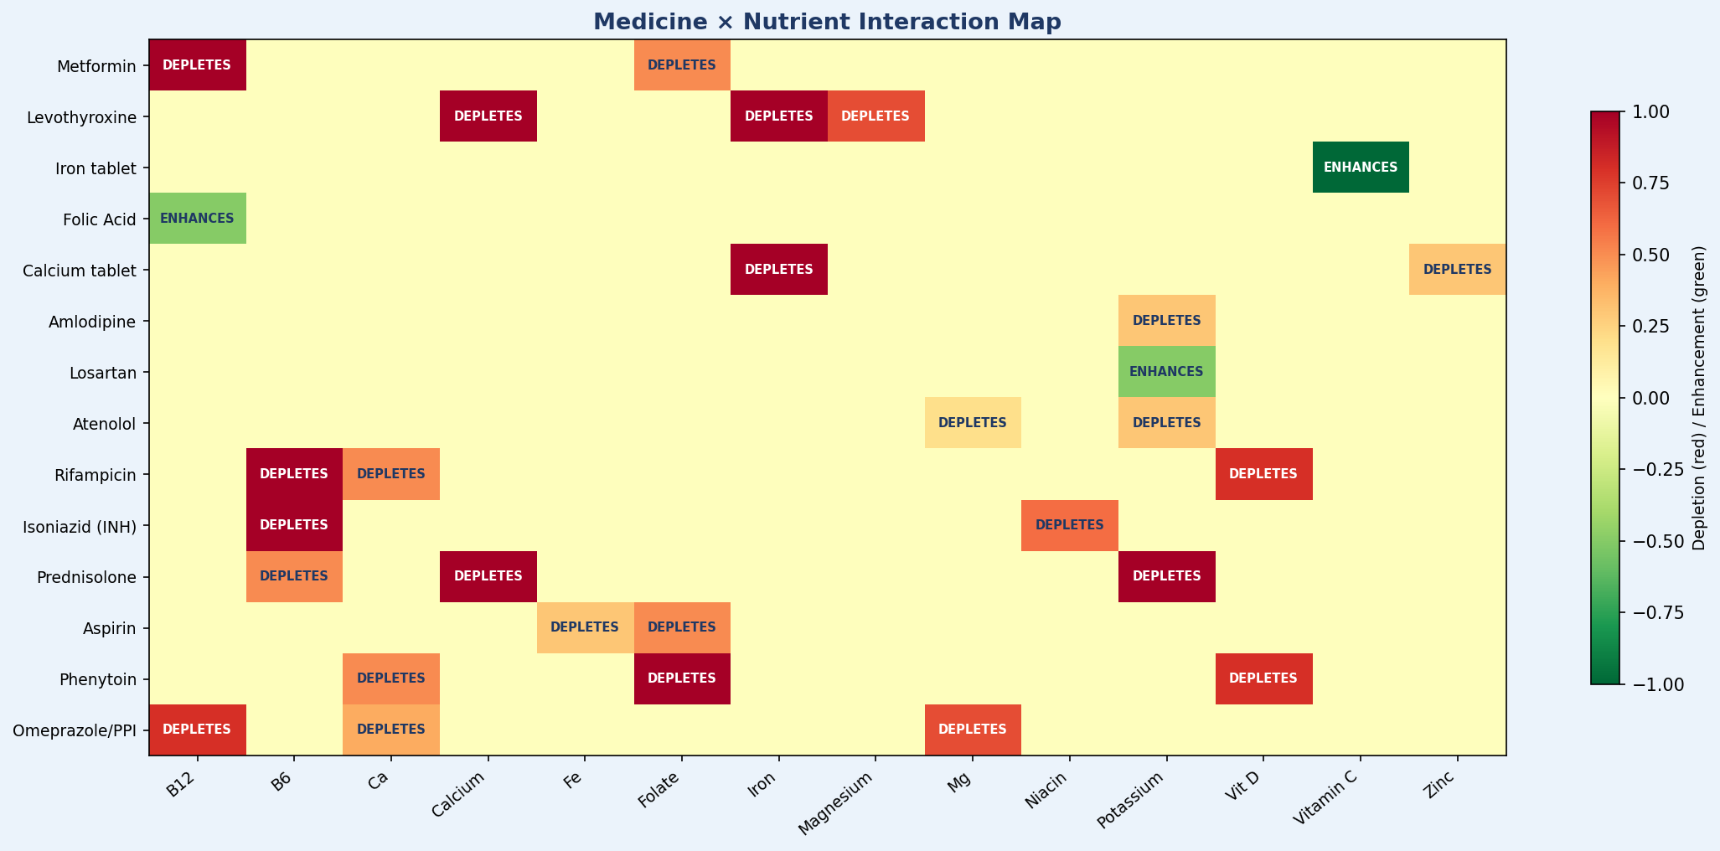
🏥 Disease Protocols & Medicine-Nutrition Interactions

📊 Chart 14 — Disease Protocol Caloric Ranges vs ICMR Adult Baseline
📖 EXPLANATION: Each disease condition in the database has a specific caloric target range, often significantly different from the ICMR adult baseline of 2,000 kcal. T2DM and hypothyroidism recommend 10-15% below baseline to support weight management. Obesity/metabolic syndrome goes lowest (1,200-1,500 kcal). Tuberculosis patients and iron anaemia cases need ABOVE-baseline calories to support recovery and healing. This chart helps NutriSync understand how disease context interacts with life-stage caloric targets — the Context Resolver must choose the most clinically appropriate caloric target when multiple contexts are active.

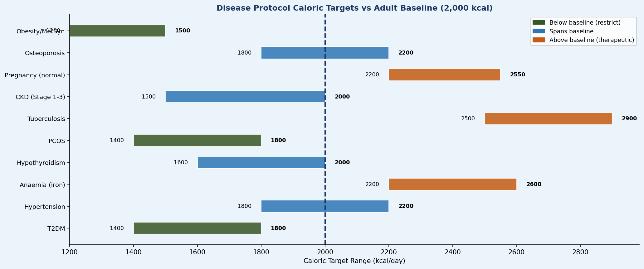

📊 Chart 15 — Medicine-Nutrient Interaction Map (15 Common Indian Medicines)
📖 EXPLANATION: Medicines can deplete specific nutrients — this is called "drug-nutrient interaction." NutriSync uses this data to automatically boost nutrient targets and suggest appropriate foods when a user reports taking one of these medications. The most critical interactions: Metformin (depletes B12 by 30-40% — affects millions of T2DM patients); Thyronorm/Levothyroxine (calcium, iron, magnesium block its absorption — must be taken 30-60 min before food); Prednisolone/steroids (depletes calcium, potassium, and B6). This data drives the Medicine module in NutriSync's future v2.0 clinical release.

🗺️ Regional Culture
🗺️ Regional Food Culture — 17 States × 5 Zones

📊 Chart 16 — Dietary Character Distribution Across Indian Zones
📖 EXPLANATION: India's dietary diversity is one of the most complex in the world. This chart shows the vegetarian/mixed/predominantly non-veg split across 5 geographic zones. North and West India are predominantly vegetarian (Rajasthan, Gujarat — Jain influence). East India (West Bengal, Bihar, Assam) is mixed to predominantly non-veg (fish culture). South India is mixed — coastal states (Kerala, coastal Karnataka) are non-veg; inland Karnataka and Tamil Nadu Brahmin communities are strictly vegetarian. NutriSync uses zone + state to personalise the food database shown to each user.

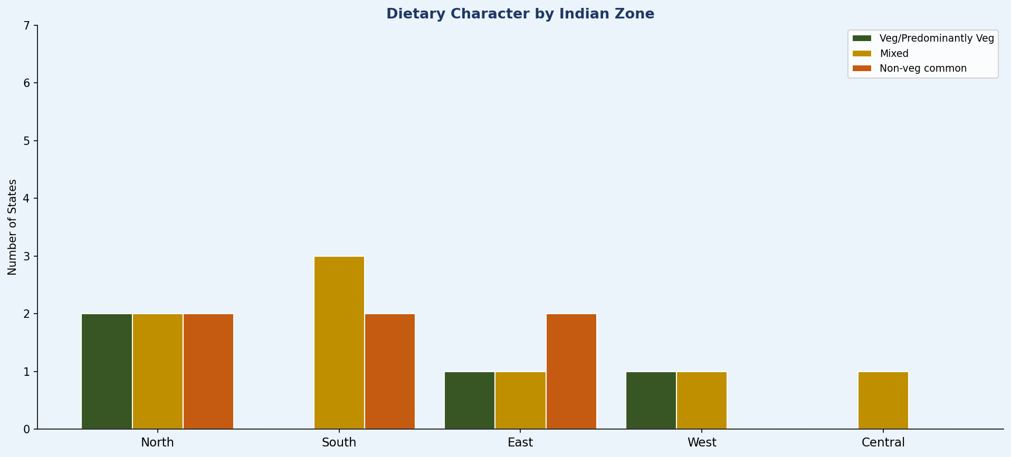

📋 Regional Data Table — States, Dietary Characters, Key Nutritional Concerns
📖 EXPLANATION: The table below maps each state's dietary character and primary nutritional concern. This data powers NutriSync's regional personalisation — when a user selects their state, the food recommendation engine prioritises locally available staples and flags the nutritional concern most prevalent in that region. For example, Bihar/UP users get iron-anaemia warnings; Punjab/Haryana users get cardiovascular risk flags due to high fat/dairy intake.

Zone | State/UT | Staple Grains | Dietary Character | Key Nutritional Concern
North | Punjab | Wheat (atta), Rice (rarely) | Non-Veg common | High calorie intake; cardiovascular risk; high fat/dairy; low fibre consumption
North | Haryana | Wheat, Bajra (winter) | Predominantly vegetarian | High anaemia in rural women; micronutrient gap despite high calorie
North | Uttar Pradesh | Wheat, Rice (East UP) | Mixed veg/non-veg | High anaemia (57%); significant undernutrition in rural areas; iron deficiency
North | Rajasthan | Bajra, Jowar, Wheat | Predominantly vegetarian (Jain influence) | Micronutrient deficiency; high anaemia; water scarcity impacts diet
North | Delhi | Wheat, Rice | Mixed; urban diverse | Obesity; diabetes rising rapidly; processed food dominant in urban segments
South | Tamil Nadu | Rice (dominant), Ragi (rural) | Mixed; fish common coastal | Iron and Vit D deficiency common despite rice-based diet; anaemia
South | Kerala | Rice, Tapioca (kappa) | High non-veg (fish/chicken); coconut dominant | High fat intake from coconut; cardiovascular risk; good omega-3 from fish
South | Karnataka | Rice, Ragi (dominant rural) | Mixed; Brahmin veg tradition | Calcium adequate in ragi belt; iron deficiency in non-ragi districts
South | Andhra Pradesh / Telangana | Rice | Mixed; high non-veg | Spiciest cuisine; high chilli consumption; gastric issues common; rice dominant may spike glucose
East | West Bengal | Rice (dominant), Wheat (urban) | High non-veg (fish dominant) | Arsenic contamination in groundwater affecting nutrition; high omega-3 from fish
East | Bihar | Rice, Wheat, Maize | Predominantly vegetarian | Highest anaemia burden in India; severe undernutrition; iron and B12 deficiency
East | Odisha | Rice | Mixed; fish coastal | Tribal areas have diverse wild food sources; coastal omega-3 access
East | Assam / Northeast | Rice, Sticky rice (Bora saul) | High non-veg; fermented foods dominant | Unique wild greens; high micronutrient diversity; fermented fish (tungrymbai)
West | Maharashtra | Jowar, Bajra, Rice (coastal) | Mixed; Konkan fish | High fibre from bhakri; good iron from jowar/bajra; coastal fish omega-3
West | Gujarat | Wheat, Jowar, Bajra | Predominantly vegetarian (Jain influence) | High sugar consumption (jaggery/mithai culture); some micronutrient gaps
Central | Madhya Pradesh | Wheat, Jowar, Bajra, Kodo millet | Mixed | Tribal areas — highly diverse; Indore urban — processed food; millet-rich tribal diets are most nutritious
Central | Chhattisgarh | Kodo millet, Rice, Maize | Tribal diverse | Highest food biodiversity in India in tribal areas; nutrition often adequate naturally

❌ Gap Analysis
❌ Database Gap Analysis — Original vs NutriSync Requirements

📊 Chart 17 — Coverage Before vs After Enhancement
📖 EXPLANATION: This chart visualises the database enhancement in numbers. The left panel shows the jump from 63 to 86 foods (+36%) and from 7 to 12 sheets (+71%). The right panel shows how the 5 new sheets directly map to the 5 core modules described in the NutriSync Implementation Guide (Sections 3.1-3.4) — every gap was identified by cross-referencing the project document's inference engine requirements against the original database contents. The database is now fully aligned with the NutriSync MVP architecture.

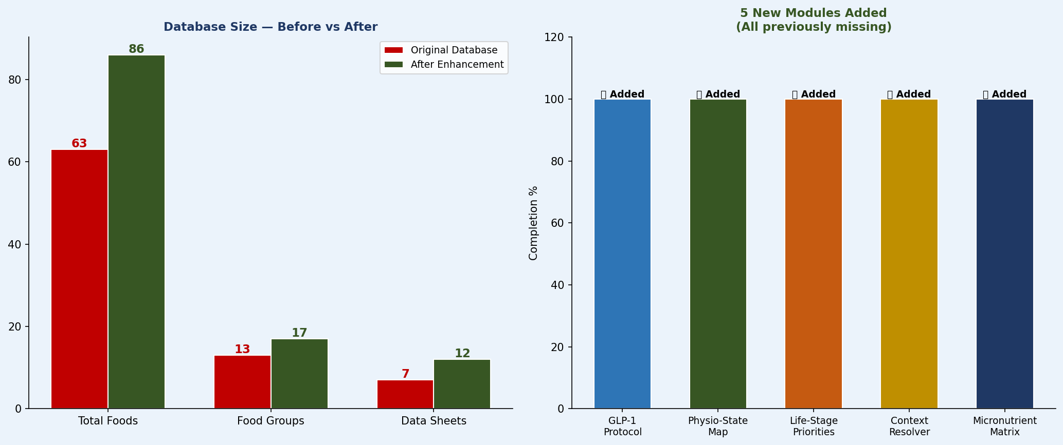

📋 Detailed Gap Analysis Table — Module by Module
Module / Sheet | Original Status | After Enhancement | Gap Status | NutriSync Code Reference
Food Composition | 63 foods, 13 groups Missing: Nuts, Spices, Fermented, Prepared dishes | 86 foods, 17 groups +24 new foods added across 4 new categories | ✅ FILLED | usda_client.py — search_foods()
ICMR-NIN RDA Targets | 18 profiles, 10 life stages Complete ICMR-NIN 2024 data | No change needed Data was comprehensive | ✅ COMPLETE | lifestage_rda.py — RDA_TABLE
GLP-1 Protocol | ❌ MISSING Critical gap — not in original DB | 5 protocols across 3 medications Dose phase + nausea + food flags | ✅ FILLED (NEW) | glp1_modifier.py — apply_glp1_modifier()
Physio-State Map | ❌ MISSING Not in original DB | 12 scenarios with biochemical mechanisms + evidence levels | ✅ FILLED (NEW) | physio_mapper.py — apply_physio_boosts()
Life-Stage Priorities | ❌ MISSING RDA table existed but priority matrix absent | 11 stages: top-5 nutrients, Indian foods, timing, risks | ✅ FILLED (NEW) | inference_engine.py — resolve_nutrition_context()
Context Resolver Rules | ❌ MISSING No cross-module conflict resolution data | 9 conflict scenarios with resolution rules + food flags | ✅ FILLED (NEW) | inference_engine.py — resolve_nutrition_context()
Micronutrient Matrix | ❌ MISSING Lookup table absent | 13 micronutrients with top-5 Indian sources + absorption notes | ✅ FILLED (NEW) | substitution engine + dashboard
Disease Protocols | 10 conditions — complete | No change needed | ✅ COMPLETE | Future: clinical mode v2.0
Medicine Interactions | 15 medicines — comprehensive | No change needed | ✅ COMPLETE | Future: clinical mode v2.0
Regional Food Culture | 17 states, 5 zones — complete | No change needed | ✅ COMPLETE | Localisation engine v1.5

