Sheet1
Expense Description | Item Receipt File | Credit Card Invoice (CAD)
2x BC412 Plastic Scintillator + Silicone Light Coupling Compound from Ebay | a.pdf (in USD) | 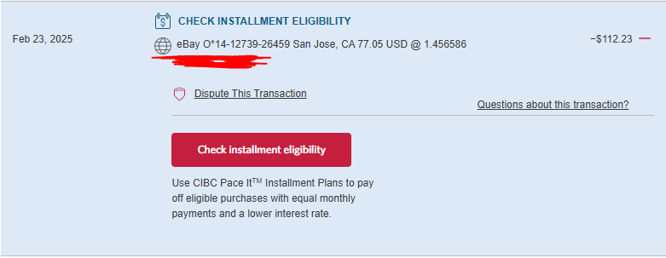
Electronic components + 2x MICROFC-60035-SMT-TR Silicon Photomultipliers (SiPM) from Digikey | b.pdf (in USD)
Customs Fee for Previous from DHL Shipping | c.pdf (in CAD)
Printed circuit board for sensors from JLCPCB | d.pdf (in USD)
Printed circuit board for power from JLCPCB | e.pdf (in USD)
 | TOTAL PAID BY ALEX | 444.29 $CAD

