Sheet1
Expense Description | Item Receipt File | Paid by | Receipt & Invoice | Amount (CAD)
Main Tooling Equipment (Makerspace, 7A.4)
Compressor, saw, saw blade set, face masks from Home Depot |  | Aljoscha |  | 397.45
Electronic Materials
10x Rigid Populated printed circuit board from JLCPCB | a.pdf (in USD) a_invoice.png (in CAD) | 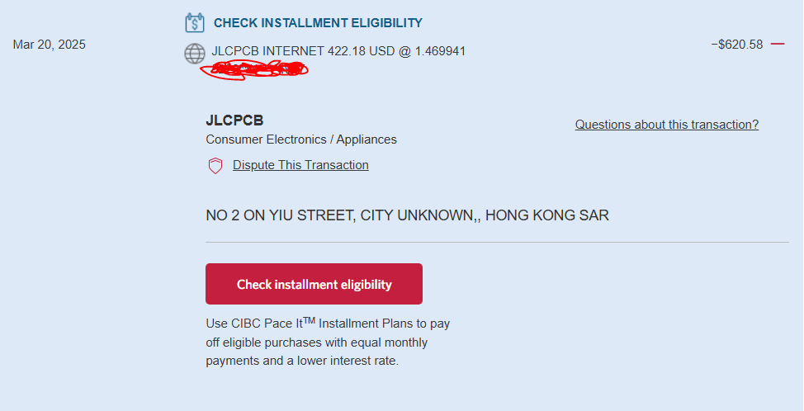 Alex | 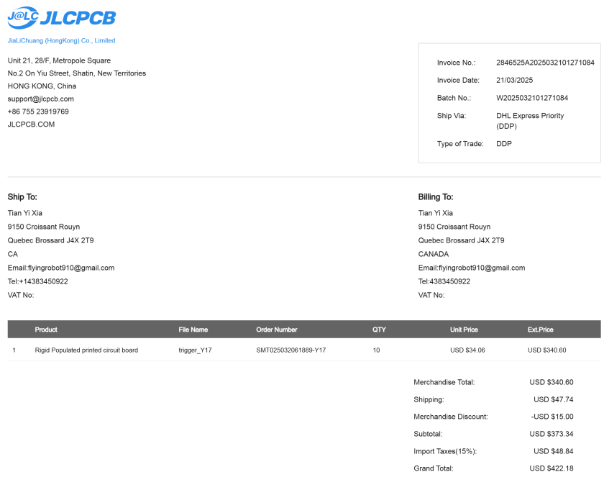 | 620.58
32x MICROFC-60035-SMT-TR Silicon Photomultipiers (SiPM) | b.pdf | Alex | 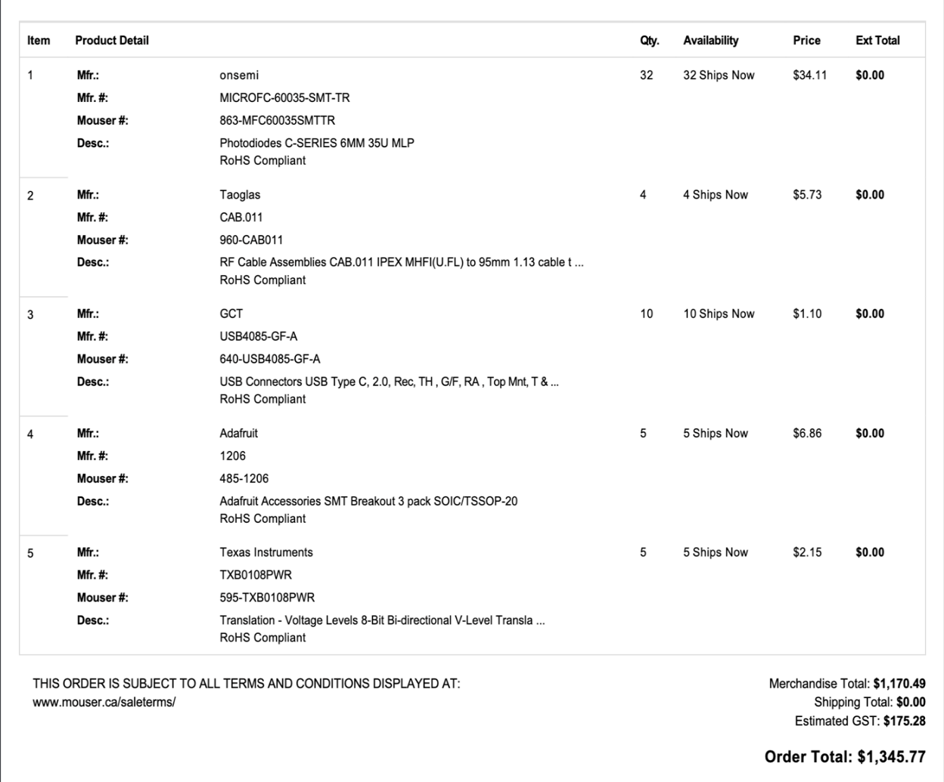 | 1345.77
 |  |  | TOTAL (Finances 04-16-2025) | 2363.80

