SG
Asset | Section | Locality of Feature | Route | KM Location | Name of Feature | Ramp ID | Bound | Group ID | Sign Type | Latitude | Longitude | Photo | Date of Last Replacement | Project/Work Order Title | Job/Work Order No | Appointed Installer | Type of Aluminium Composite | Sheeting Type | Sheeting Manufacture | Warranty Period | Latest retro-reflectivity report | Dimension (WxL) mm | Area (m2) | Post Size (mm) | No of Post | Clearance Height | Embedded Length (m) | Post Length (m) | Footing Type | Footing Size | Report Attachment
SG | C1 | ML | null | 328.05 | TAPAH | null | NB | null | Directional Sign | null | null | 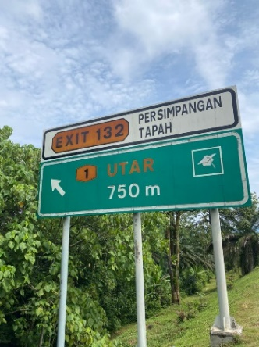 | 2017 | Project TS 2024 | null | Euroforce Synergy Sdn Bhd | Mega Bond | HIP | Avery Dennison | 8 years | White : 274.89 Yellow: 143.89 Green: 75.22 | 7320 x 3966 | 29.03 | 267.4 x 6.6 | 3 | 2.2 | null | 18.5 | RC (TYPE IV) | 1400 x 600 x 3000
SG | C4 | ML | null | 12.65 | SUBANG | null | NB | null | Directional Sign | null | null | 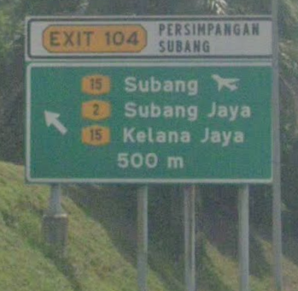 | 2017 | Project TS 2024 | null | Euroforce Synergy Sdn Bhd | Mega Bond | HIP | Avery Dennison | 8 years | White : 468.2 Yellow: 356.3 Green: 94.10 | 7320 x 4666 | 34.16 | 267.4 x 6.6 | 4 | 2.2 | null | 27.46 | RC TYPE (V) | 1401 x 600 x 3000

