Tabelle1
FCNN
Base case
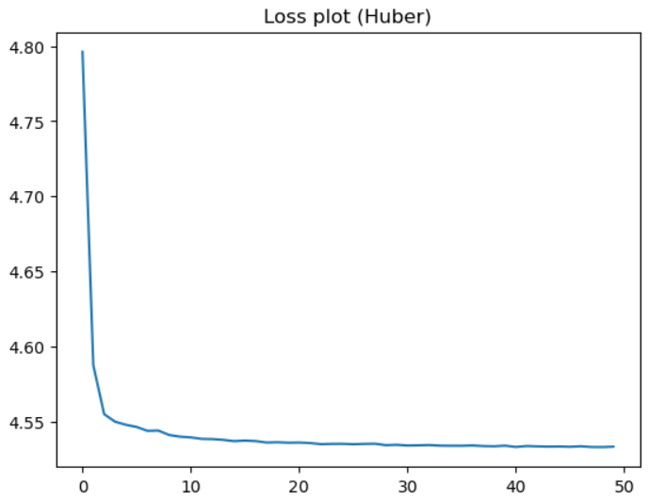
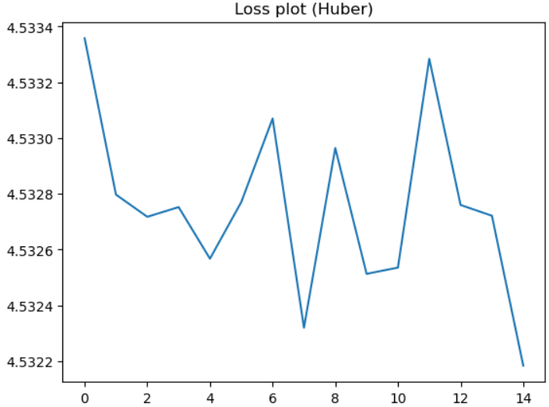

Learning Rate = 0.00002 |  | Learning Rate = 0.0001
epochs = 50 |  | epochs = 15
batch_size = 64 |  | batch_size = 64
Modal | FCNN | Modal
# Input Layer |  | # Input Layer
model.add(Input(shape=(x_train.shape[1],))) |  | model.add(Input(shape=(x_train.shape[1],)))
# Hidden Layer |  | # Hidden Layer
model.add(Dense(256, activation='relu')) |  | model.add(Dense(256, activation='relu'))
model.add(Dense(128, activation='relu')) |  | model.add(Dense(128, activation='relu'))
model.add(Dense(64, activation='relu')) |  | model.add(Dense(64, activation='relu'))
model.add(Dense(32, activation='relu')) |  | model.add(Dense(32, activation='relu'))
model.add(Dense(16, activation='relu')) |  | model.add(Dense(16, activation='relu'))
# Output Layer |  | # Output Layer
model.add(Dense(1, activation='linear')) |  | model.add(Dense(1, activation='linear'))
Loss of last epochs = 4.5107 |  | Loss of last epochs = 4.5453

