Tabelle1
FCNN
Base case
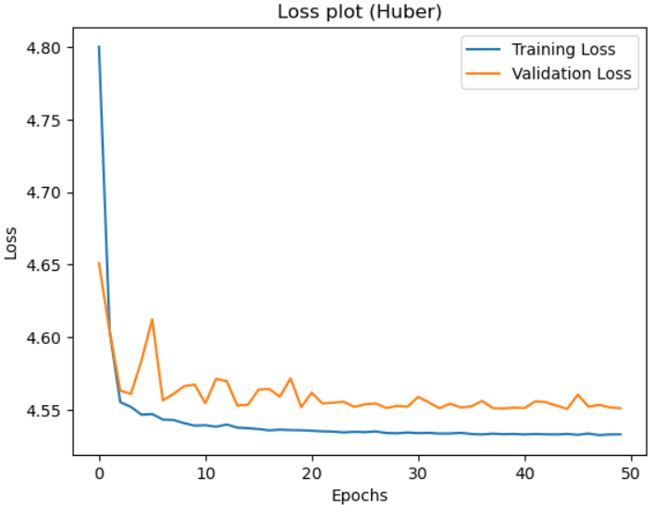
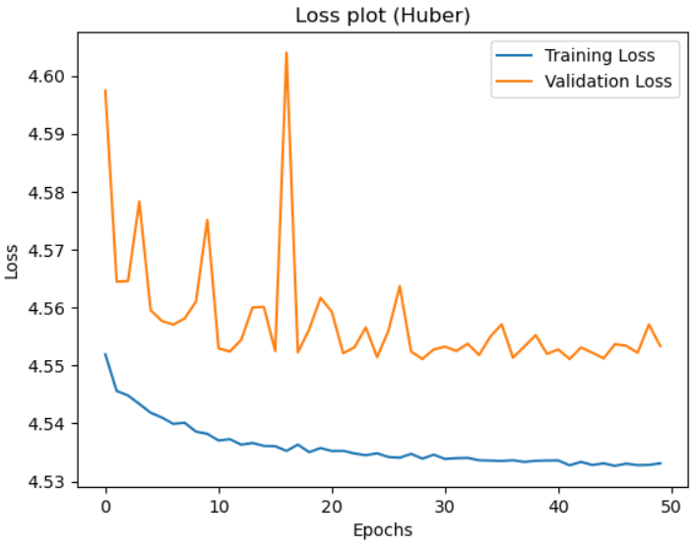
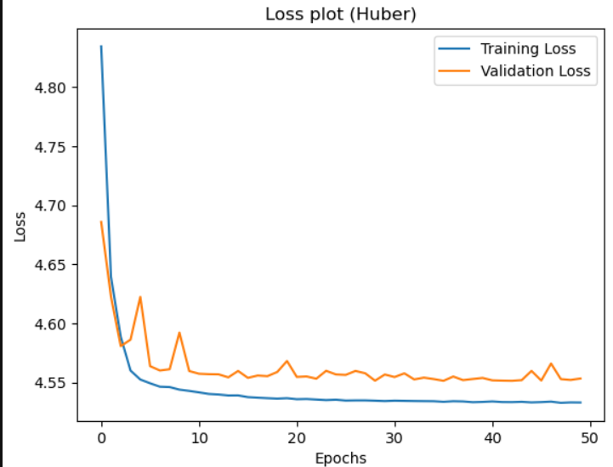
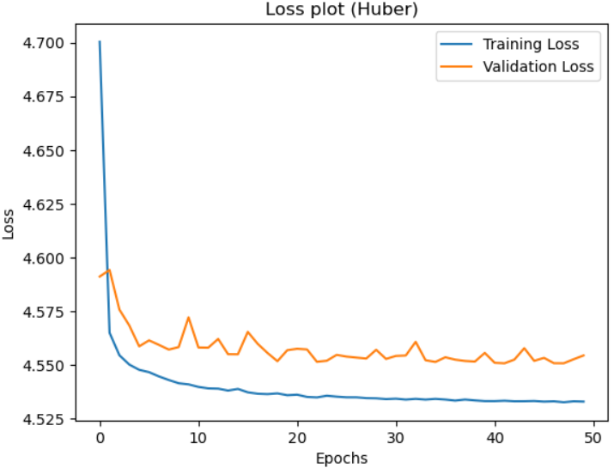
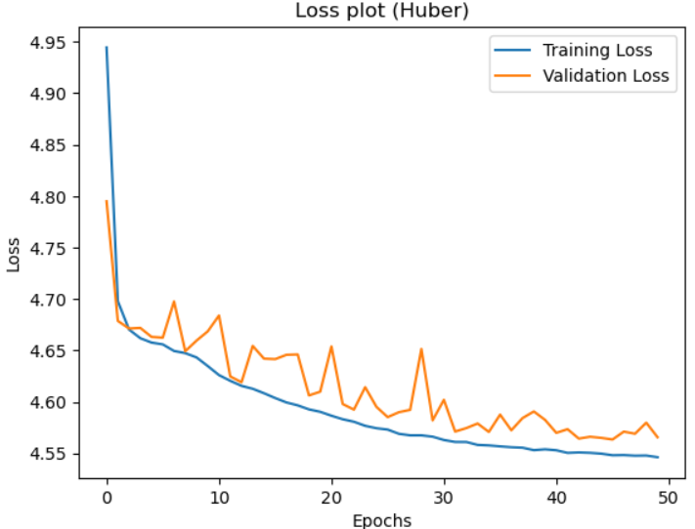

Learning Rate = 0.00002 |  | Learning Rate = 0.0001 |  | Learning Rate = 0.00002 |  | Learning Rate = 0.00002 |  | Learning Rate = 0.00002
epochs = 50 |  | epochs = 50 |  | epochs = 50 |  | epochs = 50 |  | epochs = 50
batch_size = 64 |  | batch_size = 64 |  | batch_size = 64 |  | batch_size = 32 |  | batch_size = 32
# Input Layer |  | # Input Layer |  | # Input Layer |  | # Input Layer |  | # Input Layer
model.add(Input(shape=(x_train.shape[1],))) |  | model.add(Input(shape=(x_train.shape[1],))) |  | model.add(Input(shape=(x_train.shape[1],))) |  | model.add(Input(shape=(x_train.shape[1],))) |  | model.add(Input(shape=(x_train.shape[1],)))
# Hidden Layer |  | # Hidden Layer |  | # Hidden Layer |  | # Hidden Layer |  | # Hidden Layer
model.add(Dense(256, activation='relu')) |  | model.add(Dense(256, activation='relu')) |  | model.add(Dense(128, activation='relu')) |  | model.add(Dense(256, activation='relu')) |  | model.add(Dense(256, activation='softplus'))
model.add(Dense(128, activation='relu')) |  | model.add(Dense(128, activation='relu')) |  | model.add(Dense(64, activation='relu')) |  | model.add(Dense(128, activation='relu')) |  | model.add(Dense(128, activation='softplus'))
model.add(Dense(64, activation='relu')) |  | model.add(Dense(64, activation='relu')) |  | model.add(Dense(32, activation='relu')) |  | model.add(Dense(64, activation='relu')) |  | model.add(Dense(64, activation='softplus'))
model.add(Dense(32, activation='relu')) |  | model.add(Dense(32, activation='relu')) |  | model.add(Dense(16, activation='relu')) |  | model.add(Dense(32, activation='relu')) |  | model.add(Dense(32, activation='softplus'))
model.add(Dense(16, activation='relu')) |  | model.add(Dense(16, activation='relu')) |  |  |  | model.add(Dense(16, activation='relu')) |  | model.add(Dense(16, activation='softplus'))
# Output Layer |  | # Output Layer |  | # Output Layer |  | # Output Layer |  | # Output Layer
model.add(Dense(1, activation='linear')) |  | model.add(Dense(1, activation='linear')) |  | model.add(Dense(1, activation='linear')) |  | model.add(Dense(1, activation='linear')) |  | model.add(Dense(1, activation='linear'))
Loss of last epochs |  | Loss of last epochs |  | Loss of last epochs |  | Loss of last epochs |  | Loss of last epochs
Train | 4.4899 | Train | 4.5542 | Train | 4.5084 | Train | 4.5598 | Train | 4.5376
Test | 4.5511 | Test | 4.5534 | Test | 4.5534 | Test | 4.5545 | Test | 4.558
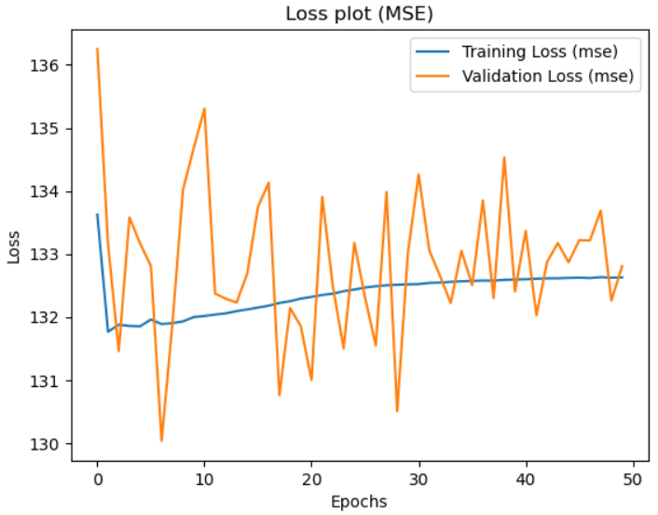

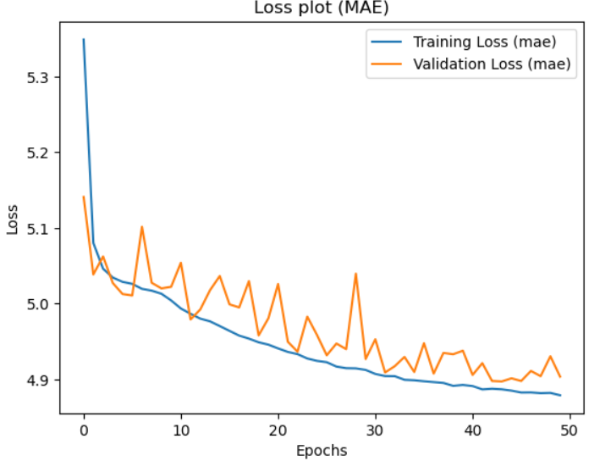

 |  |  |  |  |  |  |  | Train | 4.8731
 |  |  |  |  |  |  |  | Test | 4.9038

