Sheet1
 |  |  |  | 0.57 | 0.54 | 0.50 | 0.47 | 0.43 | 0.39 | 0.36 | 0.39 | 0.43 | 0.47 | 0.50 | 0.54 | 5.6 | yearly (MW) -Assumption
 |  |  |  | 10.3 | 9.6 | 9.0 | 8.3 | 7.7 | 7.1 | 6.4 | 7.1 | 7.7 | 8.3 | 9.0 | 9.6 | %
 |  |  |  | 0.019145299145 | 0.017948717949 | 0.016752136752 | 0.015555555556 | 0.014358974359 | 0.013162393162 | 0.011965811966 | 0.013162393162 | 0.014358974359 | 0.015555555556 | 0.016752136752 | 0.017948717949 | MW
h |  |  | h/M | 1 | 2 | 3 | 4 | 5 | 6 | 7 | 8 | 9 | 10 | 11 | 12
1 | 0.065728528617 | 1% | 1 | 0.15688587521 | 0.147080508 | 0.1372751408 | 0.1274697736 | 0.1176644064 | 0.1078590392 | 0.098053672003 | 0.1078590392 | 0.1176644064 | 0.1274697736 | 0.1372751408 | 0.147080508 | kW
2 | 0.065728528617 | 1% | 2 | 0.15688587521 | 0.147080508 | 0.1372751408 | 0.1274697736 | 0.1176644064 | 0.1078590392 | 0.098053672003 | 0.1078590392 | 0.1176644064 | 0.1274697736 | 0.1372751408 | 0.147080508 |  | https://www.worlddata.info/europe/denmark/energy-consumption.php
3 | 0.065728528617 | 1% | 3 | 0.15688587521 | 0.147080508 | 0.1372751408 | 0.1274697736 | 0.1176644064 | 0.1078590392 | 0.098053672003 | 0.1078590392 | 0.1176644064 | 0.1274697736 | 0.1372751408 | 0.147080508
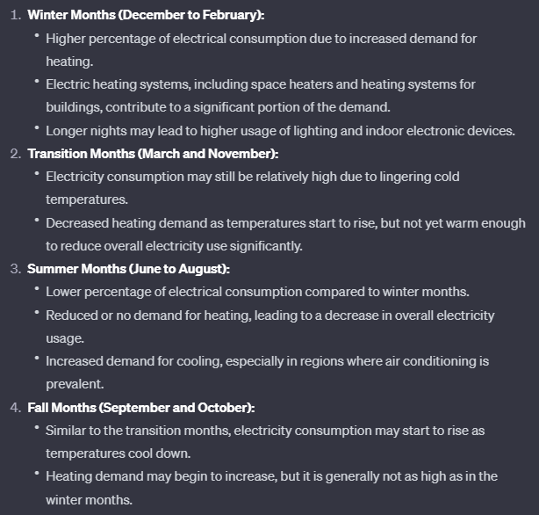
4 | 0.065728528617 | 1% | 4 | 0.15688587521 | 0.147080508 | 0.1372751408 | 0.1274697736 | 0.1176644064 | 0.1078590392 | 0.098053672003 | 0.1078590392 | 0.1176644064 | 0.1274697736 | 0.1372751408 | 0.147080508
5 | 0.065728528617 | 1% | 5 | 0.15688587521 | 0.147080508 | 0.1372751408 | 0.1274697736 | 0.1176644064 | 0.1078590392 | 0.098053672003 | 0.1078590392 | 0.1176644064 | 0.1274697736 | 0.1372751408 | 0.147080508
6 | 0.13533528324 | 2% | 6 | 0.32302859662 | 0.30283930933 | 0.28265002204 | 0.26246073475 | 0.24227144746 | 0.22208216017 | 0.20189287289 | 0.22208216017 | 0.24227144746 | 0.26246073475 | 0.28265002204 | 0.30283930933
7 | 0.24935220878 | 3% | 7 | 0.59517290789 | 0.55797460115 | 0.52077629441 | 0.48357798766 | 0.44637968092 | 0.40918137418 | 0.37198306743 | 0.40918137418 | 0.44637968092 | 0.48357798766 | 0.52077629441 | 0.55797460115
8 | 0.41111229051 | 5% | 8 | 0.98127423299 | 0.91994459343 | 0.85861495387 | 0.7972853143 | 0.73595567474 | 0.67462603518 | 0.61329639562 | 0.67462603518 | 0.73595567474 | 0.7972853143 | 0.85861495387 | 0.91994459343
9 | 0.60653065971 | 8% | 9 | 1.4477137309 | 1.3572316227 | 1.2667495145 | 1.1762674063 | 1.0857852981 | 0.99530318997 | 0.90482108179 | 0.99530318997 | 1.0857852981 | 1.1762674063 | 1.2667495145 | 1.3572316227
10 | 0.80073740292 | 10% | 10 | 1.9112612272 | 1.7918074005 | 1.6723535738 | 1.5528997471 | 1.4334459204 | 1.3139920937 | 1.194538267 | 1.3139920937 | 1.4334459204 | 1.5528997471 | 1.6723535738 | 1.7918074005
11 | 0.94595946891 | 12% | 11 | 2.2578883525 | 2.1167703304 | 1.9756523084 | 1.8345342864 | 1.6934162643 | 1.5522982423 | 1.4111802203 | 1.5522982423 | 1.6934162643 | 1.8345342864 | 1.9756523084 | 2.1167703304
12 | 1 | 12% | 12 | 2.386876422 | 2.2376966456 | 2.0885168692 | 1.9393370928 | 1.7901573165 | 1.6409775401 | 1.4917977637 | 1.6409775401 | 1.7901573165 | 1.9393370928 | 2.0885168692 | 2.2376966456
13 | 0.94595946891 | 12% | 13 | 2.2578883525 | 2.1167703304 | 1.9756523084 | 1.8345342864 | 1.6934162643 | 1.5522982423 | 1.4111802203 | 1.5522982423 | 1.6934162643 | 1.8345342864 | 1.9756523084 | 2.1167703304
14 | 0.80073740292 | 10% | 14 | 1.9112612272 | 1.7918074005 | 1.6723535738 | 1.5528997471 | 1.4334459204 | 1.3139920937 | 1.194538267 | 1.3139920937 | 1.4334459204 | 1.5528997471 | 1.6723535738 | 1.7918074005
15 | 0.60653065971 | 8% | 15 | 1.4477137309 | 1.3572316227 | 1.2667495145 | 1.1762674063 | 1.0857852981 | 0.99530318997 | 0.90482108179 | 0.99530318997 | 1.0857852981 | 1.1762674063 | 1.2667495145 | 1.3572316227
16 | 0.41111229051 | 5% | 16 | 0.98127423299 | 0.91994459343 | 0.85861495387 | 0.7972853143 | 0.73595567474 | 0.67462603518 | 0.61329639562 | 0.67462603518 | 0.73595567474 | 0.7972853143 | 0.85861495387 | 0.91994459343
17 | 0.24935220878 | 3% | 17 | 0.59517290789 | 0.55797460115 | 0.52077629441 | 0.48357798766 | 0.44637968092 | 0.40918137418 | 0.37198306743 | 0.40918137418 | 0.44637968092 | 0.48357798766 | 0.52077629441 | 0.55797460115
18 | 0.13533528324 | 2% | 18 | 0.32302859662 | 0.30283930933 | 0.28265002204 | 0.26246073475 | 0.24227144746 | 0.22208216017 | 0.20189287289 | 0.22208216017 | 0.24227144746 | 0.26246073475 | 0.28265002204 | 0.30283930933
19 | 0.065728528617 | 1% | 19 | 0.15688587521 | 0.147080508 | 0.1372751408 | 0.1274697736 | 0.1176644064 | 0.1078590392 | 0.098053672003 | 0.1078590392 | 0.1176644064 | 0.1274697736 | 0.1372751408 | 0.147080508
20 | 0.065728528617 | 1% | 20 | 0.15688587521 | 0.147080508 | 0.1372751408 | 0.1274697736 | 0.1176644064 | 0.1078590392 | 0.098053672003 | 0.1078590392 | 0.1176644064 | 0.1274697736 | 0.1372751408 | 0.147080508
21 | 0.065728528617 | 1% | 21 | 0.15688587521 | 0.147080508 | 0.1372751408 | 0.1274697736 | 0.1176644064 | 0.1078590392 | 0.098053672003 | 0.1078590392 | 0.1176644064 | 0.1274697736 | 0.1372751408 | 0.147080508
22 | 0.065728528617 | 1% | 22 | 0.15688587521 | 0.147080508 | 0.1372751408 | 0.1274697736 | 0.1176644064 | 0.1078590392 | 0.098053672003 | 0.1078590392 | 0.1176644064 | 0.1274697736 | 0.1372751408 | 0.147080508
23 | 0.065728528617 | 1% | 23 | 0.15688587521 | 0.147080508 | 0.1372751408 | 0.1274697736 | 0.1176644064 | 0.1078590392 | 0.098053672003 | 0.1078590392 | 0.1176644064 | 0.1274697736 | 0.1372751408 | 0.147080508
24 | 0.065728528617 | 1% | 24 | 0.15688587521 | 0.147080508 | 0.1372751408 | 0.1274697736 | 0.1176644064 | 0.1078590392 | 0.098053672003 | 0.1078590392 | 0.1176644064 | 0.1274697736 | 0.1372751408 | 0.147080508
 | 8.0210684429 |  |  | 19.145299145 | 17.948717949 | 16.752136752 | 15.555555556 | 14.358974359 | 13.162393162 | 11.965811966 | 13.162393162 | 14.358974359 | 15.555555556 | 16.752136752 | 17.948717949 | kW/day

Electrical consumption dairly (Assumpmation)
Electrical Consumption (hourly) in each months

