Instructions
 |  | APEC 1201 : Assignment 5

Context for the next questions:
You will make a series of graphs for this exercise. Make sure to show your work by including the graph in editable format, and not as a picture. The pictures on this page are provided for reference, but your product should still be editable. Also, you do not need to move any data in these input tables. In some videos I mention times when you want to convert between wide and long, but the purpose of this assignment is to show that you can create graphs inboth. You might want to use the "Select Data" function to add a data series one at a time, but be careful to consider which variable is the data series and which is the label for that series. You may want to review 05-02-02 for a hint, or look back at problem 2 of exercise 3 for a tip on using long data.

Problem 1
Recreate this Scatter Plot of the price and quantity in the sheet "Supply and Demand 1" (you do not need to include the column "Market Type"). Remember to include axis labels, data series legends, titles, and note the number of decimal places in the axis labels.

 | Note: for this problem, and future problems, remember to check both your fill options to be dark red and blue, and your outline to be the same color. Sometimes it might be easier to use the no fill/no outline option. Also, note the lack of gridlines, and the maximum values of each axis

1 points
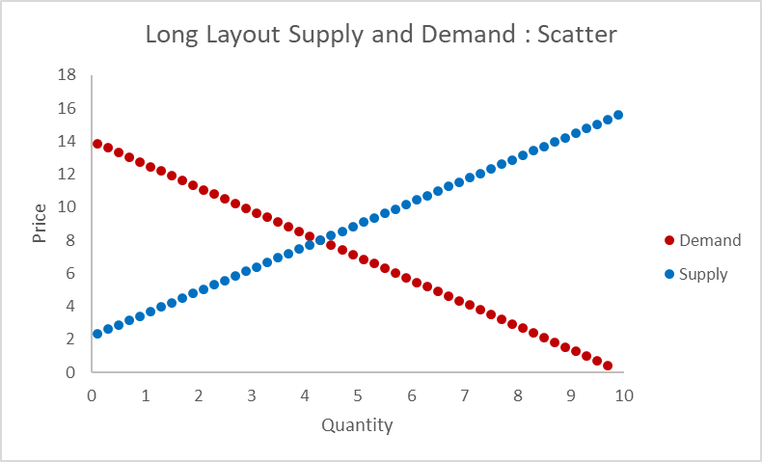

Problem 2
Recreate this Line Plot of the price and quantity in the sheet "Supply and Demand 1" (you do not need to include the column "Market Type"). Remember to include axis labels and data series legends. Also, you select the data for a Line Plot differently than a Scatter Plot - you select the y values first, then you add the x axis by editing the axis labels.

 | Note: It is difficult to change the x-axis settings for bar and line charts. If you want to change the design of the axis label, you will want to change the listed decimal places, but you will also want to skip some redundant labels. Try going to axis options, labels, set interval units to 5 to avoid redundant labels.

1 points

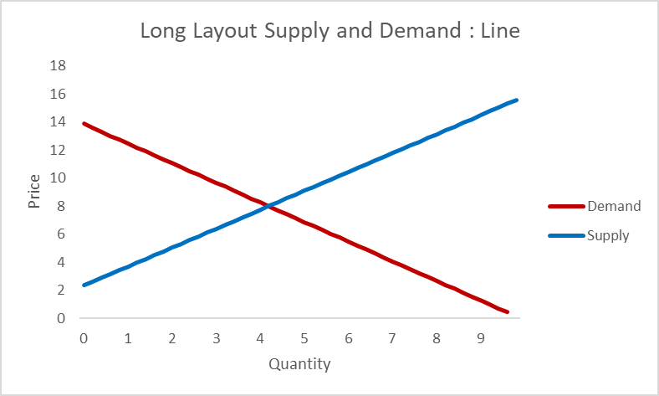

Problem 3
Recreate this Vertical Column Bar Plot of the price and quantity in the sheet "Supply and Demand 1" (you do not need to include the column "Market Type"). Remember to include axis labels and data series legends. Also, you select the data for a Column Bar Plot the same way you select a Line Plot. Note: the same notes apply from the line plot.

1 points
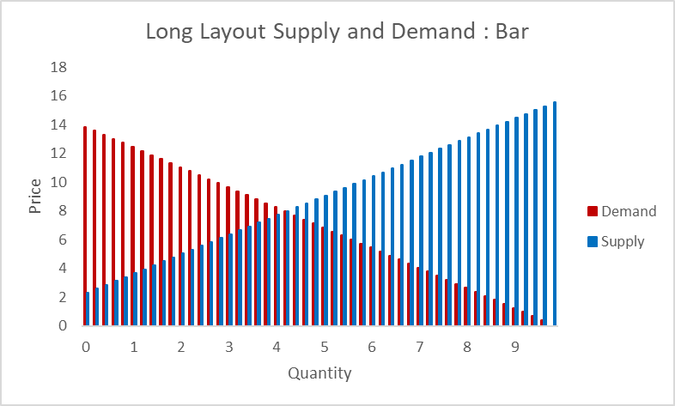

Problem 4
Recreate this Scatter Plot of the price and quantity in the sheet "Supply and Demand 2." Remember to include axis labels and data series legends. Follow the same steps as Problem 1 but use data from this new sheet.

1 points
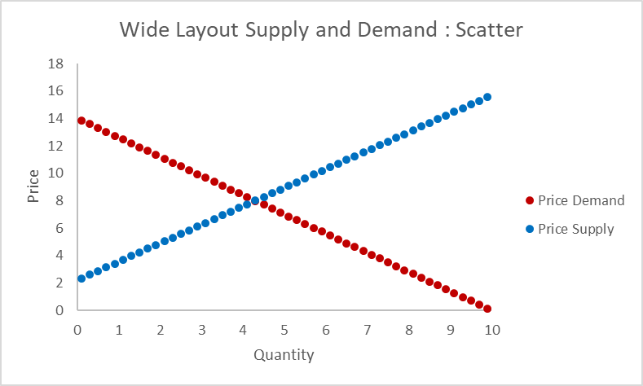

Problem 5
Recreate this Line Plot of the price and quantity in the sheet "Supply and Demand 2." Remember to include axis labels and data series legends. Follow the same steps as Problem 2 but use data from this new sheet.

1 points
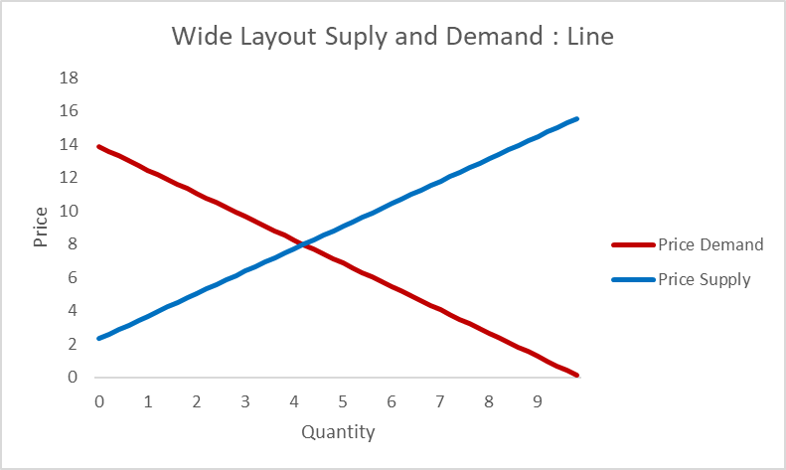

Problem 6
Recreate this Vertical Column Bar Plot of the price and quantity in the sheet "Supply and Demand 2." Remember to include axis labels and data series legends. Follow the same steps as Problem 3 but use data from this new sheet.

1 points
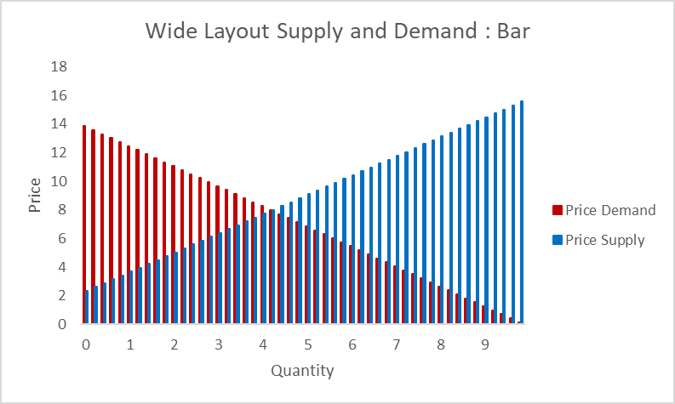

Problem 7
Compare the charts that you just made. Were the charts in "Supply and Demand 1" or "Supply and Demand 2" easier to make? Explain your reasoning by citing the difference data layout. Which one had helpful default settings and which made you work harder?

1 Point

 | The Second section was easier because the layout was easier to select and graph. The first section made me go in ad create the data sets manually

Supply and Demand 1
Long Layout Supply and Demand: Scatter
Market Type | Quantity | Price
Demand | 0.10 | 13.86
Demand | 0.30 | 13.58
Demand | 0.50 | 13.30
Demand | 0.70 | 13.02
Demand | 0.90 | 12.74
Demand | 1.10 | 12.46
Demand | 1.30 | 12.18
Demand | 1.50 | 11.90
Demand | 1.70 | 11.62
Demand | 1.90 | 11.34
Demand | 2.10 | 11.06
Demand | 2.30 | 10.78
Demand | 2.50 | 10.50
Demand | 2.70 | 10.22
Demand | 2.90 | 9.94
Demand | 3.10 | 9.66
Long Layout Supply and Demand: Line
Demand | 3.30 | 9.38
Demand | 3.50 | 9.10
Demand | 3.70 | 8.82
Demand | 3.90 | 8.54
Demand | 4.10 | 8.26
Demand | 4.30 | 7.98
Demand | 4.50 | 7.70
Demand | 4.70 | 7.42
Demand | 4.90 | 7.14
Demand | 5.10 | 6.86
Demand | 5.30 | 6.58
Demand | 5.50 | 6.30
Demand | 5.70 | 6.02
Demand | 5.90 | 5.74
Demand | 6.10 | 5.46
Demand | 6.30 | 5.18
Demand | 6.50 | 4.90
Demand | 6.70 | 4.62
Demand | 6.90 | 4.34
Demand | 7.10 | 4.06
Demand | 7.30 | 3.78
Demand | 7.50 | 3.50
Demand | 7.70 | 3.22
Demand | 7.90 | 2.94
Demand | 8.10 | 2.66
Demand | 8.30 | 2.38
Demand | 8.50 | 2.10
Demand | 8.70 | 1.82
Demand | 8.90 | 1.54
Demand | 9.10 | 1.26
Demand | 9.30 | 0.98
Demand | 9.50 | 0.70
Demand | 9.70 | 0.42
Demand | 9.90 | 0.14
Supply | 0.10 | 2.34
Supply | 0.30 | 2.61
Supply | 0.50 | 2.88
Supply | 0.70 | 3.15
Supply | 0.90 | 3.42
Supply | 1.10 | 3.69
Supply | 1.30 | 3.96
Supply | 1.50 | 4.23
Supply | 1.70 | 4.50
Supply | 1.90 | 4.77
Supply | 2.10 | 5.04
Supply | 2.30 | 5.31
Supply | 2.50 | 5.58
Supply | 2.70 | 5.85
Supply | 2.90 | 6.12
Supply | 3.10 | 6.39
Supply | 3.30 | 6.66
Supply | 3.50 | 6.93
Supply | 3.70 | 7.20
Supply | 3.90 | 7.47
Supply | 4.10 | 7.74
Supply | 4.30 | 8.00
Supply | 4.50 | 8.28
Supply | 4.70 | 8.55
Supply | 4.90 | 8.82
Supply | 5.10 | 9.09
Supply | 5.30 | 9.36
Supply | 5.50 | 9.63
Supply | 5.70 | 9.90
Supply | 5.90 | 10.17
Supply | 6.10 | 10.43
Supply | 6.30 | 10.71
Supply | 6.50 | 10.98
Supply | 6.70 | 11.25
Supply | 6.90 | 11.52
Supply | 7.10 | 11.79
Supply | 7.30 | 12.06
Supply | 7.50 | 12.33
Supply | 7.70 | 12.60
Supply | 7.90 | 12.87
Supply | 8.10 | 13.14
Supply | 8.30 | 13.41
Supply | 8.50 | 13.68
Supply | 8.70 | 13.95
Supply | 8.90 | 14.22
Supply | 9.10 | 14.49
Supply | 9.30 | 14.76
Supply | 9.50 | 15.03
Supply | 9.70 | 15.30
Supply | 9.90 | 15.57

Supply and Demand 2
Wide Layout Supply and Demand : Scatter
Quantity | Price Demand | Price Supply
0.10 | 13.86 | 2.34
0.30 | 13.58 | 2.61
0.50 | 13.30 | 2.88
0.70 | 13.02 | 3.15
0.90 | 12.74 | 3.42
1.10 | 12.46 | 3.69
1.30 | 12.18 | 3.96
1.50 | 11.90 | 4.23
1.70 | 11.62 | 4.50
1.90 | 11.34 | 4.77
2.10 | 11.06 | 5.04
2.30 | 10.78 | 5.31
2.50 | 10.50 | 5.58
2.70 | 10.22 | 5.85
2.90 | 9.94 | 6.12
Wide Layout Suply and Demand : Line
3.10 | 9.66 | 6.39
3.30 | 9.38 | 6.66
3.50 | 9.10 | 6.93
3.70 | 8.82 | 7.20
3.90 | 8.54 | 7.47
4.10 | 8.26 | 7.74
4.30 | 7.98 | 8.00
4.50 | 7.70 | 8.28
4.70 | 7.42 | 8.55
4.90 | 7.14 | 8.82
5.10 | 6.86 | 9.09
5.30 | 6.58 | 9.36
5.50 | 6.30 | 9.63
5.70 | 6.02 | 9.90
5.90 | 5.74 | 10.17
Wide Layout Supply and Demand : Bar
6.10 | 5.46 | 10.43
6.30 | 5.18 | 10.71
6.50 | 4.90 | 10.98
6.70 | 4.62 | 11.25
6.90 | 4.34 | 11.52
7.10 | 4.06 | 11.79
7.30 | 3.78 | 12.06
7.50 | 3.50 | 12.33
7.70 | 3.22 | 12.60
7.90 | 2.94 | 12.87
8.10 | 2.66 | 13.14
8.30 | 2.38 | 13.41
8.50 | 2.10 | 13.68
8.70 | 1.82 | 13.95
8.90 | 1.54 | 14.22
9.10 | 1.26 | 14.49
9.30 | 0.98 | 14.76
9.50 | 0.70 | 15.03
9.70 | 0.42 | 15.30
9.90 | 0.14 | 15.57

