Interact
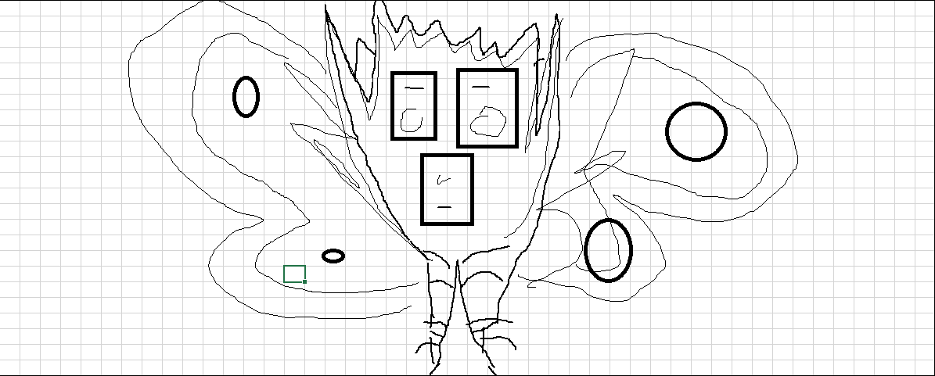
 | Macro Coords | Readouts
 | x
 | y
 | Micro Coords
 | r
 | c

Notes: Optimal command button placement: Left = 79.5, Top = 194 + 75x

