Prompt
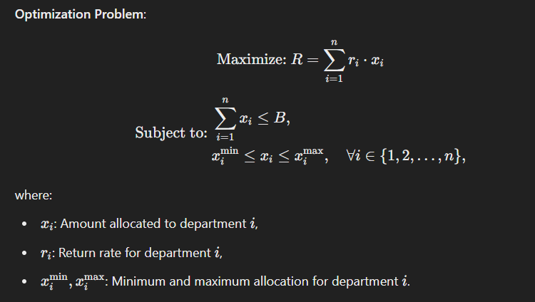
Allocate a fixed budget 𝐵 across 𝑛 departments to maximize overall expected return R, subject to departmental minimum and maximum limits. Generate Python code to solve this problem. Use the image I attach as a reference point on how the algebraic formula would work for this problem. This is how my dataset looks like.

PDF
