muyan信号与bumpbank对应关系
序号 | 信号名
bump_bank0_0
bump_bank0_1
bump_bank0_2 | jtag_trstn
bump_bank0_3 | jtag_tdo
bump_bank0_4 | jtag_tdi
bump_bank0_5 | jtag_tck
bump_bank0_6 | jtag_tms
bump_bank0_7 | rd0
bump_bank0_8 | s_rx_vld
bump_bank0_9 | s_rx_flit_b0
bump_bank0_10 | s_rx_flit_b1
bump_bank0_11 | s_rx_flit_b2
bump_bank0_12 | s_rx_flit_b3
bump_bank0_13 | s_rx_flit_b4
bump_bank0_14 | s_rx_flit_b5
bump_bank0_15 | rd1
bump_bank0_16 | s_rx_rplyPkgID
bump_bank0_17 | s_rx_flit_b6
bump_bank0_18 | s_rx_flit_b7
bump_bank0_19 | s_rx_flit_b8
bump_bank0_20 | s_rx_clk
bump_bank0_21 | s_rx_flit_b9
bump_bank0_22 | s_rx_flit_b10
bump_bank0_23 | rd2
bump_bank0_24
bump_bank0_25 | s_rx_crdtRB_free
bump_bank0_26 | s_rx_flit_b11
bump_bank0_27 | s_rx_flit_b12
bump_bank0_28 | s_rx_flit_b13
bump_bank0_29 | s_rx_flit_b14
bump_bank0_30 | s_rx_flit_b15
bump_bank0_31 | rd3
bump_bank0_32
bump_bank0_33 | s_tx_flit_b0
bump_bank0_34 | s_tx_flit_b1
bump_bank0_35 | s_tx_flit_b2
bump_bank0_36 | s_tx_clk
bump_bank0_37 | s_tx_flit_b3
bump_bank0_38 | s_tx_flit_b4
bump_bank0_39 | rd4
bump_bank0_40
bump_bank0_41 | s_tx_rplyPkgID
bump_bank0_42 | s_tx_flit_vld
bump_bank0_43 | s_tx_flit_b5
bump_bank0_44 | s_tx_flit_b6
bump_bank0_45 | s_tx_flit_b7
bump_bank0_46 | s_tx_crdtARW_free
bump_bank0_47 | rd5
bump_bank0_48 | chipID2
bump_bank0_49 | chipID1
bump_bank0_50 | chipID0
bump_bank0_51 | package_status_1
bump_bank0_52 | package_status_0
bump_bank0_53 | interrupt_1
bump_bank0_54 | interrupt_0
bump_bank0_55 | rd6
bump_bank0_56 | uart_rxd
bump_bank0_57 | uart_txd
bump_bank0_58 | Debug_out_0
bump_bank0_59 | Debug_out_1
bump_bank0_60 | Debug_out_2
bump_bank0_61 | Debug_out_3
bump_bank0_62 | chipID3
bump_bank0_63 | rd7
bump_bank1_0
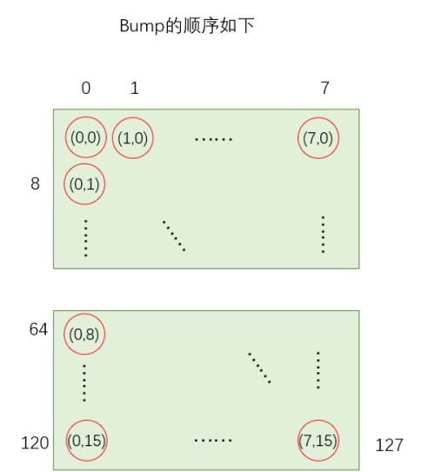
bump_bank1_1 | Test_mode
bump_bank1_2 | POR
bump_bank1_3 | spi_csn
bump_bank1_4 | spi_mosi
bump_bank1_5 | spi_sck
bump_bank1_6 | spi_miso
bump_bank1_7 | rd8
bump_bank1_8 | m_tx_flit_vld
bump_bank1_9 | m_tx_flit_b5
bump_bank1_10 | m_tx_flit_b4
bump_bank1_11 | m_tx_flit_b3
bump_bank1_12 | m_tx_flit_b2
bump_bank1_13 | m_tx_flit_b1
bump_bank1_14 | m_tx_flit_b0
bump_bank1_15 | rd9
bump_bank1_16 | m_tx_crdtRB_free
bump_bank1_17 | m_tx_flit_b10
bump_bank1_18 | m_tx_flit_b9
bump_bank1_19 | m_tx_clk
bump_bank1_20 | m_tx_flit_b8
bump_bank1_21 | m_tx_flit_b7
bump_bank1_22 | m_tx_flit_b6
bump_bank1_23 | rd10
bump_bank1_24
bump_bank1_25 | m_tx_rplyPkgID
bump_bank1_26 | m_tx_flit_b15
bump_bank1_27 | m_tx_flit_b14
bump_bank1_28 | m_tx_flit_b13
bump_bank1_29 | m_tx_flit_b12
bump_bank1_30 | m_tx_flit_b11
bump_bank1_31 | rd11
bump_bank1_32
bump_bank1_33 | m_rx_flit_vld
bump_bank1_34 | m_rx_flit_b7
bump_bank1_35 | m_rx_flit_b6
bump_bank1_36 | m_rx_flit_b5
bump_bank1_37 | m_rx_crdtARW_free
bump_bank1_38 | m_rx_rplyPkgID
bump_bank1_39 | rd12
bump_bank1_40
bump_bank1_41 | m_rx_flit_b4
bump_bank1_42 | m_rx_flit_b3
bump_bank1_43 | m_rx_clk
bump_bank1_44 | m_rx_flit_b2
bump_bank1_45 | m_rx_flit_b1
bump_bank1_46 | m_rx_flit_b0
bump_bank1_47 | rd13
bump_bank1_48 | spi_s_dout_1
bump_bank1_49 | spi_s_sck_1
bump_bank1_50 | spi_s_din_1
bump_bank1_51 | spi_s_csn_1
bump_bank1_52
bump_bank1_53
bump_bank1_54
bump_bank1_55 | rd14
bump_bank1_56 | spi_s_dout_2
bump_bank1_57 | spi_s_sck_2
bump_bank1_58 | spi_s_din_2
bump_bank1_59 | spi_s_csn_2
bump_bank1_60
bump_bank1_61
bump_bank1_62
bump_bank1_63

muyan与tob对应关系
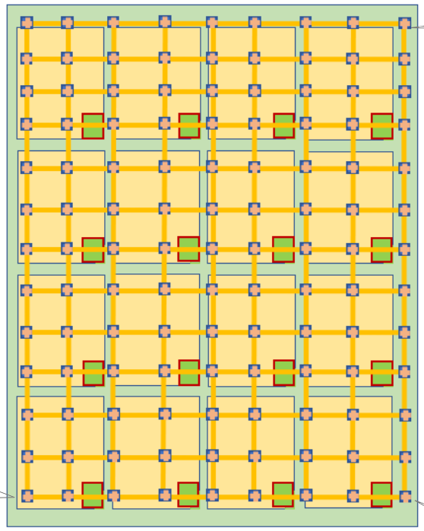

muyan0 | muyan7 | muyan8 | muyan15

muyan1 | muyan6 | muyan9 | muyan14

muyan2 | muyan5 | muyan10 | muyan13

muyan3 | muyan4 | muyan11 | muyan12

