Data Insights
Runs Scored Over Time
Row Labels | Sum of Runs
2008 | 159
2009 | 325
2010 | 1021
2011 | 1644
2012 | 2186
2013 | 1913
2014 | 2286
2015 | 1307
2016 | 2595
2017 | 2818
2018 | 2735
2019 | 2455
2020 | 842
2021 | 964
2022 | 459
Top 5 High Scoring Venues
Grand Total | 23709

Row Labels | Sum of Runs
Adelaide | 843
Kolkata | 788
Mirpur | 1258
Visakhapatnam | 879
Wankhede | 931
Grand Total | 4699

Runs Scored Against Opponent
Row Labels | Sum of Runs
Afghanistan | 117
Australia | 4483
Bangladesh | 1201
England | 3903
Ireland | 87
Netherlands | 12
NewZealand | 2555
Pakistan | 847
Scotland | 2
SouthAfrica | 2893
SriLanka | 3644
U.A.E. | 33
WestIndies | 3653
Zimbabwe | 279
Grand Total | 23709

AVERAGE BY YEARS
Row Labels | Average of Runs
2008 | 31.8
2009 | 40.625
2010 | 40.84
2011 | 34.978723404
2012 | 47.52173913
2013 | 44.488372093
2014 | 48.638297872
2015 | 35.324324324
2016 | 63.292682927
2017 | 54.192307692
2018 | 58.191489362
2019 | 53.369565217
2020 | 35.083333333
2021 | 32.133333333
2022 | 25.5
Grand Total | 45.947674419

RUNS SCORED BY FORMAT

Row Labels | Sum of Runs
ODI | 12327
T20 | 3308
Test | 8074
Grand Total | 23709

HIGHEST SCORE BY FORMAT

Row Labels | Max of Runs
ODI | 183
T20 | 94
Test | 254
Grand Total | 254

Row Labels | Sum of Runs
Afghanistan | 117
Australia | 4483 | Country | Matches | Runs | 50+ | 100+ | HS
Bangladesh | 1201 | Afghanistan | 2 | 117 | 2 | 0 | 67
England | 3903
Ireland | 87
Netherlands | 12
NewZealand | 2555
Pakistan | 847
Scotland | 2
SouthAfrica | 2893
SriLanka | 3644
U.A.E. | 33
WestIndies | 3653
Zimbabwe | 279
Grand Total | 23709

Row Labels | Sum of Runs
Afghanistan | 117 | Afghanistan | 117
Australia | 4483 | Australia | 4483
Bangladesh | 1201 | Bangladesh | 1201
England | 3903 | England | 3903
Ireland | 87 | Ireland | 87
Netherlands | 12 | Netherlands | 12
NewZealand | 2555 | NewZealand | 2555
Pakistan | 847 | Pakistan | 847
Scotland | 2 | Scotland | 2
SouthAfrica | 2893 | SouthAfrica | 2893
SriLanka | 3644 | SriLanka | 3644
U.A.E. | 33 | U.A.E. | 33
WestIndies | 3653 | WestIndies | 3653
Zimbabwe | 279 | Zimbabwe | 279

DASHBOARD
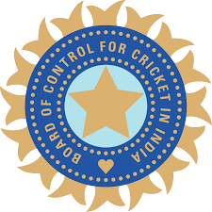
VIRAT KOHLI INTERNATIONAL STATISTICS
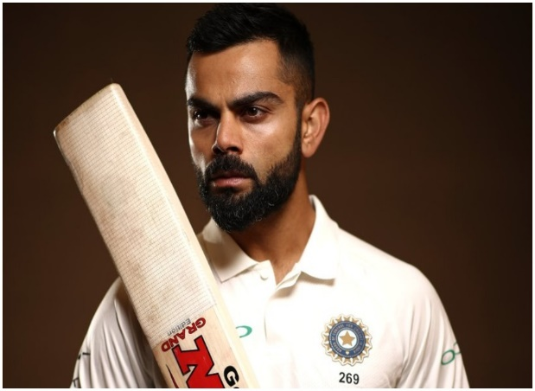

FORMAT
COUNTRY
MATCHES
RUNS
50+
100+

All Format
Afghanistan
2
117
2
0

RUNS SCORED BY YEAR
 | Total
2008 | 159
2009 | 325
2010 | 1021
2011 | 1644
2012 | 2186
2013 | 1913
2014 | 2286
2015 | 1307
2016 | 2595
2017 | 2818
2018 | 2735
2019 | 2455
2020 | 842
2021 | 964
2022 | 459
RUNS SCORED AGAINST OPPONENT
 | Total
Afghanistan | 117
Australia | 4483
Bangladesh | 1201
England | 3903
Ireland | 87
Netherlands | 12
NewZealand | 2555
Pakistan | 847
Scotland | 2
SouthAfrica | 2893
SriLanka | 3644
U.A.E. | 33
WestIndies | 3653
Zimbabwe | 279
RUNS SCORED BY FORMAT
 | Total
ODI | 12327
T20 | 3308
Test | 8074

TOP 5 SCORING VENUES
 | Total
Adelaide | 843
Kolkata | 788
Mirpur | 1258
Visakhapatnam | 879
Wankhede | 931
AVERAGE BY YEARS
 | Total
2008 | 31.8
2009 | 40.625
2010 | 40.84
2011 | 34.978723404
2012 | 47.52173913
2013 | 44.488372093
2014 | 48.638297872
2015 | 35.324324324
2016 | 63.292682927
2017 | 54.192307692
2018 | 58.191489362
2019 | 53.369565217
2020 | 35.083333333
2021 | 32.133333333
2022 | 25.5
HIGHEST SCORE BY FORMAT
 | Total
ODI | 183
T20 | 94
Test | 254

