Calibration
 | cL | 0.6 | 1.3 |  | margin_cal |  | 1 |  |  | vs_to_vlof |  | 1 |  |  | cL | 0.9 | 2.2 |  | margin_cal |  | 1 |  |  | vs_to_vlof |  | 1.2
A | Min |  |  | Avg |  |  | Max |  |  | Reference |  |  |  | B | Min |  |  | Avg |  |  | Max |  |  | Reference
Type | m/s | km/h | kt | m/s | km/h | kt | m/s | km/h | kt | m/s | km/h | kt |  | Type | m/s | km/h | kt | m/s | km/h | kt | m/s | km/h | kt | m/s | km/h | kt
A20n | 82 | 296 | 160 | 86 | 309 | 167 | 89 | 321 | 173 | 77 | 275 | 150 | 16% | A20n | 79 | 283 | 153 | 81 | 291 | 157 | 83 | 298 | 161 | 77 | 275 | 150 | 8%
A359 | 88 | 316 | 171 | 92 | 330 | 178 | 98 | 352 | 190 | 80 | 290 | 155 | 22% | A359 | 82 | 294 | 159 | 86 | 311 | 168 | 96 | 346 | 187 | 80 | 290 | 155 | 20%
B39m | 83 | 299 | 161 | 89 | 321 | 173 | 104 | 374 | 202 | 68 | 250 | 130 | 52% | B39m | 81 | 292 | 158 | 85 | 305 | 165 | 96 | 346 | 187 | 68 | 250 | 130 | 41%
B789 | 90 | 324 | 175 | 93 | 333 | 180 | 99 | 356 | 192 | 80 | 290 | 155 | 23% | B789 | 85 | 306 | 165 | 87 | 312 | 168 | 89 | 321 | 173 | 80 | 290 | 155 | 11%
AVG | 86 |  |  | 90 |  |  | 97 |  |  | 76 |  |  | 114% | AVG | 82 |  |  | 85 |  |  | 91 |  |  | 76 |  |  | 80%

 | cL | 0.7 | 1.5 |  | margin_cal |  | 1.15 |  |  | vs_to_vlof |  | 1 |  |  | cL | 1 | 2.8 |  | margin_cal |  | 1.15 |  |  | vs_to_vlof |  | 1.2
C | Min |  |  | Avg |  |  | Max |  |  | Reference |  |  |  | D | Min |  |  | Avg |  |  | Max |  |  | Reference |  |  |  |  | cL
Type | m/s | km/h | kt | m/s | km/h | kt | m/s | km/h | kt | m/s | km/h | kt |  | Type | m/s | km/h | kt | m/s | km/h | kt | m/s | km/h | kt | m/s | km/h | kt
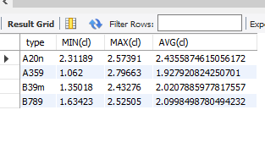
A20n | 77 | 277 | 149 | 80 | 288 | 156 | 83 | 300 | 162 | 77 | 275 | 150 | 9% | A20n | 72 | 261 | 141 | 74 | 267 | 144 | 76 | 272 | 147 | 77 | 275 | 150 | 2%
A359 | 82 | 295 | 160 | 86 | 309 | 167 | 92 | 330 | 178 | 80 | 290 | 155 | 14% | A359 | 71 | 255 | 138 | 79 | 284 | 153 | 90 | 324 | 175 | 80 | 290 | 155 | 12%
B39m | 78 | 279 | 151 | 83 | 300 | 162 | 97 | 350 | 189 | 68 | 250 | 130 | 43% | B39m | 75 | 271 | 146 | 78 | 281 | 152 | 88 | 316 | 171 | 68 | 250 | 130 | 29%
B789 | 84 | 303 | 164 | 87 | 312 | 168 | 93 | 333 | 180 | 80 | 290 | 155 | 15% | B789 | 77 | 277 | 149 | 79 | 285 | 154 | 81 | 291 | 157 | 80 | 290 | 155 | 1%
AVG | 80 |  |  | 84 |  |  | 91 |  |  | 76 |  |  | 81% | AVG | 74 |  |  | 78 |  |  | 84 |  |  | 76 |  |  | 44%
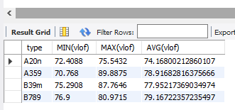

 |  |  |  |  |  |  |  |  |  |  |  |  |  |  |  |  |  |  |  |  |  |  |  |  |  |  | m | 254000
 |  |  |  |  |  |  |  |  |  |  |  | Vlof | Aeroweb suggests 72-81 m/s |  |  |  |  |  |  |  |  |  |  |  |  |  | W | 2490892.91
 |  |  |  |  |  |  |  |  |  |  |  |  |  |  |  |  |  |  |  |  |  |  |  |  |  |  | const | 0.5
 |  |  |  |  |  |  |  |  |  |  |  | cL | Roskam Part I suggests 1.6-2.2 |  |  |  |  |  |  |  |  |  |  |  |  |  | rho | 1.225
 |  |  |  |  |  |  |  |  |  |  |  |  | I've added +- 0.6 to that in scenario D |  |  |  |  |  |  |  |  |  |  |  |  |  | S | 377
 |  |  |  |  |  |  |  |  |  |  |  |  |  |  |  |  |  |  |  |  |  |  |  |  |  |  | cL | 1.9
 |  |  |  |  |  |  |  |  |  |  |  |  |  |  |  |  |  |  |  |  |  |  |  |  |  |  | Vs | 1.2

 |  |  |  |  |  |  |  |  |  |  |  |  |  |  |  |  |  |  |  |  |  |  |  |  |  |  | vlof | 90.418698655

A
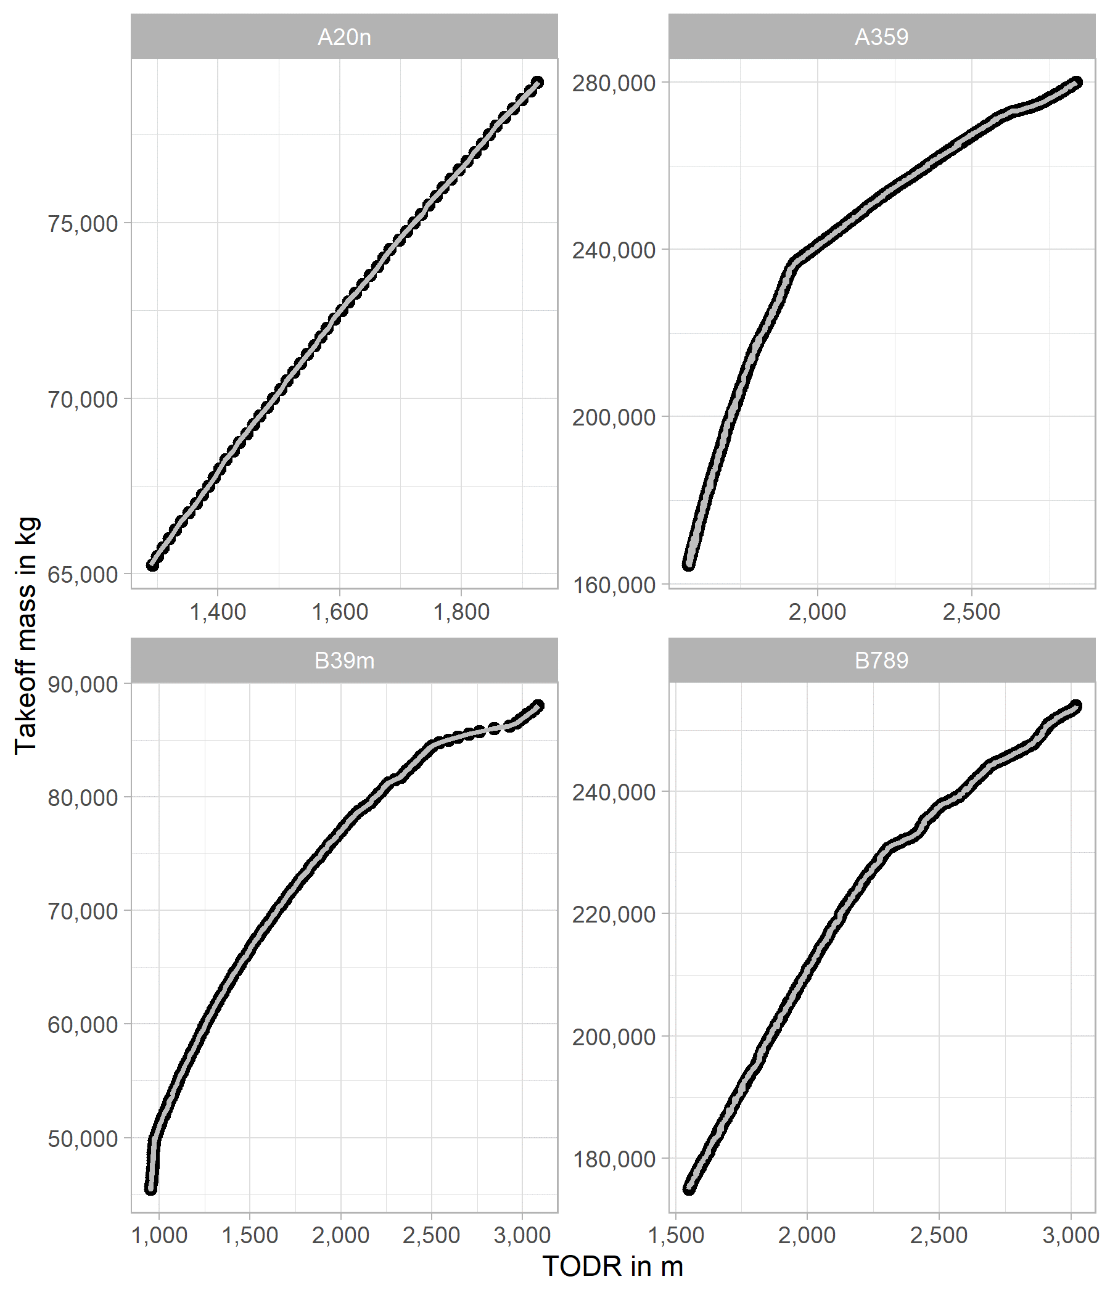

B
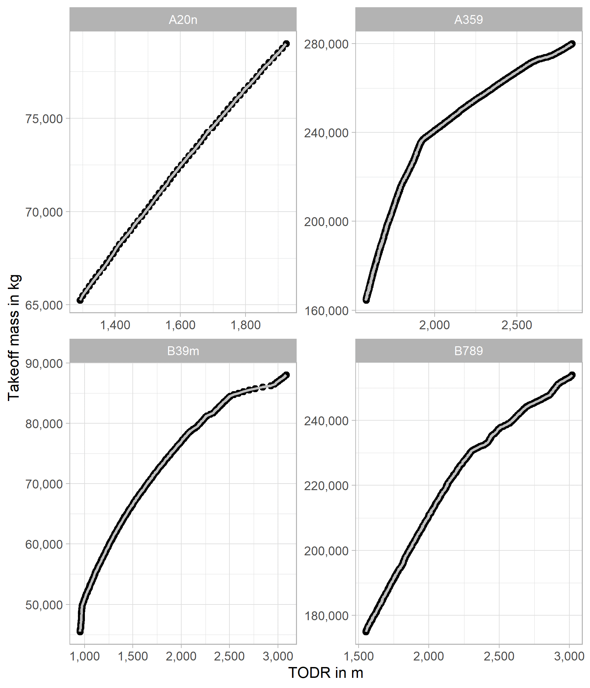

C


D
