UAT Test Plan
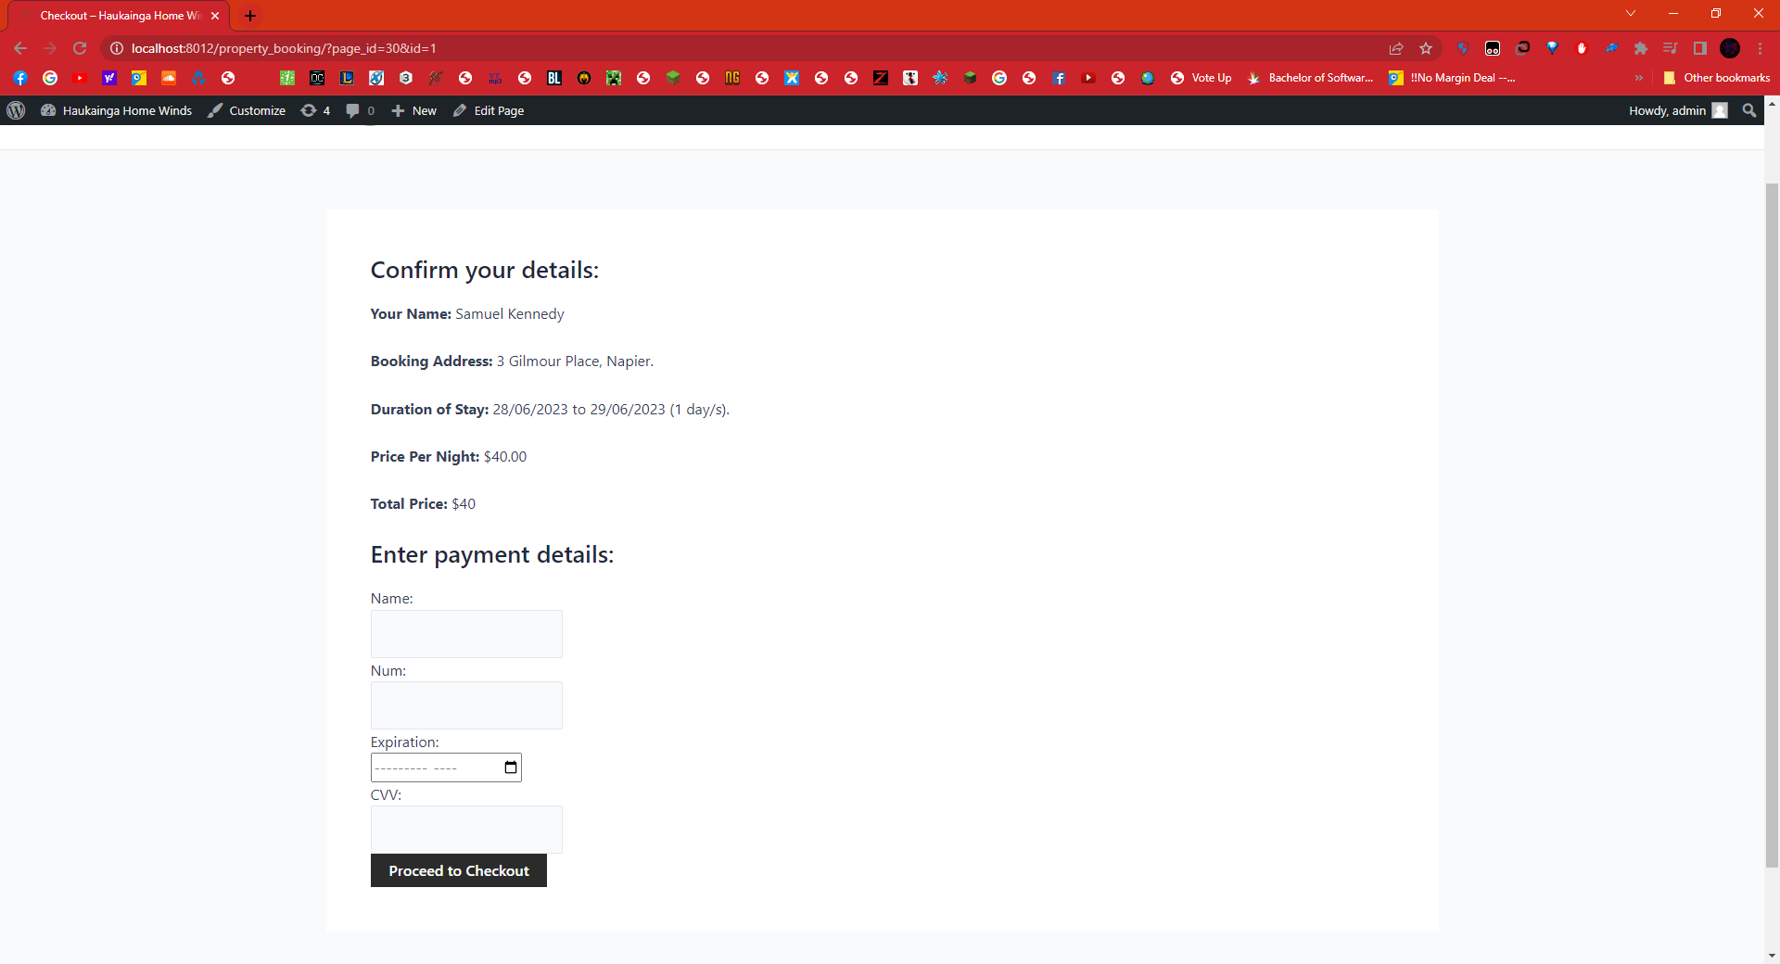
 |  | User Acceptance Test Plan
Project Name |  | Haukainga Home Winds
Testing Start Date / Time |  | 25/06/2023 5:00pm
Testing End Date / Time |  | 25/06/2023 10:00pm
Name of Tester/s: |  | Samuel Kennedy, Javarn Tromp de Haas

Test ID | Description of test cases | Steps To Execute | Test data | Expected Results/Behaviour | Observed Results/Behaviour | Pass/Fail | Defect/Comments/Additions
COMPONENT/MODULE 1: |  | The Main Screen
1 | Log in as valid user | - Enter in the username - Enter in the password | log@gmail.com, Pass: admin | Show the main screen | Sends a message that user 'Name' has been logged in | Pass | This feature has been implemented as saves the userID as a session to be used as bookings
2 | Creating a user account | Enter info into user form | N/A | Peforms form validation, if email already exists make user try again else shows the user account have been created. | Form validation works and correctly adds user into database | Pass | Correctly works, however could be added to future to log the user in straight away as a possibility.
3 | Log out | Presses the log out button | N/A | If a user is logged out clear the userSessionID as send a message they have been logged out. | Functions correctly. | Pass | The user is successfully logged out, but would be better if the welcome message was not still displayed after clicking the button.
4 | Book a property | - Click on property navigation - View property, -Click book, -Select arrivial and depature date, Click proceed to checkout, -Enter payment details, click proceed to checkout | N/A | Property page should show any booking information on it, should calculate booking price with discount. | Booking is added to the database. | Pass | Function seems to work without error, though styling of the page could be better to make it more user friendly.
5 | Cancel a booking | Access the bookings page, click cancel button. | Any booking | Booking should be removed from the database, and not be displayed on the bookings page anymore. | Booking is successfully removed from the database. | Pass | Happy with how this works. Functional and well styled.

ScreenShot evidence: Component 1
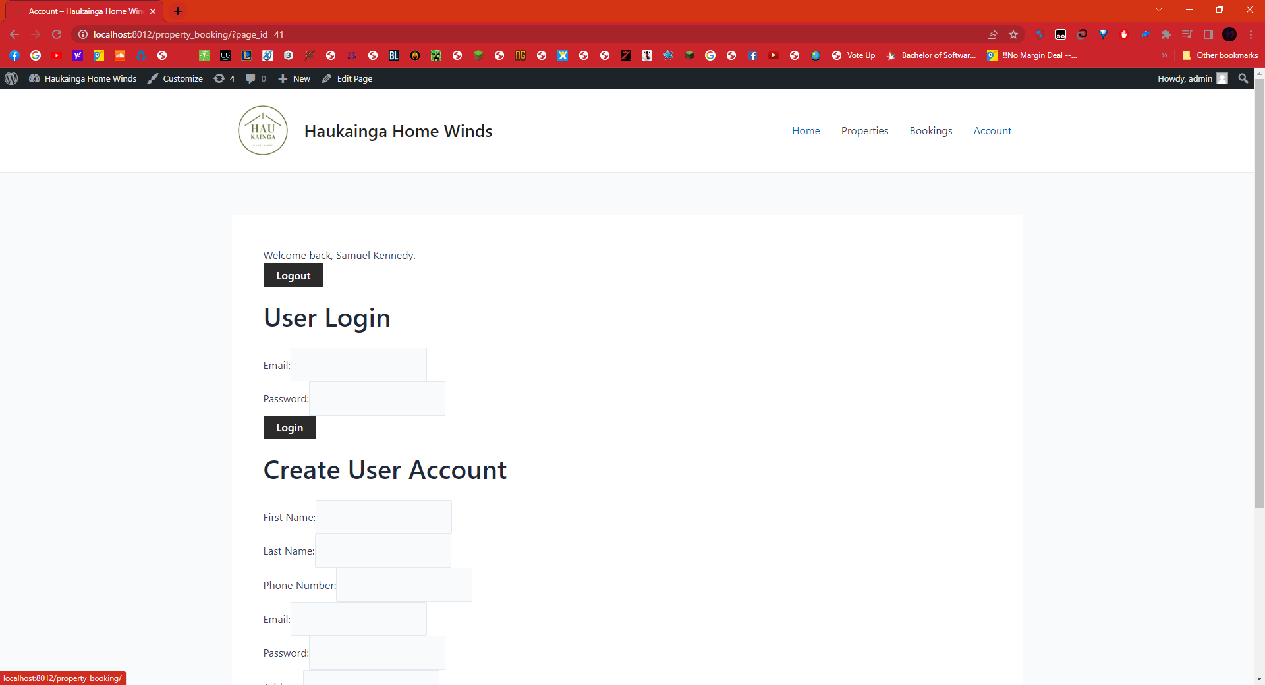

Component 2
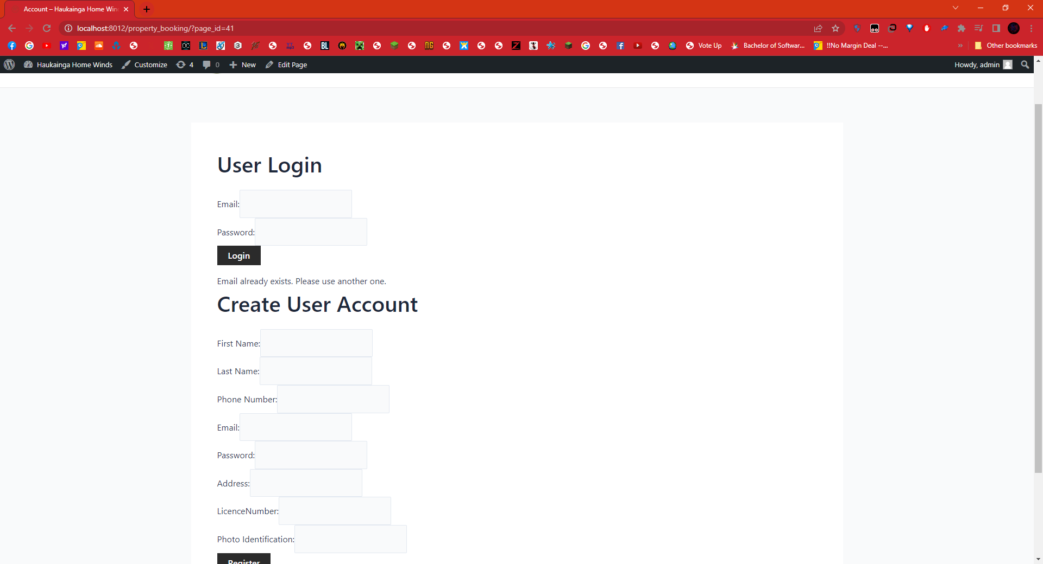

Component 3

Component 3
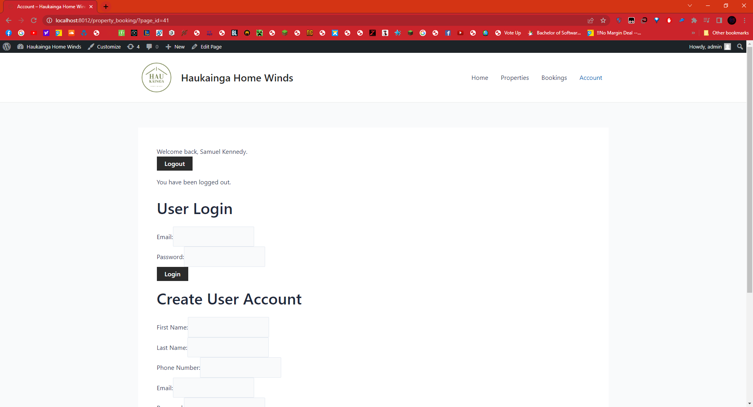

Component 4

