BOM
Item | Part Number | Thumbnail | BOM Structure | Unit QTY | QTY | Stock Number | Description | REV
22 | V5 Motor No Cap | 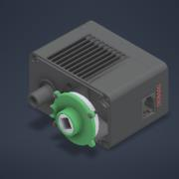 | Normal | Each | 6 |  | STEP AP214
11 | Teflon Washer-.04 | *Varies* | Normal | Each | 18
3 | Screw 8-32 Steel 2.500 | *Varies* | Normal | Each | 94
28 | Ramp Support | 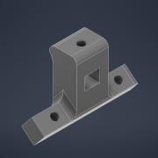 | Normal | Each | 2
27 | PolyRamp1 | 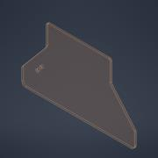 | Normal | Each | 1
23 | Part50-02 |  | Normal | Each | 2
10 | Nylon Spacer .5 OD-.125 |  | Normal | Each | 14
14 | Nylon Spacer .375 OD-.125 |  | Normal | Each | 4
5 | Nut 8-32 THIN Nylock | 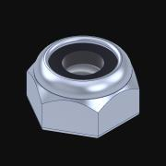 | Normal | Each | 22 |  | Nylock nuts have internal nylon lock.
25 | HardStop | 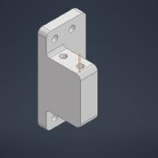 | Normal | Each | 2
26 | Funnel_MIR | 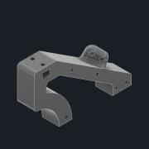 | Normal | Each | 1
24 | Funnel | 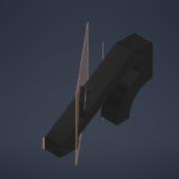 | Normal | Each | 1
7 | DriveGear2 | 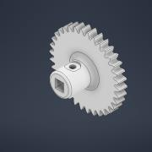 | Normal | Each | 8
4 | DriveGear1 | 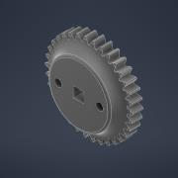 | Normal | Each | 6
19 | CombinedMotorMount_MIR | 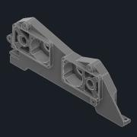 | Normal | Each | 1
17 | CombinedMotorMount | 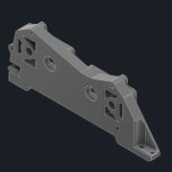 | Normal | Each | 1
21 | Clamp | 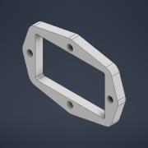 | Normal | Each | 4
15 | CapOriginal | 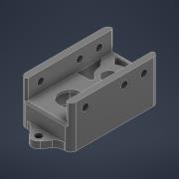 | Normal | Each | 4
2 | Alu C 1x3x1x35 | 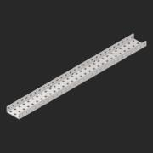 | Normal | Each | 1
1 | Alu C 1x2x1x35 | *Varies* | Normal | Each | 8
8 | 6P Sprocket | 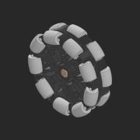 | Normal | Each | 6
20 | 3rdAnd4thGearMount_MIR | 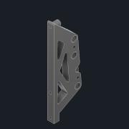 | Normal | Each | 1
16 | 3rdAnd4thGearMount | 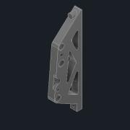 | Normal | Each | 1
13 | 276-1209-001 | 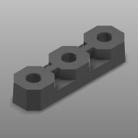 | Normal | Each | 8
12 | 275-1027-001 | 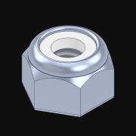 | Normal | Each | 158 |  | Nylock nuts have internal nylon lock.
6 |  | 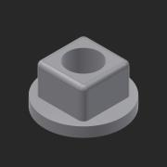 | Normal | Each | 9 |  | Round-hole inserts to build free spinning idler gears.
9 |  | 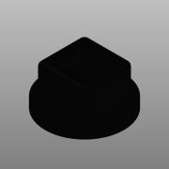 | Normal | Each | 16
18 |  | 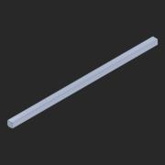 | Normal | Each | 8 |  | STEP AP203 | ANY

