BOM
Item | Part Number | Thumbnail | BOM Structure | Unit QTY | QTY | Stock Number | Description | REV
10 | Teflon Washer-.04 | *Varies* | Normal | Each | 9
2 | Screw 8-32 Steel 2.500 | *Varies* | Normal | Each | 33
9 | Nylon Spacer .5 OD-.125 | 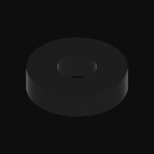 | Normal | Each | 6
13 | Nylon Spacer .375 OD-.125 |  | Normal | Each | 2
4 | Nut 8-32 THIN Nylock | 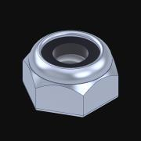 | Normal | Each | 11 |  | Nylock nuts have internal nylon lock.
6 | DriveGear2 | 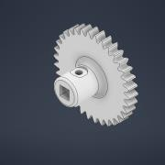 | Normal | Each | 4
3 | DriveGear1 | 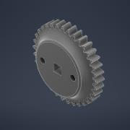 | Normal | Each | 3
17 | CombinedMotorMount | 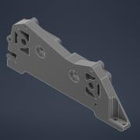 | Normal | Each | 1
14 | CapOriginal | 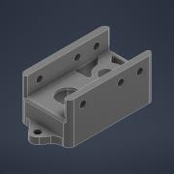 | Normal | Each | 2
1 | Alu C 1x2x1x35 | 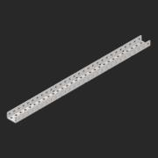 | Normal | Each | 2
7 | 6P Sprocket | 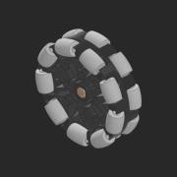 | Normal | Each | 3
16 | 3rdAnd4thGearMount | 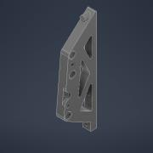 | Normal | Each | 1
12 | 276-1209-001 | 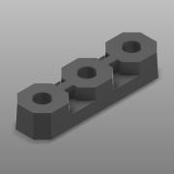 | Normal | Each | 4
11 | 275-1027-001 | 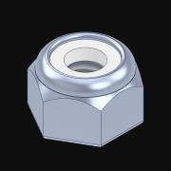 | Normal | Each | 48 |  | Nylock nuts have internal nylon lock.
5 |  | 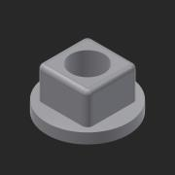 | Normal | Each | 6 |  | Round-hole inserts to build free spinning idler gears.
8 |  | 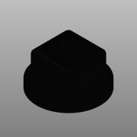 | Normal | Each | 8
15 |  | 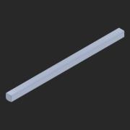 | Normal | Each | 1 |  | STEP AP203 | ANY
18 |  | 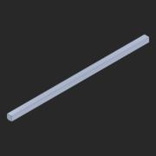 | Normal | Each | 3 |  | STEP AP203 | ANY

