Monthly Check-In
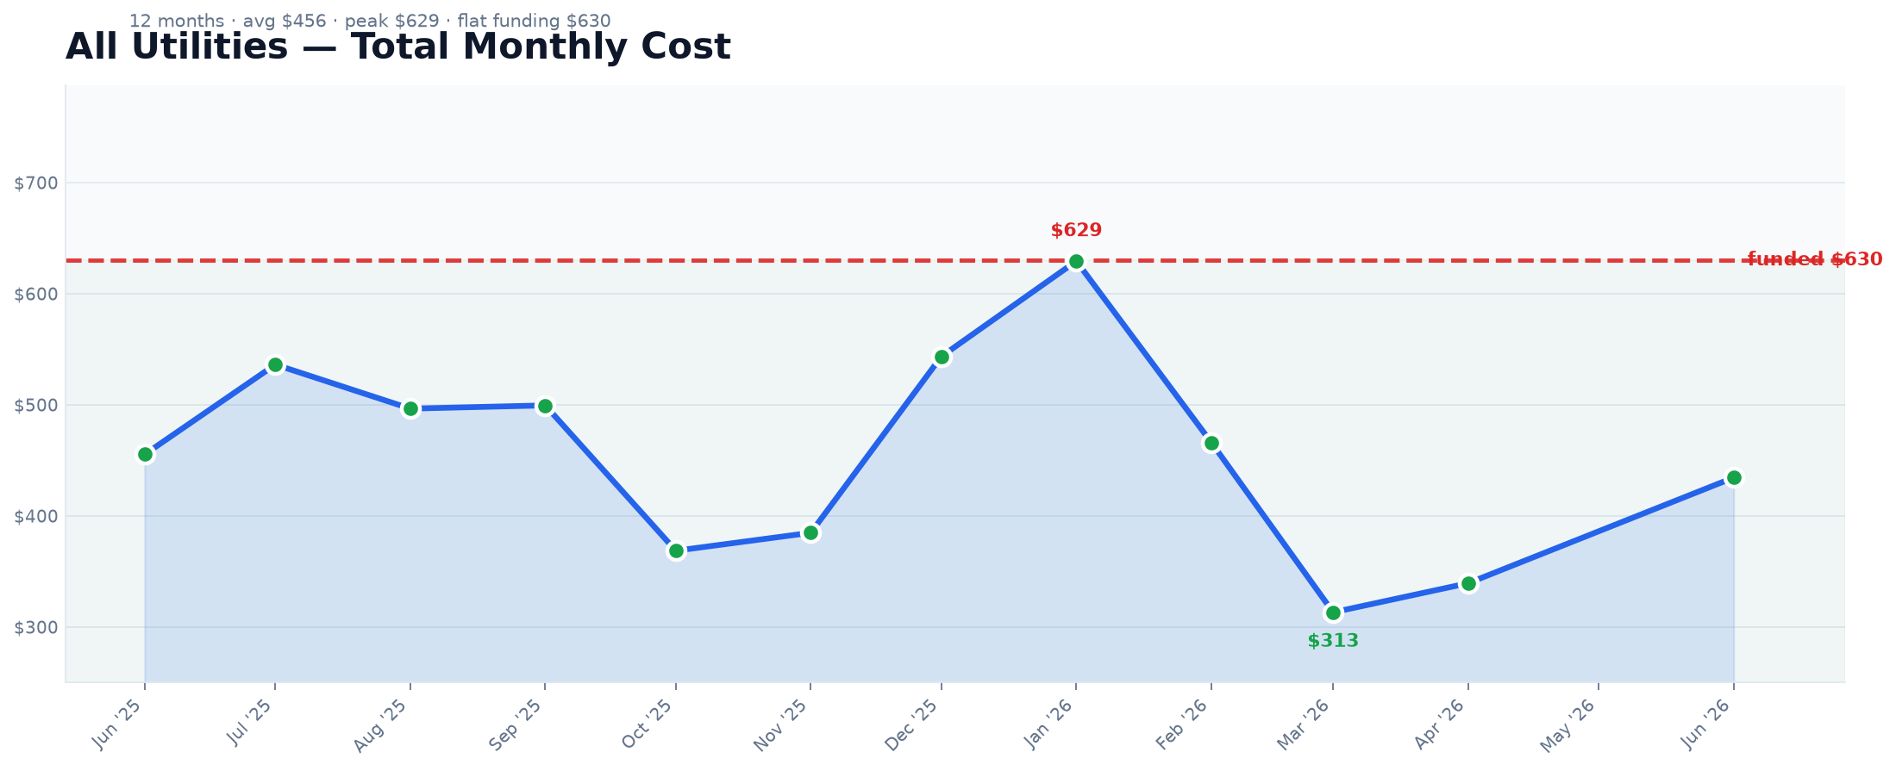
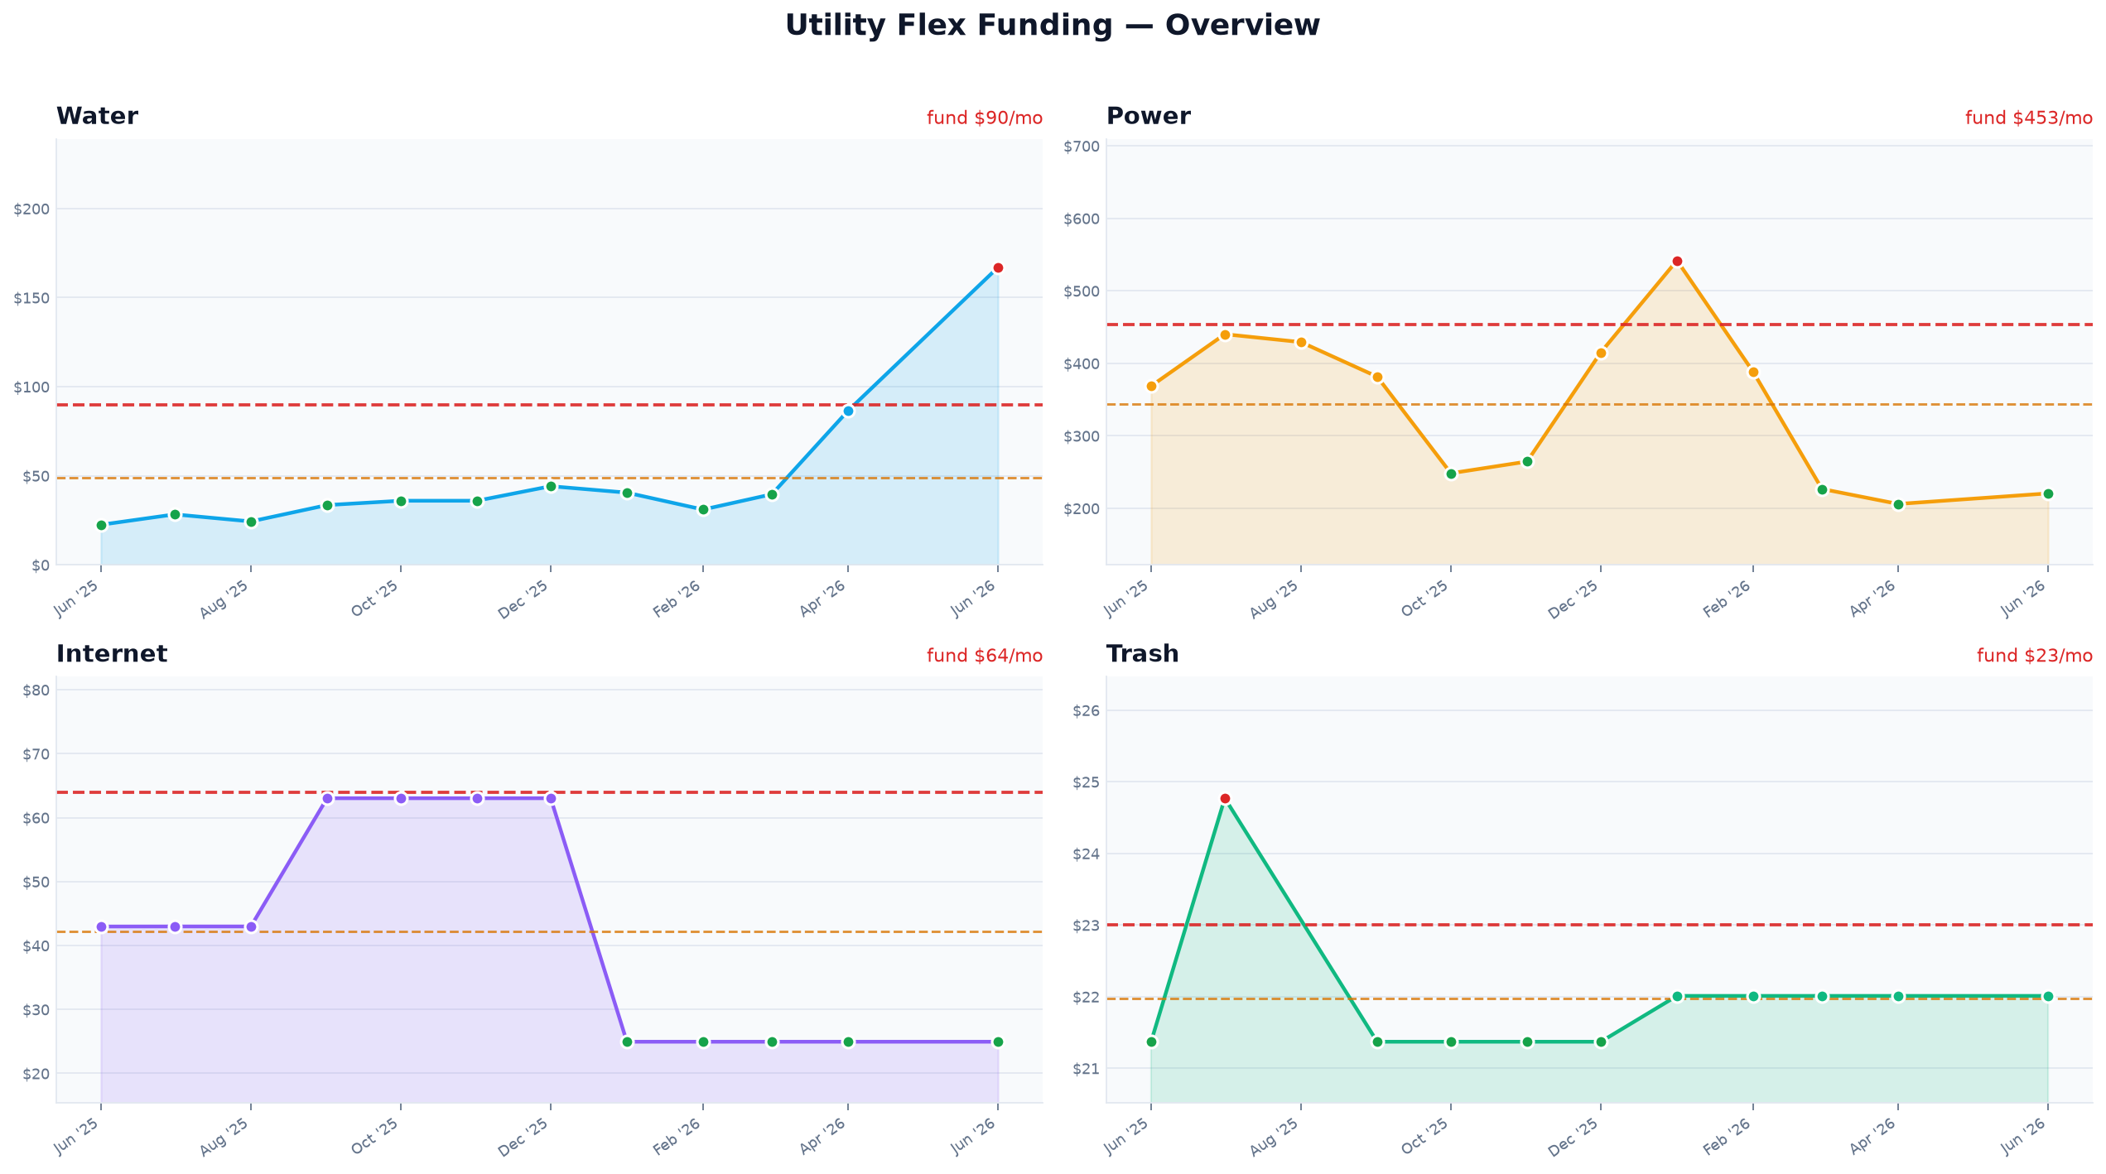
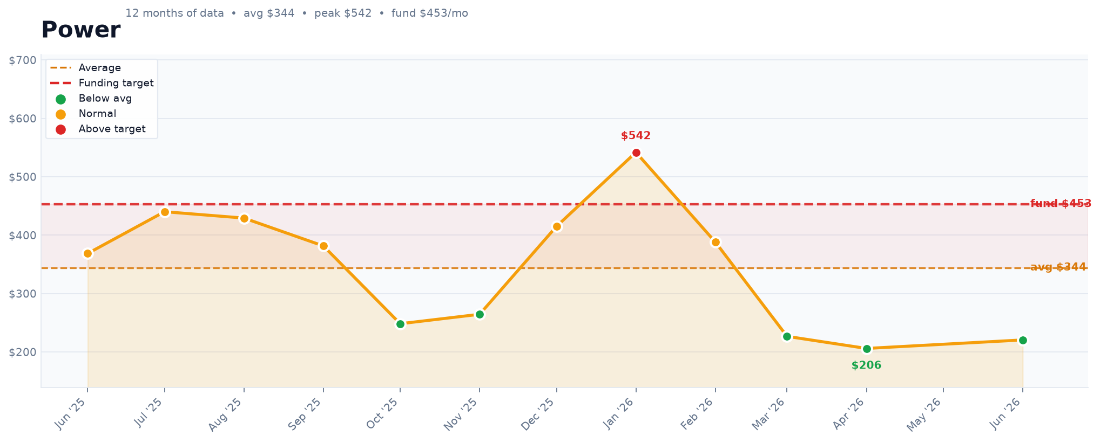
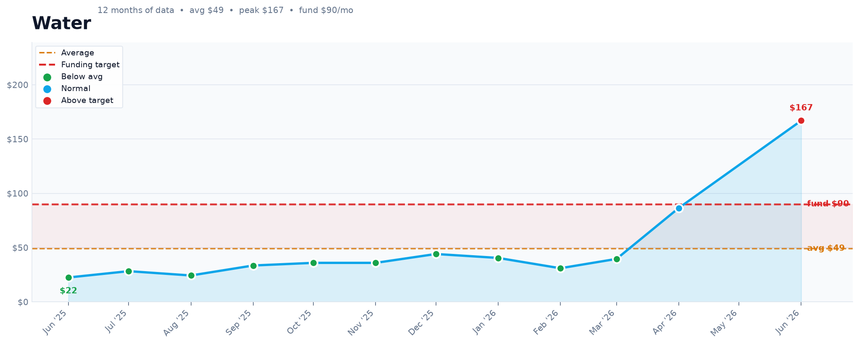
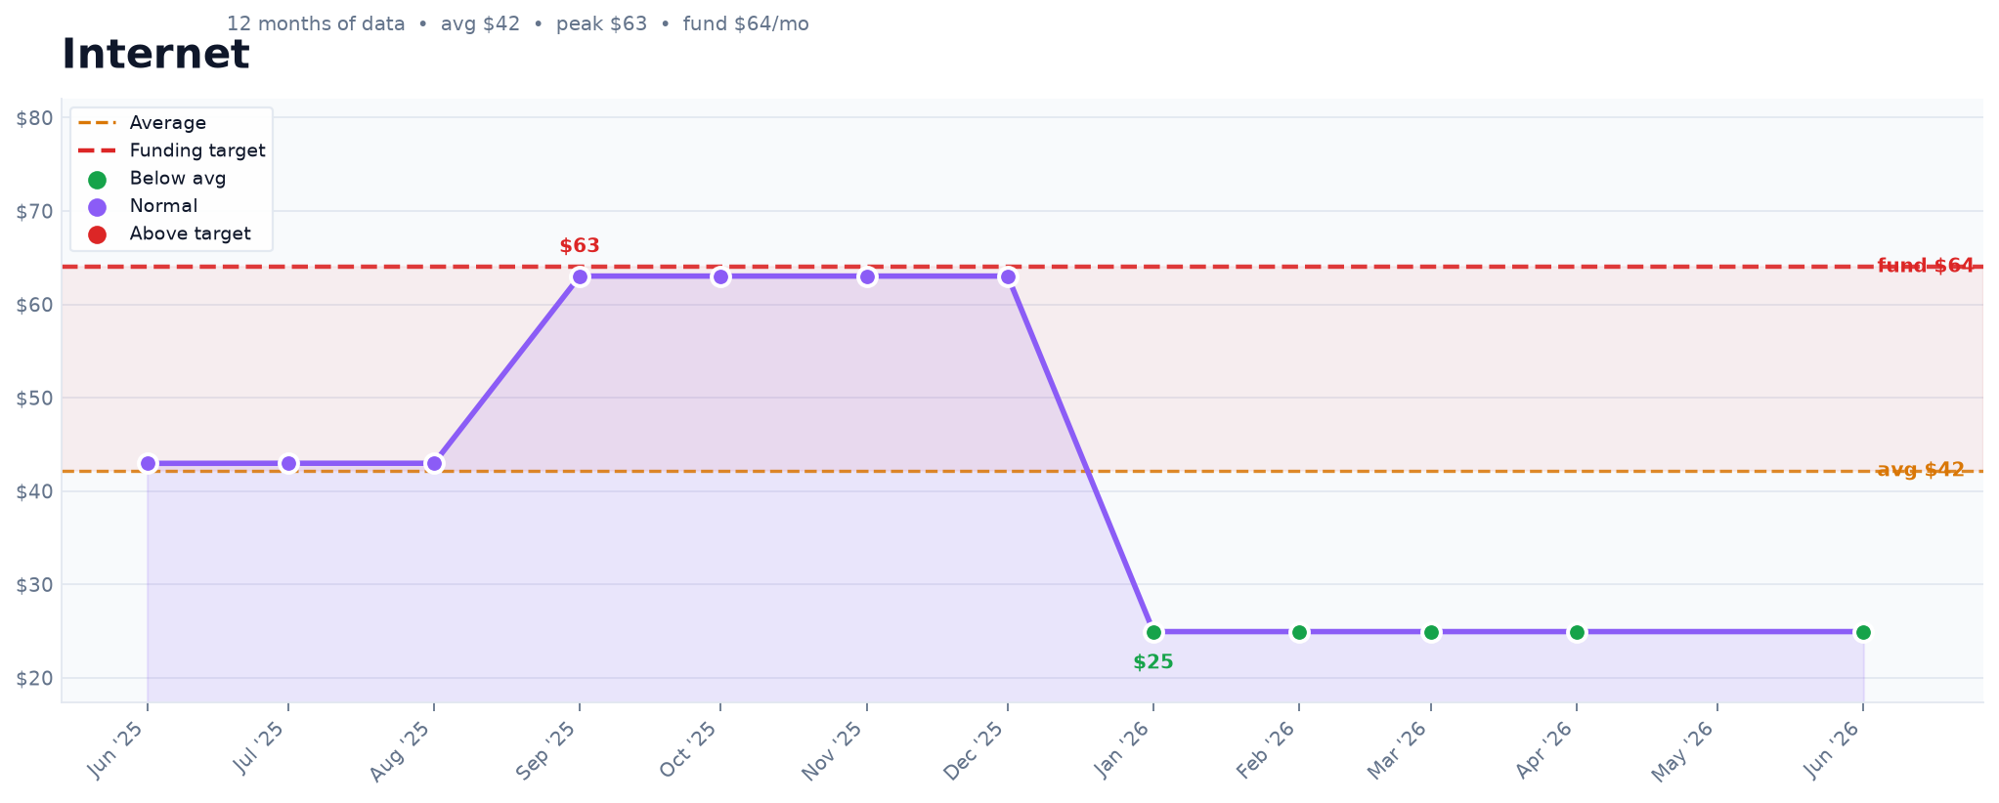
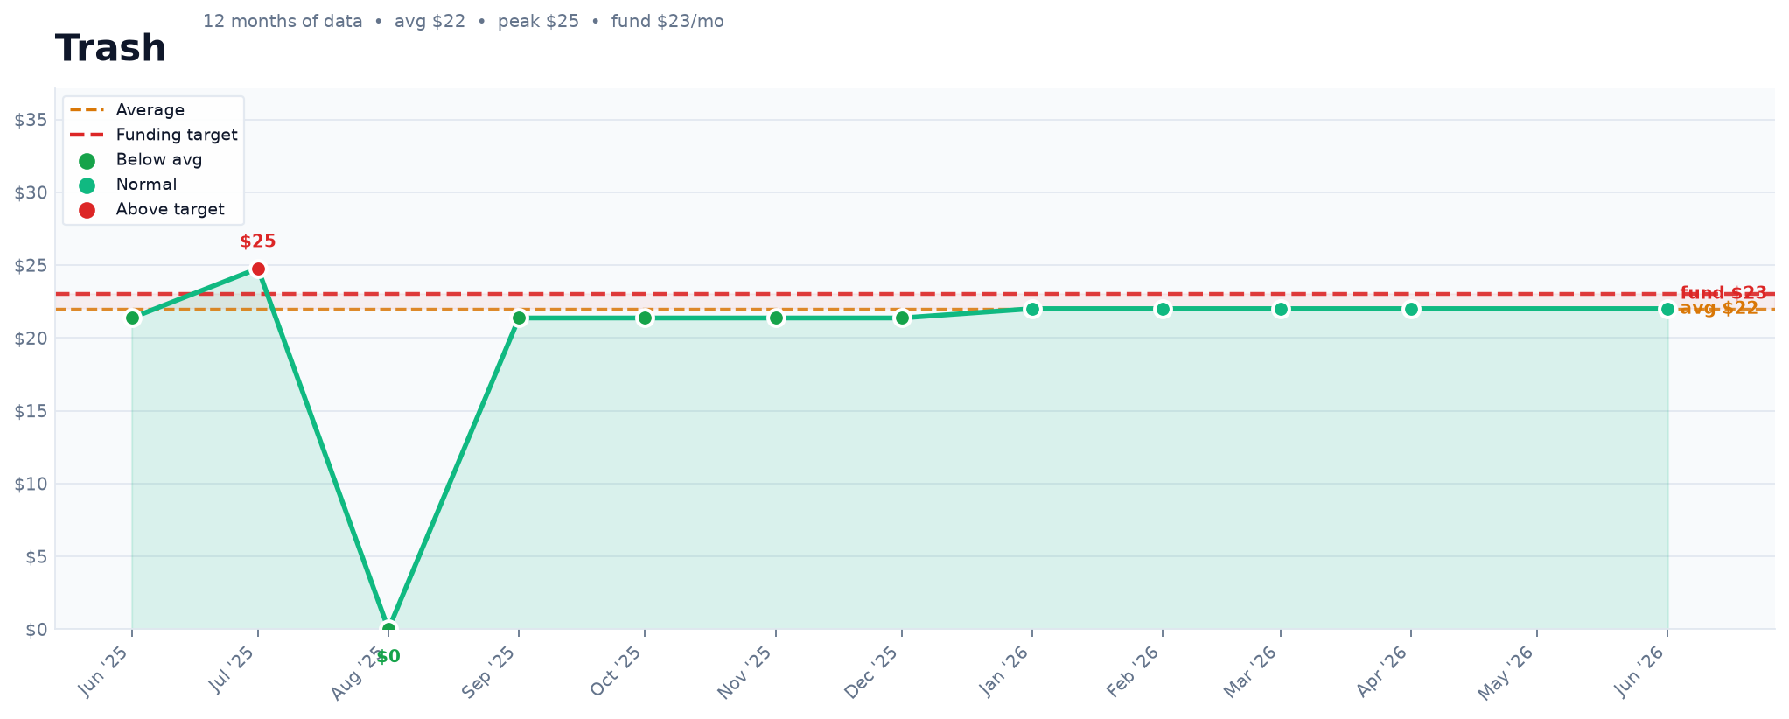
MONTHLY CHECK-IN & SWEEP LOG
Fund $630 flat every month · fill in actual bills · green = surplus sweep to savings · red = buffer drawn

Month | Water | Power | Internet | Trash | Total Actual | Funded | Net (+/−) | Buffer Bal | → Savings | Notes
Jun '25 | $22.50 | $368.62 | $42.97 | $21.37 |  | $630.00
Jul '25 | $28.32 | $440.17 | $42.98 | $24.77 |  | $630.00
Aug '25 | $24.35 | $429.27 | $42.98 |  |  | $630.00
Sep '25 | $33.54 | $381.57 | $63.03 | $21.37 |  | $630.00
Oct '25 | $35.97 | $248.35 | $63.03 | $21.37 |  | $630.00
Nov '25 | $35.97 | $264.50 | $63.03 | $21.37 |  | $630.00
Dec '25 | $44.13 | $415.04 | $63.03 | $21.37 |  | $630.00
Jan '26 | $40.52 | $541.90 | $24.95 | $22.01 |  | $630.00
Feb '26 | $31.02 | $388.23 | $24.95 | $22.01 |  | $630.00
Mar '26 | $39.61 | $226.71 | $24.95 | $22.01 |  | $630.00
Apr '26 | $86.50 | $206.01 | $24.95 | $22.01 |  | $630.00
May '26 |  |  |  |  |  | $630.00
Jun '26 | $166.96 | $220.59 | $24.95 | $22.01 |  | $630.00
Jul '26 |  |  |  |  |  | $630.00
Aug '26 |  |  |  |  |  | $630.00
Sep '26 |  |  |  |  |  | $630.00
Oct '26 |  |  |  |  |  | $630.00
Nov '26 |  |  |  |  |  | $630.00
Dec '26 |  |  |  |  |  | $630.00
Jan '27 |  |  |  |  |  | $630.00
Feb '27 |  |  |  |  |  | $630.00
Mar '27 |  |  |  |  |  | $630.00
Apr '27 |  |  |  |  |  | $630.00
May '27 |  |  |  |  |  | $630.00
Jun '27 |  |  |  |  |  | $630.00
Jul '27 |  |  |  |  |  | $630.00
Aug '27 |  |  |  |  |  | $630.00
Sep '27 |  |  |  |  |  | $630.00
Oct '27 |  |  |  |  |  | $630.00
Nov '27 |  |  |  |  |  | $630.00
Dec '27 |  |  |  |  |  | $630.00

TOTALS
AVERAGES

