CLUSTER PINOUT
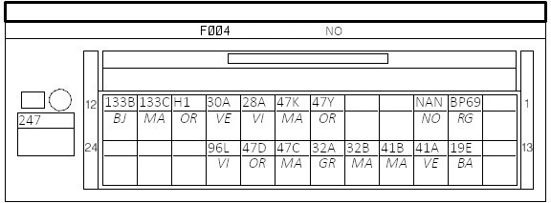
247 - INSTRUMENT CLUSTER
247 | NO | Pin# | Module | Pin | Size | Colour | Custom | Signal | Signal label
 |  | 1 |  |  | 0.35 |  |  | -- |  |  | F004
 |  | 2 | 260 |  | 0.35 | RG | RED | BP69 | PROTECTED BATTERY FEED > INSTRUMENT PANEL > ECU + | Power on all the time
 |  | 3 | NAN |  | 0.35 | NO | BLACK | NAN | RIGHT-HAND UPPER DASHBOARD CROSS MEMBER ELECTRONIC EARTH | Ground
 |  | 4 |  |  | 0.35 |  |  | --
 |  | 5 |  |  | 0.35 |  |  | --
 |  | 6 | 145 | 2 | 0.35 | OR |  | 47Y | DRIVING ASSISTANCE DISPLAY + CONTROL | Stalk button upper, switch to ground
 |  | 7 | 145 | 3 | 0.35 | MA |  | 47K | DRIVING ASSISTANCE DISPLAY - CONTROL | Stalk button lower, switch to ground
 |  | 8 | 205 |  | 0.35 | VI |  | 28A | OIL PRESSURE WARNING LIGHT - CONTROL | Ground NC - Low pressure = open circuit
 |  | 9 | 207 | 2 | 0.35 | VE |  | 30A | BRAKE FLUID LEVEL WARNING LIGHT - CONTROL | Ground NO - Low brake fluid = closed circuit
 |  | 10 | 156 |  | 0.50 | OR |  | H1 | HANDBRAKE WARNING LIGHT - CONTROL > BRAKE FLUID LEVEL | Ground NC - Handbrake on = closed circuit
 |  | 11 | 225 |  | 0.35 | MA | BLU | 133C | INSTRUMENT PANEL CAN L SIGNAL > COMPUTER | Main CANBus
 |  | 12 | 225 |  | 0.35 | BJ | YEL | 133B | INSTRUMENT PANEL CAN H SIGNAL > COMPUTER
 |  | 13 |  |  | 0.35 |  |  | --
 |  | 14 | 1390 | 2 | 0.35 | BA |  | 19E | MAIN BEAM HEADLIGHTS - CONTROL > DIMMER | Resistance based, brightness
 |  | 15 | 833 | 4 | 0.35 | VE |  | 41A | FUEL LEVEL SENDER + SIGNAL | Resistance based
 |  | 16 | 833 | 2 | 0.35 | MA |  | 41B | FUEL LEVEL -
 |  | 17 | 243 | 2 | 0.35 | MA |  | 32B | OIL LEVEL SENSOR SIGNAL 1 | Resistance based
 |  | 18 | 243 | 1 | 0.35 | GR |  | 32A | OIL LEVEL SENSOR SIGNAL 2
 |  | 19 | 239|240 |  | 0.35 | MA |  | 47C | EXTERNAL TEMPERATURE SENSOR + SIGNAL | Resistance based
 |  | 20 | 239|240 |  | 0.35 | OR |  | 47D | EXTERNAL TEMPERATURE SENSOR ZERO VOLTS SIGNAL
 |  | 21 | 1601 | 4 | 0.35 | VI |  | 96L | DRIVER'S SEATBELT REMINDER LIGHT CONTROL | Positive control
 |  | 22 |  |  | 0.35 |  |  | --
 |  | 23 |  |  | 0.35 |  |  | --
 |  | 24 |  |  | 0.35 |  |  | --

