CLUSTER PINOUT
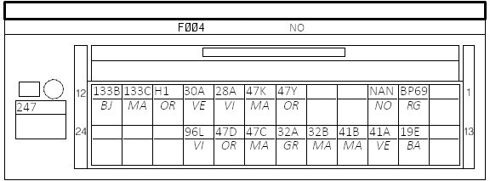
247 - INSTRUMENT CLUSTER
247 | NO | Pin# | Module | Pin | Size | Colour | Custom | Signal | Signal label
 |  | 1 |  |  | 0.35 |  |  | -- |  |  | F004
 |  | 2 | 260 |  | 0.35 | RG | RED | BP69 | PROTECTED BATTERY FEED > INSTRUMENT PANEL > ECU + | Power on all the time
 |  | 3 | NAN |  | 0.35 | NO | BLACK | NAN | RIGHT-HAND UPPER DASHBOARD CROSS MEMBER ELECTRONIC EARTH | Ground
 |  | 4 |  |  | 0.35 |  |  | --
 |  | 5 |  |  | 0.35 |  |  | --
 |  | 6 | 145 | 2 | 0.35 | OR | GREEN | 47Y | DRIVING ASSISTANCE DISPLAY + CONTROL | Stalk button upper, switch to ground
 |  | 7 | 145 | 3 | 0.35 | MA | BLUE | 47K | DRIVING ASSISTANCE DISPLAY - CONTROL | Stalk button lower, switch to ground
 |  | 8 | 205 |  | 0.35 | VI | YEL | 28A | OIL PRESSURE WARNING LIGHT - CONTROL | Ground NC - Low pressure = open circuit
 |  | 9 | 207 | 2 | 0.35 | VE | RED | 30A | BRAKE FLUID LEVEL WARNING LIGHT - CONTROL | Ground NO - Low brake fluid = closed circuit
 |  | 10 | 156 |  | 0.50 | OR | WHITE | H1 | HANDBRAKE WARNING LIGHT - CONTROL > BRAKE FLUID LEVEL | Ground NC - Handbrake on = closed circuit
 |  | 11 | 225 |  | 0.35 | MA | BLU | 133C | INSTRUMENT PANEL CAN L SIGNAL > COMPUTER | Main CANBus
 |  | 12 | 225 |  | 0.35 | BJ | YEL | 133B | INSTRUMENT PANEL CAN H SIGNAL > COMPUTER
 |  | 13 |  |  | 0.35 |  |  | --
 |  | 14 | 1390 | 2 | 0.35 | BA |  | 19E | MAIN BEAM HEADLIGHTS - CONTROL > DIMMER | Resistance based, brightness
 |  | 15 | 833 | 4 | 0.35 | VE | RED | 41A | FUEL LEVEL SENDER + SIGNAL | Resistance based
 |  | 16 | 833 | 2 | 0.35 | MA | GREEN | 41B | FUEL LEVEL -
 |  | 17 | 243 | 2 | 0.35 | MA |  | 32B | OIL LEVEL SENSOR SIGNAL - | Resistance based
 |  | 18 | 243 | 1 | 0.35 | GR |  | 32A | OIL LEVEL SENSOR SIGNAL +
 |  | 19 | 239|240 |  | 0.35 | MA | RED | 47C | EXTERNAL TEMPERATURE SENSOR + SIGNAL | Resistance based
 |  | 20 | 239|240 |  | 0.35 | OR | BLUE | 47D | EXTERNAL TEMPERATURE SENSOR ZERO VOLTS SIGNAL
 |  | 21 | 1601 | 4 | 0.35 | VI | WHITE | 96L | DRIVER'S SEATBELT REMINDER LIGHT CONTROL | Positive control
 |  | 22 |  |  | 0.35 |  |  | --
 |  | 23 |  |  | 0.35 |  |  | 133C | CAN L SIGNAL LOOP OUT
 |  | 24 |  |  | 0.35 |  |  | 133B | CAN H SIGNAL LOOP OUT

PI PINOUT
Pinout |  |  |  |  |  | Pins needed |  |  | 13 | Function |  |  |  | 13
Used | Function | Pin |  | Function | Used | Function | Direction | Comments |  | Function | Pin | Used | Type |  | 3.3v
 | 3V3 Power | 1 | 2 | 5V Power |  | Oil Pressure Warning Light | IN | Via Arduino - Ground NC - Low pressure open circuit |  | 3V3 Power | 1 |  | 3.3v |  | 5v
 | GPIO 2 (SDA) | 3 | 4 | 5V Power |  | Brake Fluid Warning Light | IN | Via Arduino - Ground NO - Low brake fluid closed circuit |  | 5V Power | 2 |  | 5v |  | GND
 | GPIO 3 (SCL) | 5 | 6 | Ground |  | Handbrake Light | IN | Via Arduino - Ground NC - Handbrake on closed circuit |  | GPIO 2 (I2C_SDA) | 3 |  | I2C |  | I2C
CAN Hat | GPIO 4 (GPCLK0) | 7 | 8 | GPIO 14 (TXD) | CAN Hat | FUEL Level Sender + |  | Via Arduino |  | 5V Power | 4 |  | 5v |  | General
 | Ground | 9 | 10 | GPIO 15 (RXD) | CAN Hat | FUEL Level Sender - |  |  |  | GPIO 3 (I2C_SCL) | 5 |  | I2C |  | UART
FAN | GPIO 17 | 11 | 12 | GPIO 18 (PCM_CLK) |  | OIL Level Sender + |  | Via Arduino |  | Ground | 6 |  | GND |  | SPI
AIRBG | GPIO 27 | 13 | 14 | Ground |  | OIL Level Sender - |  |  |  | GPIO 4 (GPCLK0) | 7 | CAN Hat | General |  | PCM
 | GPIO 22 | 15 | 16 | GPIO 23 |  | External Temp + |  | Via Arduino |  | GPIO 14 (UART_TXD) | 8 | CAN Hat | UART
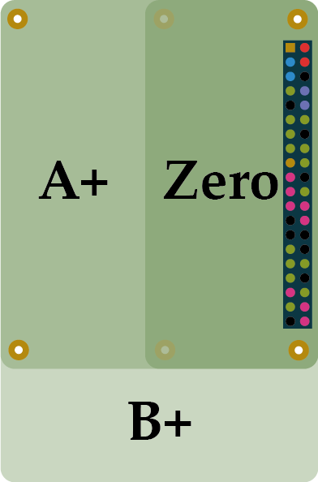
 | 3V3 Power | 17 | 18 | GPIO 24 |  | External Temp - |  |  |  | Ground | 9 |  | GND
CAN Hat | GPIO 10 (MOSI) | 19 | 20 | Ground |  | Stalk Button UP | IN | Via Arduino - Ground switched |  | GPIO 15 (UART_RXD) | 10 | CAN Hat | UART
CAN Hat | GPIO 9 (MISO) | 21 | 22 | GPIO 25 | CAN Hat | Stalk Button DOWN | IN | Via Arduino - Ground switched |  | GPIO 17 | 11 |  | General
CAN Hat | GPIO 11 (SCK) | 23 | 24 | GPIO 8 (CE0) | CAN Hat | Driver Airbag Light | OUT | Positive control |  | GPIO 18 (PCM_CLK) | 12 |  | PCM
 | Ground | 25 | 26 | GPIO 7 (CE1) |  | Onboard Fan Control | OUT | 5V Positive Controlled relay board |  | GPIO 27 | 13 |  | General
 | GPIO 0 (ID_SD) | 27 | 28 | GPIO 1 (ID_SC) |  |  |  |  |  | Ground | 14 |  | GND
 | GPIO 5 | 29 | 30 | Ground |  |  |  |  |  | GPIO 22 | 15 |  | General
 | GPIO 6 | 31 | 32 | GPIO 12 (PWM0) |  |  |  |  |  | GPIO 23 | 16 |  | General
 | GPIO 13 (PWM1) | 33 | 34 | Ground |  |  |  |  |  | 3V3 Power | 17 |  | 3.3v
 | GPIO 19 (PCM_FS) | 35 | 36 | GPIO 16 |  |  |  |  |  | GPIO 24 | 18 |  | General
 | GPIO 26 | 37 | 38 | GPIO 20 (PCM_DIN) |  |  |  |  |  | GPIO 10 (SPI0_MOSI) | 19 | CAN Hat | SPI
 | Ground | 39 | 40 | GPIO 21 (PDM_DOUT) |  |  |  |  |  | Ground | 20 |  | GND
 |  |  |  |  |  |  |  |  |  | GPIO 9 (SPI0_MISO) | 21 | CAN Hat | SPI
 |  |  |  |  |  | USB DEVICES |  |  |  | GPIO 25 | 22 | CAN Hat | General
 |  |  |  |  |  | USB 2.0 | LOGITECH KEYBOARD RECIEVER |  |  | GPIO 11 (SPI0_SCLK) | 23 | CAN Hat | SPI
 |  |  |  |  |  | USB 2.0 | GPS MODULE |  |  | GPIO 8 (CE0) | 24 | CAN Hat | SPI
 |  |  |  |  |  |  |  |  |  | Ground | 25 |  | GND
 |  |  |  |  |  | USB 3.0 | ARDUINO SERIAL CONNECTION |  |  | GPIO 7 (CE1) | 26 |  | SPI
 |  |  |  |  |  | USB 3.0 | WAVESHARE TOUCHSCREEN CONNECTION |  |  | GPIO 0 (EEPROM_SDA) | 27 |  | I2C
 |  |  |  |  |  |  |  |  |  | GPIO 1 (EEPROM_SCL) | 28 |  | I2C
 |  |  |  |  |  |  |  |  |  | GPIO 5 | 29 |  | General
 |  |  |  |  |  |  |  |  |  | Ground | 30 |  | GND
 |  |  |  |  |  |  |  |  |  | GPIO 6 | 31 |  | General
 |  |  |  |  |  |  |  |  |  | GPIO 12 (PWM0) | 32 |  | General
 |  |  |  |  |  |  |  |  |  | GPIO 13 (PWM1) | 33 |  | General
 |  |  |  |  |  |  |  |  |  | Ground | 34 |  | GND
 |  |  |  |  |  |  |  |  |  | GPIO 19 (PCM_FS) | 35 |  | PCM
 |  |  |  |  |  |  |  |  |  | GPIO 16 | 36 |  | General
 |  |  |  |  |  |  |  |  |  | GPIO 26 | 37 |  | General
 |  |  |  |  |  |  |  |  |  | GPIO 20 (PCM_DIN) | 38 |  | PCM
 |  |  |  |  |  |  |  |  |  | Ground | 39 |  | GND
 |  |  |  |  |  |  |  |  |  | GPIO 21 (PDM_DOUT) | 40 |  | PCM

ARDUINO PINOUT
Pinout |  |  |  |  |  |  |  | Pins needed
Used |  |  |  | Pin |  |  | Used | Function | DIR | Comments
LED_BUILTIN |  |  |  | D13 | D12 | INT_PULLUP | STALK+ | Oil Pressure Warning Light | IN | Ground NC - Normal pressure grounded, Low Pressure 5V
 |  |  |  | 3V3 | D11 | INT_PULLUP | STALK- | Brake Fluid Warning Light | IN | Ground NO - Low brake fluid gounded
 |  |  |  | AREF | D10 |  | PWM | Handbrake Light | IN | Ground NC - Handbrake activated grounded
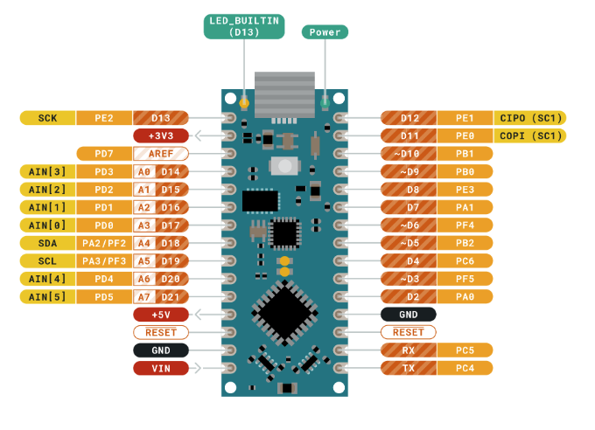
DIMMER | DIVIDER | 14.5V -> 5V | A0 | D14 | D9 |  | PWM | FUEL Level Sender + | PWR | 5V Supply with 2K Voltage Divider
FUEL LEVEL | DIVIDER 2K | 5V | A1 | D15 | D8 | INT_PULLUP | OIL PRESS | FUEL Level Sender - | IN
EXT TEMP | DIVIDER 2K | 5V | A2 | D16 | D7 | INT_PULLUP | BRAKE FLUID | OIL Level Sender + | PWR | 5V Supply with 2K Voltage Divider
OIL LEVEL | DIVIDER 2K | 5V | A3 | D17 | D6 |  | PWM | OIL Level Sender - | IN
 |  |  | A4 | D18 | D5 |  | PWM | External Temp + | PWR | 5V Supply with 2K Voltage Divider
 |  |  | A5 | D19 | D4 | INT_PULLUP | HANDBRAKE | External Temp - | IN
 |  |  | A6 | D20 | D3 |  | PWM | Stalk Button UP | IN | Grounded when pressed
 |  |  | A7 | D21 | D2 |  |  | Stalk Button DOWN | IN | Grounded when pressed
 |  |  |  | +5V | GND |  |  | DIMMER | IN | 12 - 15V assumed variable voltage
 |  |  |  | RST | RST
 |  |  |  | GND | TX
7 - 21V |  | 7 - 21V |  | VIN | RX

2K divider needs verifying that 2K is suitable

DIMMER is 12v (14.5)v LPE or Internal Lighting Activated with a Variable Potentiometer
Measure resistance and use minimum and maximum to determine suitable voltage divider setup

 |  |  |  |  | 1 | OIL SIG
 |  |  |  |  | 2 | OIL +
 |  |  |  |  | 3 | TEMP SIG
 |  |  |  |  | 4 | TEMP +
 |  |  |  |  | 5 | FUEL SIG
 |  |  |  |  | 6 | FUEL +

