Sheet1
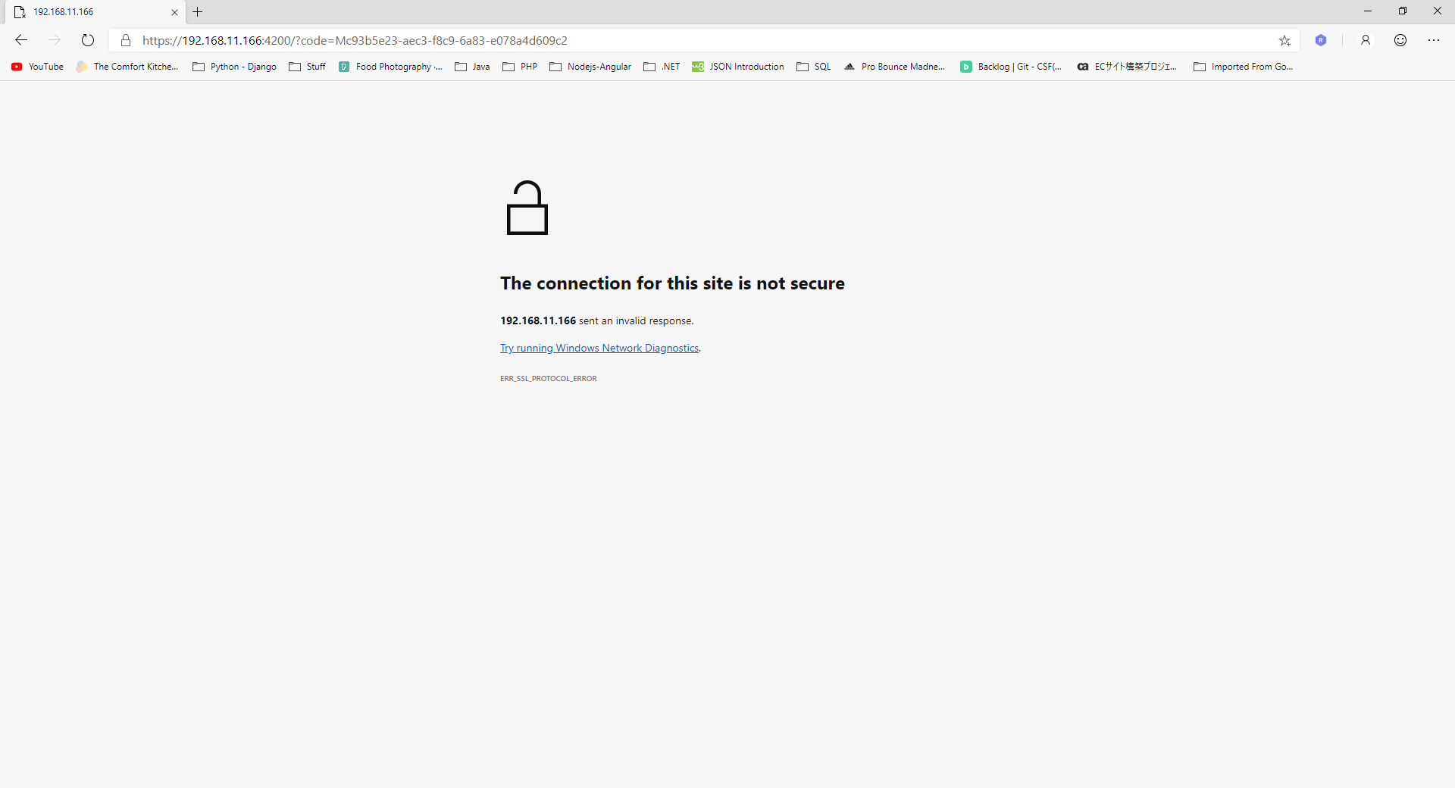
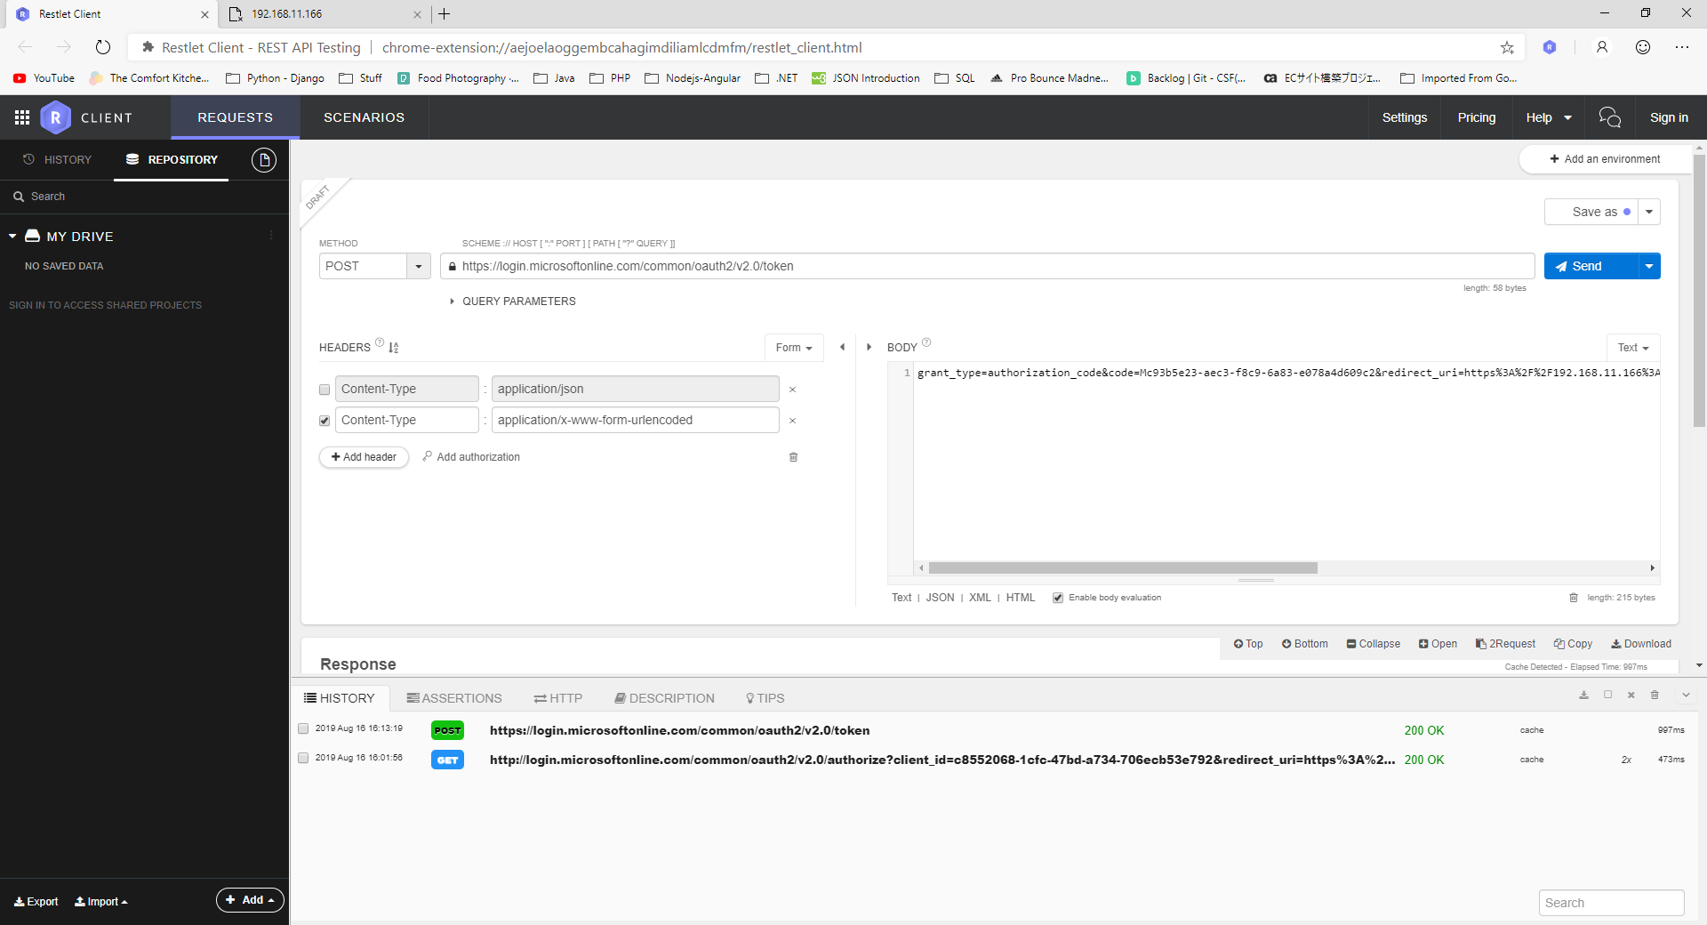
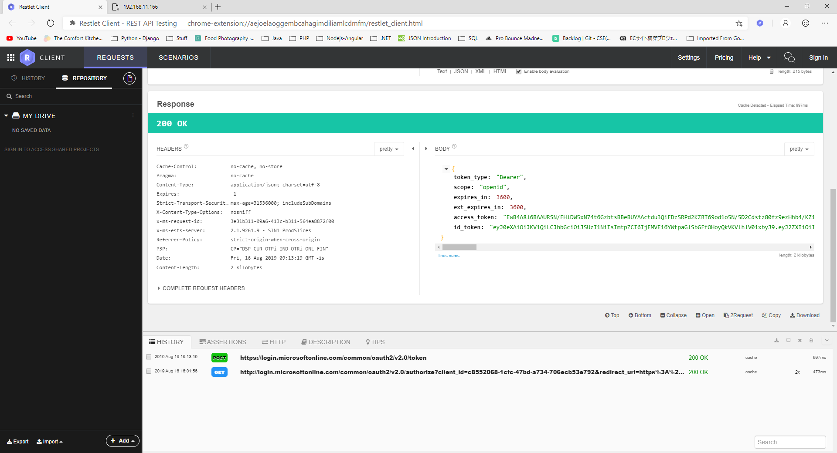
https://login.microsoftonline.com/common/oauth2/v2.0/authorize?client_id=c8552068-1cfc-47bd-a734-706ecb53e792&redirect_uri=https%3A%2F%2F192.168.11.166%3A4200&response_type=code&scope=openid+Calendars.ReadWrite.Shared

