UnemploymentReport
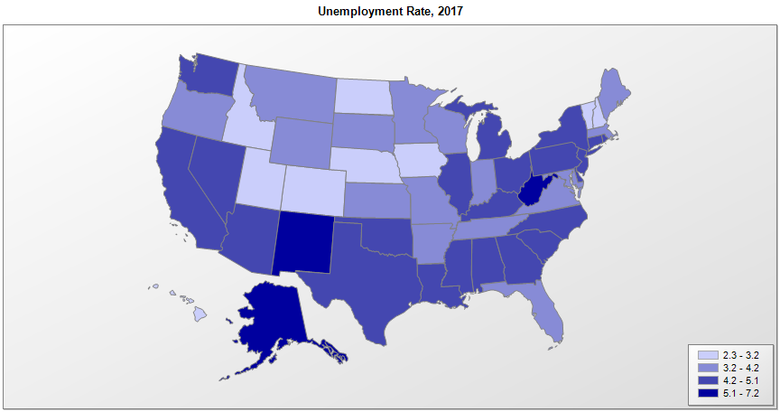
 |  | Unemployment Rate (percent)
FIPS | Name | 2009 | 2010 | 2011 | 2012 | 2013 | 2014 | 2015 | 2016 | 2017 | Median Household Income (2017)
01000 | Alabama | 11.0 | 10.5 | 9.6 | 8.0 | 7.2 | 6.8 | 6.1 | 5.9 | 4.4 | $48,193
02000 | Alaska | 7.7 | 7.9 | 7.6 | 7.1 | 7.0 | 6.9 | 6.5 | 6.9 | 7.2 | $74,058
04000 | Arizona | 9.9 | 10.4 | 9.5 | 8.3 | 7.7 | 6.8 | 6.1 | 5.4 | 4.9 | $56,508
05000 | Arkansas | 7.8 | 8.2 | 8.3 | 7.6 | 7.2 | 6.0 | 5.0 | 3.9 | 3.7 | $45,916
06000 | California | 11.2 | 12.2 | 11.7 | 10.4 | 8.9 | 7.5 | 6.2 | 5.5 | 4.8 | $71,785
08000 | Colorado | 7.3 | 8.7 | 8.4 | 7.9 | 6.9 | 5.0 | 3.9 | 3.3 | 2.8 | $69,113
09000 | Connecticut | 7.9 | 9.1 | 8.8 | 8.3 | 7.8 | 6.6 | 5.7 | 5.1 | 4.7 | $74,428
10000 | Delaware | 8.3 | 8.4 | 7.5 | 7.2 | 6.7 | 5.7 | 4.9 | 4.5 | 4.6 | $64,085
11000 | District of Columbia | 9.3 | 9.4 | 10.2 | 9.0 | 8.5 | 7.8 | 6.9 | 6.1 | 6.1 | $80,153
12000 | Florida | 10.4 | 11.1 | 10.0 | 8.5 | 7.2 | 6.3 | 5.5 | 4.8 | 4.2 | $52,582
13000 | Georgia | 9.9 | 10.5 | 10.2 | 9.2 | 8.2 | 7.1 | 6.0 | 5.4 | 4.7 | $56,117
15000 | Hawaii | 7.2 | 6.9 | 6.8 | 6.0 | 4.9 | 4.4 | 3.6 | 2.9 | 2.4 | $77,936
16000 | Idaho | 8.8 | 9.0 | 8.3 | 7.2 | 6.1 | 4.9 | 4.2 | 3.8 | 3.2 | $52,280
17000 | Illinois | 10.2 | 10.4 | 9.7 | 9.0 | 9.0 | 7.1 | 6.0 | 5.8 | 5.0 | $63,044
18000 | Indiana | 10.3 | 10.4 | 9.1 | 8.3 | 7.7 | 6.0 | 4.8 | 4.4 | 3.5 | $54,134
19000 | Iowa | 6.4 | 6.0 | 5.5 | 5.0 | 4.7 | 4.2 | 3.8 | 3.6 | 3.1 | $58,706
20000 | Kansas | 6.9 | 7.1 | 6.5 | 5.7 | 5.3 | 4.5 | 4.2 | 4.0 | 3.6 | $56,382
21000 | Kentucky | 10.3 | 10.2 | 9.4 | 8.2 | 8.0 | 6.5 | 5.3 | 5.1 | 4.9 | $48,332
22000 | Louisiana | 6.8 | 8.0 | 7.8 | 7.1 | 6.7 | 6.4 | 6.3 | 6.0 | 5.1 | $46,283
23000 | Maine | 8.1 | 8.1 | 7.9 | 7.5 | 6.6 | 5.6 | 4.4 | 3.8 | 3.3 | $55,980
24000 | Maryland | 7.0 | 7.7 | 7.2 | 7.0 | 6.6 | 5.8 | 5.1 | 4.4 | 4.1 | $80,711
25000 | Massachusetts | 8.1 | 8.3 | 7.3 | 6.7 | 6.7 | 5.7 | 4.8 | 3.9 | 3.7 | $77,385
26000 | Michigan | 13.7 | 12.6 | 10.4 | 9.1 | 8.8 | 7.2 | 5.4 | 5.0 | 4.6 | $54,840
27000 | Minnesota | 7.8 | 7.4 | 6.5 | 5.6 | 5.0 | 4.2 | 3.7 | 3.9 | 3.5 | $68,364
28000 | Mississippi | 9.5 | 10.4 | 10.0 | 9.0 | 8.5 | 7.5 | 6.4 | 5.8 | 5.1 | $43,595
29000 | Missouri | 9.3 | 9.6 | 8.5 | 6.9 | 6.7 | 6.1 | 5.0 | 4.6 | 3.8 | $53,506
30000 | Montana | 6.8 | 7.3 | 6.9 | 6.0 | 5.4 | 4.7 | 4.2 | 4.1 | 4.0 | $53,262
31000 | Nebraska | 4.6 | 4.6 | 4.4 | 4.0 | 3.8 | 3.3 | 3.0 | 3.1 | 2.9 | $59,913
32000 | Nevada | 11.3 | 13.5 | 13.0 | 11.2 | 9.6 | 7.9 | 6.8 | 5.7 | 5.0 | $57,932
33000 | New Hampshire | 6.2 | 5.8 | 5.4 | 5.5 | 5.1 | 4.3 | 3.4 | 2.9 | 2.7 | $73,638
34000 | New Jersey | 9.1 | 9.5 | 9.3 | 9.3 | 8.2 | 6.8 | 5.8 | 5.0 | 4.6 | $80,106
35000 | New Mexico | 7.5 | 8.1 | 7.5 | 7.1 | 6.9 | 6.7 | 6.5 | 6.7 | 6.2 | $47,086
36000 | New York | 8.3 | 8.6 | 8.3 | 8.5 | 7.7 | 6.3 | 5.3 | 4.8 | 4.7 | $64,783
37000 | North Carolina | 10.6 | 10.9 | 10.3 | 9.3 | 8.0 | 6.3 | 5.7 | 5.1 | 4.6 | $52,797
38000 | North Dakota | 4.1 | 3.8 | 3.5 | 3.1 | 2.9 | 2.7 | 2.8 | 3.1 | 2.6 | $62,400
39000 | Ohio | 10.3 | 10.3 | 8.8 | 7.4 | 7.5 | 5.8 | 4.9 | 5.0 | 5.0 | $54,077
40000 | Oklahoma | 6.4 | 6.8 | 5.9 | 5.2 | 5.3 | 4.5 | 4.4 | 4.8 | 4.3 | $50,051
41000 | Oregon | 11.3 | 10.6 | 9.5 | 8.8 | 7.9 | 6.8 | 5.6 | 4.8 | 4.1 | $60,123
42000 | Pennsylvania | 8.0 | 8.5 | 7.9 | 7.8 | 7.4 | 5.9 | 5.3 | 5.4 | 4.9 | $59,165
44000 | Rhode Island | 11.0 | 11.2 | 11.0 | 10.4 | 9.3 | 7.7 | 6.0 | 5.2 | 4.5 | $62,923
45000 | South Carolina | 11.2 | 11.2 | 10.6 | 9.2 | 7.6 | 6.5 | 6.0 | 5.0 | 4.3 | $50,675
46000 | South Dakota | 4.9 | 5.0 | 4.7 | 4.3 | 3.8 | 3.4 | 3.1 | 3.0 | 3.3 | $56,871
47000 | Tennessee | 10.5 | 9.7 | 9.0 | 7.8 | 7.8 | 6.6 | 5.6 | 4.7 | 3.7 | $51,319
48000 | Texas | 7.6 | 8.1 | 7.8 | 6.7 | 6.3 | 5.1 | 4.4 | 4.6 | 4.3 | $59,195
49000 | Utah | 7.3 | 7.8 | 6.7 | 5.4 | 4.6 | 3.8 | 3.6 | 3.4 | 3.2 | $68,395
50000 | Vermont | 6.6 | 6.1 | 5.5 | 5.0 | 4.4 | 4.0 | 3.6 | 3.2 | 3.0 | $58,271
51000 | Virginia | 6.7 | 7.1 | 6.6 | 6.1 | 5.7 | 5.2 | 4.5 | 4.1 | 3.8 | $71,518
53000 | Washington | 9.2 | 10.0 | 9.3 | 8.1 | 7.0 | 6.1 | 5.7 | 5.3 | 4.8 | $70,942
54000 | West Virginia | 7.7 | 8.7 | 8.1 | 7.5 | 6.8 | 6.6 | 6.7 | 6.1 | 5.2 | $43,238
55000 | Wisconsin | 8.6 | 8.7 | 7.8 | 7.0 | 6.7 | 5.4 | 4.5 | 4.0 | 3.3 | $59,300
56000 | Wyoming | 6.3 | 6.4 | 5.8 | 5.3 | 4.7 | 4.1 | 4.3 | 5.3 | 4.2 | $61,279
72000 | Puerto Rico | 15.3 | 16.4 | 16.0 | 14.5 | 14.3 | 13.9 | 12.0 | 11.8 | 10.8

Sources: Bureau of Labor Statistics, Local Area Unemployment Statistics (LAUS) data. Census Bureau, Small Area Income and Poverty Estimates (SAIPE) Program

