HW6_Q1
Semi-Log Plot
Original Plot
Question |  |  |  | Response
a. Plot the data on a rectilinear set of axes, titled "Original Plot". Label the axes x-values, y-values. What is the expected type of function? (Linear, Exponential, Power, Other) |  |  |  | The expected function is unclear from the rectilinear plot. Could either be exponential, power or other.
b. Plot the data on a logarithmic ordinate plot, titled "Semi-Log Plot", and label the axes as appropriate |  |  |  | On the Semi-log plot, the data was still not linear, therefore I moved on to the log-log plot
c. Plot the data on a log-log plot, titled "Log-Log Plot" and axes labled as appropriate |  |  |  | On the log-log plot, the data was linear.
Semi-Log Plot
Log-Log Plot
d. Describe in words what the semi-log and log-log plots mean for the original model |  |  |  | the plots are just scales changed to logarithmic scales as a way of interpreting data differently
e. Determine the correct type and parameters for the original model |  |  |  | y=4.24x^2.5

log(x) values | x-values | y-values | log(y) values | m value
0.77815125038 | 6 | 374 | 2.5728716022 | 2.5008
0.84509804001 | 7 | 550 | 2.7403626895 | b value
0.95424250944 | 9 | 1032 | 3.0136796973 | 4.2374052468
1.079181246 | 12 | 2120 | 3.3263358609
1.2552725051 | 18 | 5842 | 3.7665615526
1.278753601 | 19 | 6687 | 3.8252313232
1.3010299957 | 20 | 7602 | 3.8809278653
1.3802112417 | 24 | 11992 | 4.0788916198
1.4471580313 | 28 | 17631 | 4.2462769454
1.5185139399 | 33 | 26587 | 4.4246693356
1.5682017241 | 37 | 35391 | 4.5488928341
1.591064607 | 39 | 40369 | 4.6060479914
1.6232492904 | 42 | 48586 | 4.6865111458
1.6532125138 | 45 | 57732 | 4.761416603

HW6_Q2
Original Plot
Question |  |  | Response
a. Plot the data on a rectilinear set of axes, titled "Original Plot". Label the axes x-values, y-values. What is the expected type of function? (Linear, Exponential, Power, Other)
b. Plot the data on a logarithmic ordinate plot, titled "Semi-Log Plot", and label the axes as appropriate
c. Plot the data on a log-log plot, titled "Log-Log Plot" and axes labled as appropriate
d. Describe in words what the semi-log and log-log plots mean for the original model
e. Determine the correct type and parameters for the original model |  |  | y = 3.6613x + 11.208

 | x-value | y-value
 | -10 | -22.8
 | -5 | -9.5
 | -2 | 4.4
 | -1 | 9.8
 | 0 | 8.3
 | 3 | 24.0
 | 6 | 32.2
 | 7 | 36.2
 | 8 | 39.5
 | 9 | 41.9
 | 10 | 47.2
 | 11 | 53.8
 | 12 | 54.4
 | 16 | 69.6
 | 20 | 86.5

HW6_Q3
Original Plot
Semi-log Chart
Question |  |  |  | Response
a. Plot the data on a rectilinear set of axes, titled "Original Plot". Label the axes x-values, y-values. What is the expected type of function? (Linear, Exponential, Power, Other) |  |  |  | the original plot is not linear so we move on
b. Transform the dependant values and plot x vs. log(y), titled "Semi-Log Plot", and label the axes as appropriate |  |  |  | the semi log is linear therefore we stop and we know it is an exponential function
c. Transform the independent values and plot log(x) vs. log(y), titled "Log-Log Plot" and axes labled as appropriate
d. Describe in words what the semi-log and log-log plots mean for the original model
Semi-Log Chart
e. Determine the correct type and parameters for the original model |  |  |  | y=0.44e^(.009x)

 | x-values | y-values | log(y) values | m value
 | 243 | 3.9197169632 | 0.59325470841 | 0.0089800818627
 | 268 | 4.9087505941 | 0.69097096684 | b value
 | 272 | 5.0886850023 | 0.70660556819 | 0.44004794784
 | 308 | 7.0358566152 | 0.84731698032
 | 344 | 9.7281082023 | 0.98802839246
 | 367 | 11.965403545 | 1.0779273502
 | 389 | 14.585376949 | 1.1639176576
 | 394 | 15.256710635 | 1.1834609093

HW6_Q4
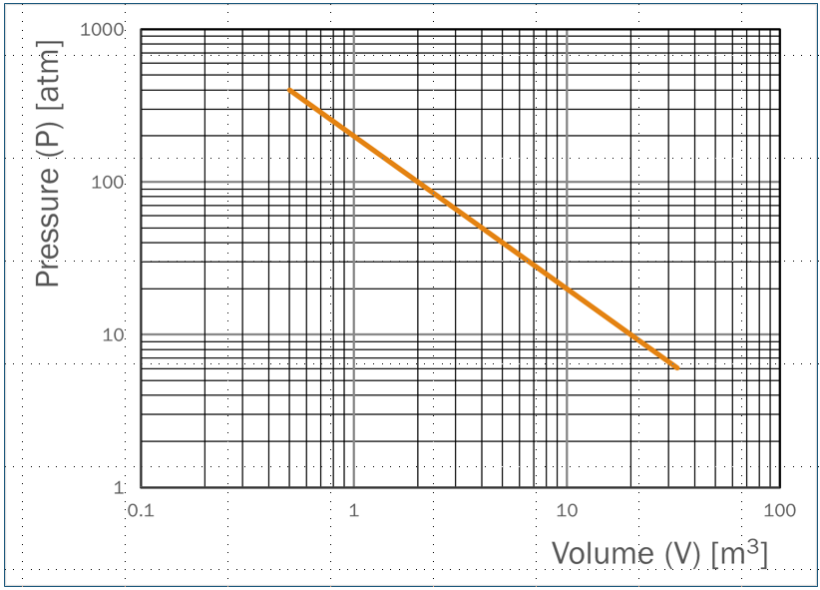
Question | Response
a. Determine the type of equation (exponential, power, linear, etc.) and write the generic form of the function | power y=bx^m
b. Read the information from the chart and determine the values of and units on m & b | b=200 m=-1
c. Determine what the "y-intercept" is and what its value on the graph means | the "y-intercept" is going to be your b value
d. Write the slope out in terms of decades and values | the slope is -1 decade of y-value per 1 decade of x-values
e. Write the entire function | y=200x^(-1)

HW6_Q5
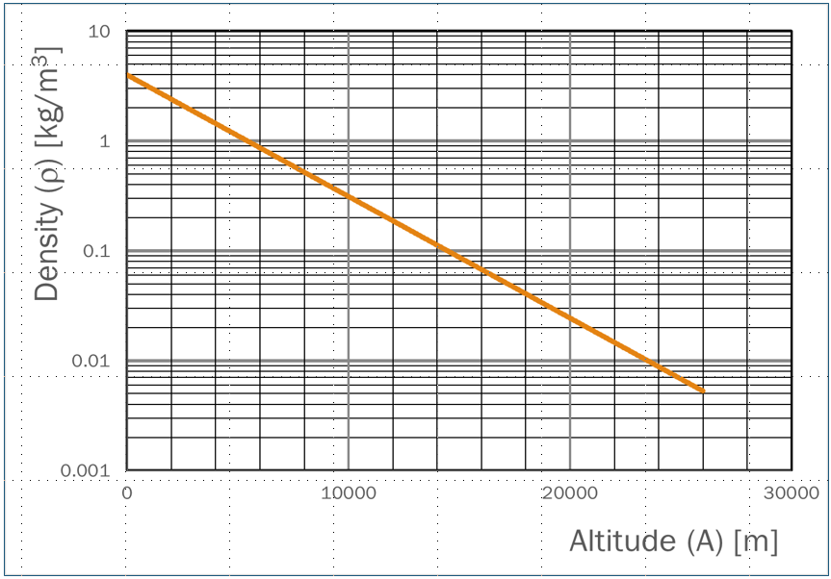
Question | Response
a. Determine the type of equation (exponential, power, linear, etc.) and write the generic form of the function | exponential y=be^mx
b. Read the information from the chart and determine the values of and units on m & b | b=4 m=-1/9000
c. Determine what the "y-intercept" is and what its value on the graph means | the y-intercept is the b value
d. Write the slope out in terms of decades and values | the slope is -1 decade of units of density per 9000 x-value units of m
e. Write the entire function | y=4e^(-x/9000)

