Read URLS and Operate Macros
Look in Fred for the series and check the country code as well as the series name
 |  |  |  |  |  |  |  |  |  |  |  |  |  | Series that did not read ---> | Senegal Const GDP Capita | https://research.stlouisfed.org/fred2/data/NYGDPPCAPKDSEN.txt | Argentina GDP per Capita | https://research.stlouisfed.org/fred2/data/PCAGDPARG646NWDB.txt
Range for Read All | Country | From/To | 1 | 56 |  |  |  |  |  |  |  | Total Series | 54 |  | Singapore Const GDP Capita | https://research.stlouisfed.org/fred2/data/NYGDPPCAPKDSGP.txt | Australia GDP per Capita | https://research.stlouisfed.org/fred2/data/PCAGDPAUS646NWDB.txt
 | Series | From/To | 1 | 71 |  |  |  |  |  |  |  | Total Countries | 53 |  | Argentina Real GDP Capita | https://research.stlouisfed.org/fred2/data/ARGNGDPRPCPCPPPT.txt | Bangladesh GDP per Capita | https://research.stlouisfed.org/fred2/data/PCAGDPBGD646NWDB.txt
 |  |  |  |  |  |  |  |  |  |  |  |  |  |  | Australia Real GDP Capita | https://research.stlouisfed.org/fred2/data/AUSNGDPRPCPCPPPT.txt | Cameroon GDP per Capita | https://research.stlouisfed.org/fred2/data/PCAGDPCMR646NWDB.txt
 | Total Series to Read in Different Sheets |  |  | 3976 |  |  |  |  |  |  |  |  |  |  | Bangladesh Real GDP Capita | https://research.stlouisfed.org/fred2/data/BGDNGDPRPCPCPPPT.txt | Canada GDP per Capita | https://research.stlouisfed.org/fred2/data/PCAGDPCAN646NWDB.txt
 |  |  |  |  |  |  |  |  |  |  |  |  |  |  | Brazil Real GDP Capita % | https://research.stlouisfed.org/fred2/data/BRANGDPRPCPCPPPT.txt | Chad GDP per Capita | https://research.stlouisfed.org/fred2/data/PCAGDPTCD646NWDB.txt
 |  |  |  |  |  | 1 | 2 | 3 |  |  |  |  |  |  | Canada Real GDP Capita % | https://research.stlouisfed.org/fred2/data/CANNGDPRPCPCPPPT.txt | Chile GDP per Capita | https://research.stlouisfed.org/fred2/data/PCAGDPCHL646NWDB.txt
Contry Codes | Contry Code Number | 56 |  | Contry Codes |  | THA | THA | TH |  | Thailand |  |  |  |  | Chile Real GDP Capita % | https://research.stlouisfed.org/fred2/data/CHLNGDPRPCPCPPPT.txt | China GDP per Capita | https://research.stlouisfed.org/fred2/data/PCAGDPCHN646NWDB.txt
 |  |  |  |  |  |  |  |  |  |  |  |  |  |  | China Real GDP Capita % | https://research.stlouisfed.org/fred2/data/CHNNGDPRPCPCPPPT.txt | DRC GDP per Capita | https://research.stlouisfed.org/fred2/data/PCAGDPCOD646NWDB.txt
 |  |  |  |  |  |  |  |  |  |  |  |  |  |  | DRC Real GDP Capita % | https://research.stlouisfed.org/fred2/data/CODNGDPRPCPCPPPT.txt | Ivory Coast GDP per Capita | https://research.stlouisfed.org/fred2/data/PCAGDPCIV646NWDB.txt
Series Codes | Series Code Number | 2 |  |  |  | Series Code 1 |  |  | NGDPRPCPCPPPT |  |  | Real GDP Capita % |  |  | Egypt Real GDP Capita % | https://research.stlouisfed.org/fred2/data/EGYNGDPRPCPCPPPT.txt | Benin GDP per Capita | https://research.stlouisfed.org/fred2/data/PCAGDPBEN646NWDB.txt
 |  |  |  |  |  |  |  |  |  |  |  |  |  |  | France Real GDP Capita % | https://research.stlouisfed.org/fred2/data/FRANGDPRPCPCPPPT.txt | Egypt GDP per Capita | https://research.stlouisfed.org/fred2/data/PCAGDPEGY646NWDB.txt
Sheet Name | Thailand Real GDP Capita % |  |  |  |  |  |  |  |  |  | Put together name from above---> | Thailand Real GDP Capita % |  |  | Haiti Real GDP Capita % | https://research.stlouisfed.org/fred2/data/HTINGDPRPCPCPPPT.txt | Ethiopia GDP per Capita | https://research.stlouisfed.org/fred2/data/PCAGDPETH646NWDB.txt
 |  |  |  |  |  |  |  |  |  |  |  |  |  |  | India Real GDP Capita % | https://research.stlouisfed.org/fred2/data/INDNGDPRPCPCPPPT.txt | Gabon GDP per Capita | https://research.stlouisfed.org/fred2/data/PCAGDPGAB646NWDB.txt
URL Example | https://research.stlouisfed.org/fred2/data/DGS10.txt |  |  |  |  |  |  |  |  |  |  |  |  |  | Indonesia Real GDP Capita | https://research.stlouisfed.org/fred2/data/IDNNGDPRPCPCPPPT.txt | Haiti GDP per Capita | https://research.stlouisfed.org/fred2/data/PCAGDPHTI646NWDB.txt
 |  |  |  |  |  |  |  |  |  |  |  |  |  |  | Italy Real GDP Capita % | https://research.stlouisfed.org/fred2/data/ITANGDPRPCPCPPPT.txt | India GDP per Capita | https://research.stlouisfed.org/fred2/data/PCAGDPIND646NWDB.txt
URL Start | https://research.stlouisfed.org/fred2/data/ |  |  |  |  |  |  |  | Instructions at www.edbodmer.com |  |  |  |  |  | Japan Real GDP Capita % | https://research.stlouisfed.org/fred2/data/JPNNGDPRPCPCPPPT.txt | Indonesia GDP per Capita | https://research.stlouisfed.org/fred2/data/PCAGDPIDN646NWDB.txt
 |  |  |  |  |  |  |  |  | Questions: e-mail edwardbodmer@gmail.com |  |  |  |  |  | Korea Real GDP Capita % | https://research.stlouisfed.org/fred2/data/KORNGDPRPCPCPPPT.txt | Japan GDP per Capita | https://research.stlouisfed.org/fred2/data/PCAGDPJPN646NWDB.txt
Text File 1 | THANGDPRPCPCPPPT |  |  |  |  |  |  |  |  |  |  |  |  |  | Luxembourg Real GDP Capita | https://research.stlouisfed.org/fred2/data/LUXNGDPRPCPCPPPT.txt | Korea GDP per Capita | https://research.stlouisfed.org/fred2/data/PCAGDPKOR646NWDB.txt
Text File 2 | THANGDPRPCPCPPPT |  |  |  |  |  |  |  |  |  |  |  |  |  | Malaysia Real GDP Capita % | https://research.stlouisfed.org/fred2/data/MYSNGDPRPCPCPPPT.txt | Luxembourg GDP per Capita | https://research.stlouisfed.org/fred2/data/PCAGDPLUX646NWDB.txt
Text File 3 | THNGDPRPCPCPPPT |  |  |  |  |  |  |  |  |  |  |  |  |  | Mexico Real GDP Capita % | https://research.stlouisfed.org/fred2/data/MEXNGDPRPCPCPPPT.txt | Malaysia GDP per Capita | https://research.stlouisfed.org/fred2/data/PCAGDPMYS646NWDB.txt
 |  |  |  |  |  |  |  |  |  |  |  |  |  |  | Mongolia Real GDP Capita % | https://research.stlouisfed.org/fred2/data/MNGNGDPRPCPCPPPT.txt | Mali GDP per Capita | https://research.stlouisfed.org/fred2/data/PCAGDPMLI646NWDB.txt
Country Code Applied | 1 |  |  |  |  |  |  |  |  |  |  |  |  |  | Pakistan Real GDP Capita % | https://research.stlouisfed.org/fred2/data/PAKNGDPRPCPCPPPT.txt | Mexico GDP per Capita | https://research.stlouisfed.org/fred2/data/PCAGDPMEX646NWDB.txt
 |  |  |  |  |  |  |  |  |  |  |  |  |  |  | Phillipines Real GDP Capita | https://research.stlouisfed.org/fred2/data/PHLNGDPRPCPCPPPT.txt | Mongolia GDP per Capita | https://research.stlouisfed.org/fred2/data/PCAGDPMNG646NWDB.txt
Text File | THANGDPRPCPCPPPT |  |  |  |  |  |  |  |  |  |  |  |  |  | Peru Real GDP Capita % | https://research.stlouisfed.org/fred2/data/PERNGDPRPCPCPPPT.txt | Mozambique GDP per Capita | https://research.stlouisfed.org/fred2/data/PCAGDPMOZ646NWDB.txt
 |  |  |  |  |  |  |  |  |  |  |  |  |  |  | Qatar Real GDP Capita % | https://research.stlouisfed.org/fred2/data/QATNGDPRPCPCPPPT.txt | Pakistan GDP per Capita | https://research.stlouisfed.org/fred2/data/PCAGDPPAK646NWDB.txt
URL_name | https://research.stlouisfed.org/fred2/data/THANGDPRPCPCPPPT.txt |  |  |  |  |  |  |  |  |  |  |  |  |  | Russia Real GDP Capita % | https://research.stlouisfed.org/fred2/data/RUSNGDPRPCPCPPPT.txt | Phillipines GDP per Capita | https://research.stlouisfed.org/fred2/data/PCAGDPPHL646NWDB.txt
 |  |  |  |  |  |  |  |  |  |  |  |  |  |  | Saudi Arab Real GDP Capita | https://research.stlouisfed.org/fred2/data/SAUNGDPRPCPCPPPT.txt | Peru GDP per Capita | https://research.stlouisfed.org/fred2/data/PCAGDPPER646NWDB.txt
 |  |  |  | Row Start | 14 |  |  |  |  |  |  |  |  |  | Singapore Real GDP Capita | https://research.stlouisfed.org/fred2/data/SGPNGDPRPCPCPPPT.txt | Qatar GDP per Capita | https://research.stlouisfed.org/fred2/data/PCAGDPQAT646NWDB.txt
 |  |  |  | Row End | 63 |  |  |  |  |  |  |  |  |  | Spain Real GDP Capita % | https://research.stlouisfed.org/fred2/data/ESPNGDPRPCPCPPPT.txt | Russia GDP per Capita | https://research.stlouisfed.org/fred2/data/PCAGDPRUS646NWDB.txt
 |  |  |  |  |  |  |  |  |  |  |  |  |  |  | Sudan Real GDP Capita % | https://research.stlouisfed.org/fred2/data/SDNNGDPRPCPCPPPT.txt | Saudi Arab GDP per Capita | https://research.stlouisfed.org/fred2/data/PCAGDPSAU646NWDB.txt
 |  |  | 80 | 0 |  |  |  |  |  |  |  |  |  |  | Switzerlan Real GDP Capita | https://research.stlouisfed.org/fred2/data/CHENGDPRPCPCPPPT.txt | Senegal GDP per Capita | https://research.stlouisfed.org/fred2/data/PCAGDPSEN646NWDB.txt
 |  |  |  |  |  |  |  |  |  |  |  |  |  |  | Turkey Real GDP Capita % | https://research.stlouisfed.org/fred2/data/TURNGDPRPCPCPPPT.txt | Singapore GDP per Capita | https://research.stlouisfed.org/fred2/data/PCAGDPSGP646NWDB.txt
 |  |  |  |  |  |  |  |  |  |  |  |  |  |  | US Real GDP Capita % | https://research.stlouisfed.org/fred2/data/USANGDPRPCPCPPPT.txt | S Africa GDP per Capita | https://research.stlouisfed.org/fred2/data/PCAGDPZAF646NWDB.txt
 |  |  |  |  |  |  |  |  |  |  |  |  |  |  | UK Real GDP Capita % | https://research.stlouisfed.org/fred2/data/GBRNGDPRPCPCPPPT.txt | Spain GDP per Capita | https://research.stlouisfed.org/fred2/data/PCAGDPESP646NWDB.txt
 |  |  |  |  |  |  |  |  |  |  |  |  |  |  | Venezula Real GDP Capita % | https://research.stlouisfed.org/fred2/data/VENNGDPRPCPCPPPT.txt | Sudan GDP per Capita | https://research.stlouisfed.org/fred2/data/PCAGDPSDN646NWDB.txt
 |  |  |  |  |  |  |  |  |  |  |  |  |  |  | Vietnam Real GDP Capita % | https://research.stlouisfed.org/fred2/data/VNMNGDPRPCPCPPPT.txt | Switzerlan GDP per Capita | https://research.stlouisfed.org/fred2/data/PCAGDPCHE646NWDB.txt
 |  |  |  |  |  |  |  |  |  |  |  |  |  |  | Barbados Real GDP Capita % | https://research.stlouisfed.org/fred2/data/BRBNGDPRPCPCPPPT.txt | Turkey GDP per Capita | https://research.stlouisfed.org/fred2/data/PCAGDPTUR646NWDB.txt
 |  |  |  |  |  |  |  |  |  |  |  |  |  |  | Jamaica Real GDP Capita % | https://research.stlouisfed.org/fred2/data/JAMNGDPRPCPCPPPT.txt | UK GDP per Capita | https://research.stlouisfed.org/fred2/data/PCAGDPGBR646NWDB.txt
 |  |  |  |  |  |  |  |  |  |  |  |  |  |  | Thailand Real GDP Capita % | https://research.stlouisfed.org/fred2/data/THANGDPRPCPCPPPT.txt | Venezula GDP per Capita | https://research.stlouisfed.org/fred2/data/PCAGDPVEN646NWDB.txt
 |  |  |  |  |  |  |  |  |  |  |  |  |  |  |  |  | Vietnam GDP per Capita | https://research.stlouisfed.org/fred2/data/PCAGDPVNM646NWDB.txt
 |  |  |  |  |  |  |  |  |  |  |  |  |  |  |  |  | Zambia GDP per Capita | https://research.stlouisfed.org/fred2/data/PCAGDPZMB646NWDB.txt
 |  |  |  |  |  |  |  |  |  |  |  |  |  |  |  |  | Zimbabwe GDP per Capita | https://research.stlouisfed.org/fred2/data/PCAGDPZWE646NWDB.txt

Chart of Series by Country
Real GDP Capita %
 | Ghana | Burkina Fa | DRC | Ivory Coast | Benin
1-Jan-04 | 0.00 | 0.00 | 0.00 | 0.00 | 0.00
1-Feb-04 | 0.00 | 0.00 | 0.00 | 0.00 | 0.00
1-Mar-04 | 0.00 | 0.00 | 0.00 | 0.00 | 0.00
1-Apr-04 | 0.00 | 0.00 | 0.00 | 0.00 | 0.00
1-May-04 | 0.00 | 0.00 | 0.00 | 0.00 | 0.00
1-Jun-04 | 0.00 | 0.00 | 0.00 | 0.00 | 0.00
1-Jul-04 | 0.00 | 0.00 | 0.00 | 0.00 | 0.00
1-Aug-04 | 0.00 | 0.00 | 0.00 | 0.00 | 0.00
1-Sep-04 | 0.00 | 0.00 | 0.00 | 0.00 | 0.00
1-Oct-04 | 0.00 | 0.00 | 0.00 | 0.00 | 0.00
1-Nov-04 | 0.00 | 0.00 | 0.00 | 0.00 | 0.00
1-Dec-04 | 0.00 | 0.00 | 0.00 | 0.00 | 0.00
1-Jan-05 | 0.00 | 0.00 | 0.00 | 0.00 | 0.00
1-Feb-05 | 0.00 | 0.00 | 0.00 | 0.00 | 0.00
1-Mar-05 | 0.00 | 0.00 | 0.00 | 0.00 | 0.00
1-Apr-05 | 0.00 | 0.00 | 0.00 | 0.00 | 0.00
1-May-05 | 0.00 | 0.00 | 0.00 | 0.00 | 0.00
1-Jun-05 | 0.00 | 0.00 | 0.00 | 0.00 | 0.00
1-Jul-05 | 0.00 | 0.00 | 0.00 | 0.00 | 0.00
1-Aug-05 | 0.00 | 0.00 | 0.00 | 0.00 | 0.00
1-Sep-05 | 0.00 | 0.00 | 0.00 | 0.00 | 0.00
1-Oct-05 | 0.00 | 0.00 | 0.00 | 0.00 | 0.00
1-Nov-05 | 0.00 | 0.00 | 0.00 | 0.00 | 0.00
1-Dec-05 | 0.00 | 0.00 | 0.00 | 0.00 | 0.00
1-Jan-06 | 0.00 | 0.00 | 0.00 | 0.00 | 0.00
1-Feb-06 | 0.00 | 0.00 | 0.00 | 0.00 | 0.00
1-Mar-06 | 0.00 | 0.00 | 0.00 | 0.00 | 0.00
1-Apr-06 | 0.00 | 0.00 | 0.00 | 0.00 | 0.00
1-May-06 | 0.00 | 0.00 | 0.00 | 0.00 | 0.00
1-Jun-06 | 0.00 | 0.00 | 0.00 | 0.00 | 0.00
1-Jul-06 | 0.00 | 0.00 | 0.00 | 0.00 | 0.00
1-Aug-06 | 0.00 | 0.00 | 0.00 | 0.00 | 0.00
1-Sep-06 | 0.00 | 0.00 | 0.00 | 0.00 | 0.00
1-Oct-06 | 0.00 | 0.00 | 0.00 | 0.00 | 0.00
1-Nov-06 | 0.00 | 0.00 | 0.00 | 0.00 | 0.00
1-Dec-06 | 0.00 | 0.00 | 0.00 | 0.00 | 0.00
1-Jan-07 | 0.00 | 0.00 | 0.00 | 0.00 | 0.00
1-Feb-07 | 0.00 | 0.00 | 0.00 | 0.00 | 0.00
1-Mar-07 | 0.00 | 0.00 | 0.00 | 0.00 | 0.00
1-Apr-07 | 0.00 | 0.00 | 0.00 | 0.00 | 0.00
1-May-07 | 0.00 | 0.00 | 0.00 | 0.00 | 0.00
1-Jun-07 | 0.00 | 0.00 | 0.00 | 0.00 | 0.00
1-Jul-07 | 0.00 | 0.00 | 0.00 | 0.00 | 0.00
1-Aug-07 | 0.00 | 0.00 | 0.00 | 0.00 | 0.00
1-Sep-07 | 0.00 | 0.00 | 0.00 | 0.00 | 0.00
1-Oct-07 | 0.00 | 0.00 | 0.00 | 0.00 | 0.00
1-Nov-07 | 0.00 | 0.00 | 0.00 | 0.00 | 0.00
1-Dec-07 | 0.00 | 0.00 | 0.00 | 0.00 | 0.00
1-Jan-08 | 0.00 | 0.00 | 0.00 | 0.00 | 0.00
1-Feb-08 | 0.00 | 0.00 | 0.00 | 0.00 | 0.00
...
 |  |  |  |  |  |  | Graph comes from "Database of Series" page

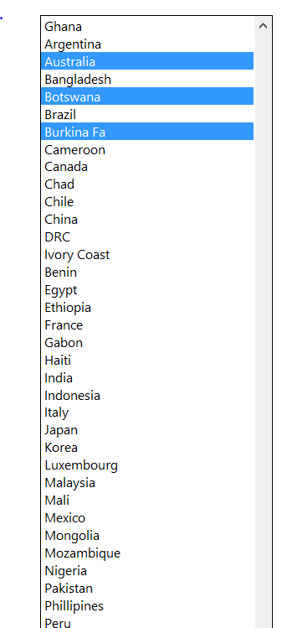
 |  |  |  |  |  | Num | End Year | 2015
 |  |  |  | Ghana | TRUE | 1 |  |  | Graph Row | 60
 |  |  |  | Argentina | FALSE | 1 |  |  | Graph Col | 2
 | 1 | 1 | Ghana | Australia | FALSE | 1
 | 2 | #N/A | #N/A | Bangladesh | FALSE | 1
 | 3 | #N/A | #N/A | Botswana | FALSE | 1
 | 4 | #N/A | #N/A | Brazil | FALSE | 1
 | 5 | #N/A | #N/A | Burkina Fa | FALSE | 1
 | 6 | #N/A | #N/A | Cameroon | FALSE | 1
 | 7 | #N/A | #N/A | Canada | FALSE | 1
 | 8 | #N/A | #N/A | Chad | FALSE | 1
 | 9 | #N/A | #N/A | Chile | FALSE | 1
 | 10 | #N/A | #N/A | China | FALSE | 1
 | 11 | #N/A | #N/A | DRC | FALSE | 1
 | 12 | #N/A | #N/A | Ivory Coast | FALSE | 1
 | 13 | #N/A | #N/A | Benin | FALSE | 1
 | 14 | #N/A | #N/A | Egypt | FALSE | 1
 | 15 | #N/A | #N/A | Ethiopia | FALSE | 1
 | 16 | #N/A | #N/A | France | FALSE | 1
 | 17 | #N/A | #N/A | Gabon | FALSE | 1
 | 18 | #N/A | #N/A | Haiti | FALSE | 1
 | 19 | #N/A | #N/A | India | FALSE | 1
 | 20 | #N/A | #N/A | Indonesia | FALSE | 1
Instructions at www.edbodmer.com | 21 | #N/A | #N/A | Italy | FALSE | 1
Questions: e-mail edwardbodmer@gmail.com | 22 | #N/A | #N/A | Japan | FALSE | 1
 | 23 | #N/A | #N/A | Korea | FALSE | 1
 | 24 | #N/A | #N/A | Luxembourg | FALSE | 1
 | 25 | #N/A | #N/A | Malaysia | FALSE | 1
 | 26 | #N/A | #N/A | Mali | FALSE | 1
 | 27 | #N/A | #N/A | Mexico | FALSE | 1
 |  |  |  | Mongolia | FALSE | 1
 |  |  |  | Mozambique | FALSE | 1
 |  |  |  | Nigeria | FALSE | 1
 |  |  |  | Pakistan | FALSE | 1
 |  |  |  | Phillipines | FALSE | 1
 |  |  |  | Peru | FALSE | 1
 |  |  |  | Qatar | FALSE | 1
 |  |  |  | Russia | FALSE | 1
 |  |  |  | Rwanda | FALSE | 1
 |  |  |  | Saudi Arab | FALSE | 1
 |  |  |  | Senegal | FALSE | 1
 |  |  |  | Singapore | FALSE | 1
 |  |  |  | S Africa | FALSE | 1
 |  |  |  | Spain | FALSE | 1
 |  |  |  | Sudan | FALSE | 1
 |  |  |  | Switzerlan | FALSE | 1
 |  |  |  | Turkey | FALSE | 1
 |  |  |  | Uganda | FALSE | 1
 |  |  |  | US | FALSE | 1
 |  |  |  | UK | FALSE | 1
 |  |  |  | Venezula | FALSE | 1
 |  |  |  | Vietnam | FALSE | 1
 |  |  |  | Zambia | FALSE | 1
 |  |  |  | Zimbabwe | FALSE | 1
 |  |  |  | Barbados | FALSE | 1
 |  |  |  | Jamaica | FALSE | 1
 |  |  |  | Thailand | FALSE | 1

Country Data
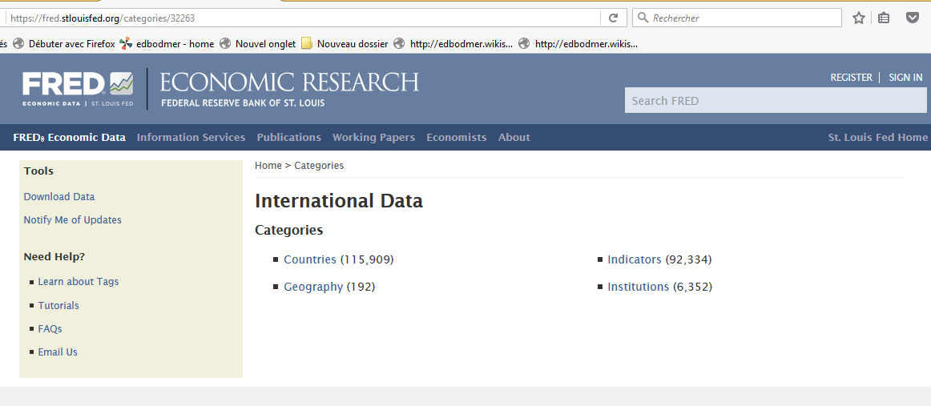

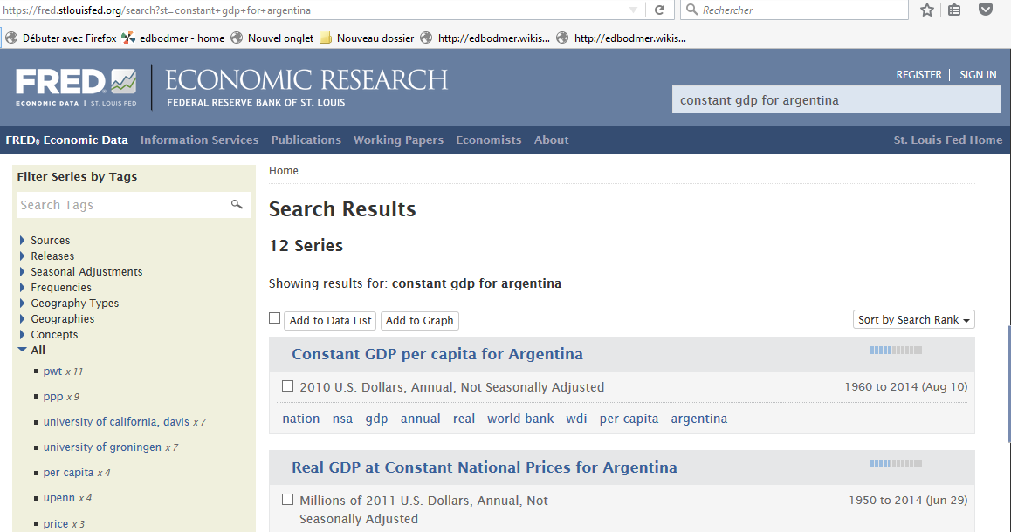

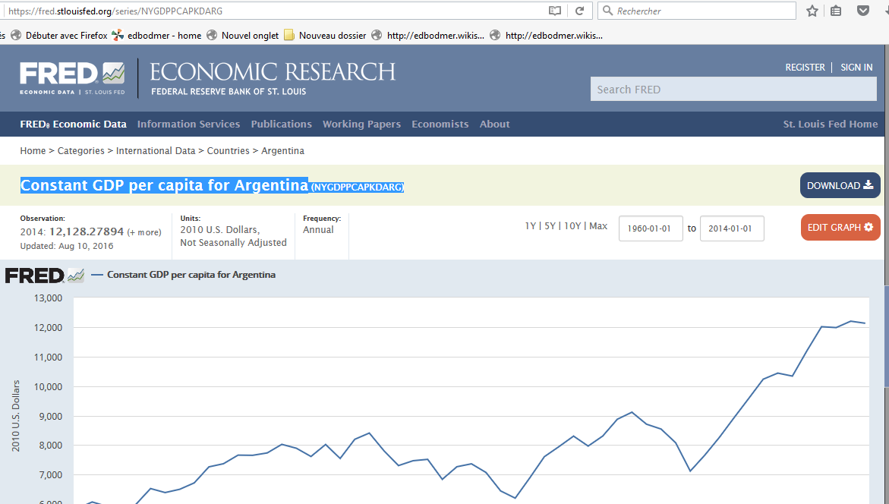

Main Website
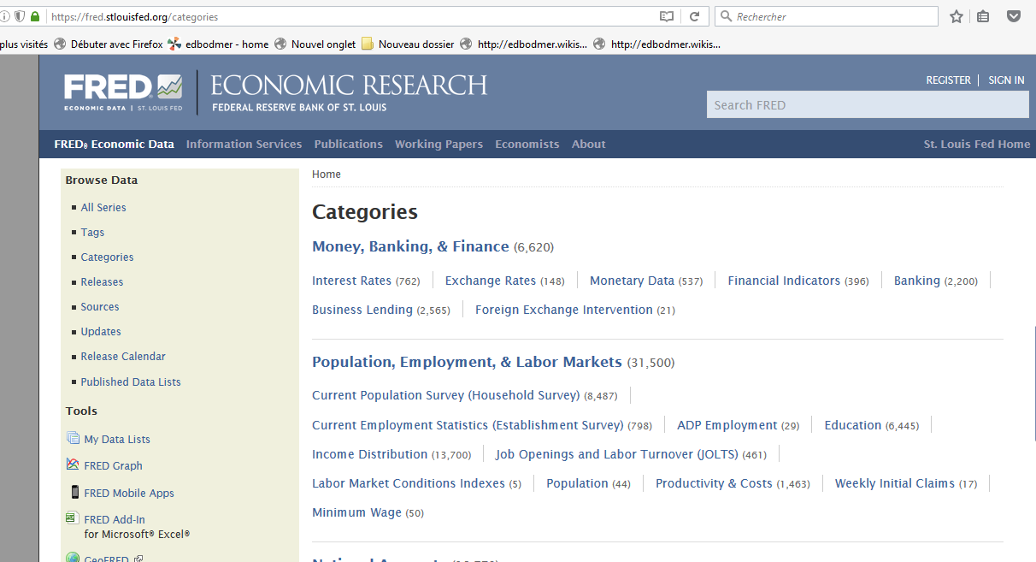
https://fred.stlouisfed.org/categories

