doubleinterp
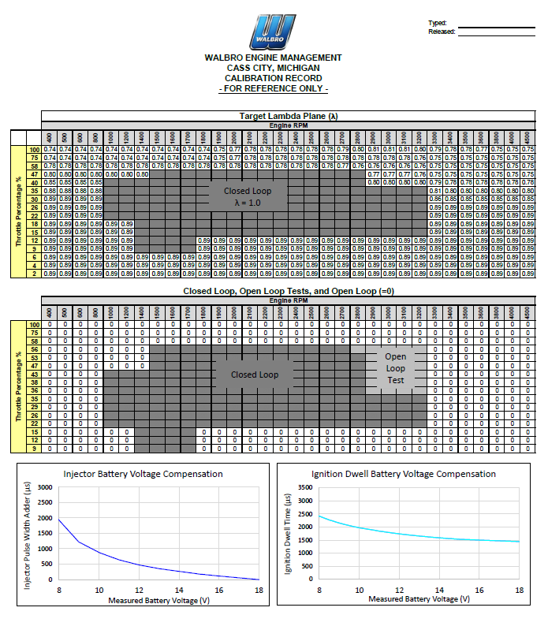
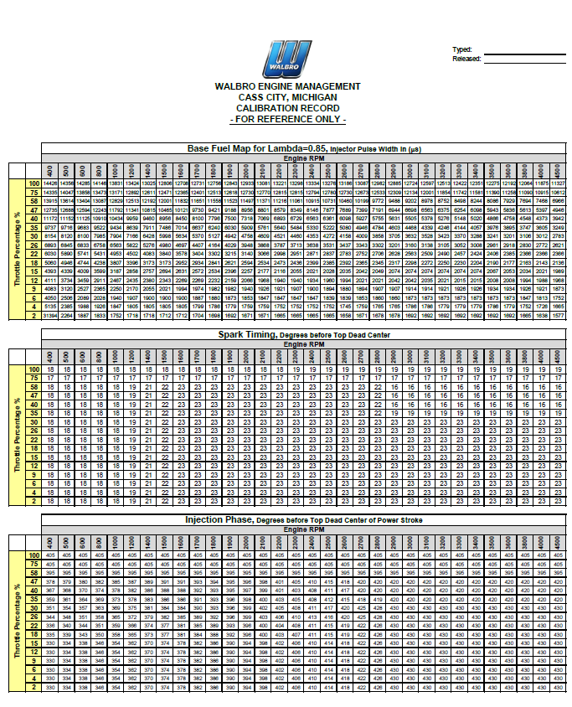
Example Data Table
Data | Units | x-axis |  |  |  |  |  |  |  |  |  |  |  | x-val | 47
 |  | 400 | 500 | 600 | 800 | 1000 | 1200 | 3400 | 3500 | 3600 | 3800 | 4000 | 4500 | y-val | 42.5
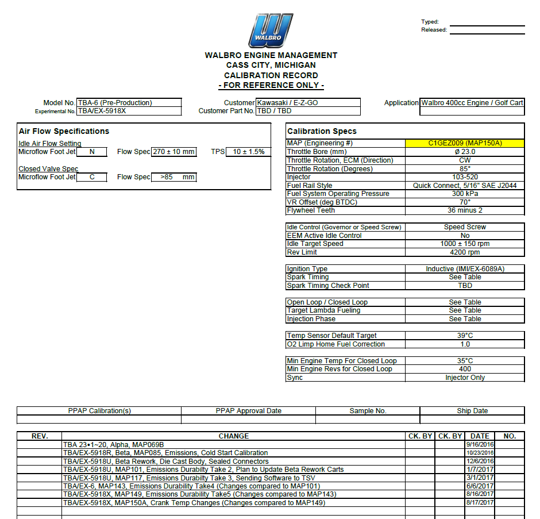
y-axis | 100 | 14426 | 14356 | 14285 | 14146 | 13831 | 13424 | 12351 | 12275 | 12192 | 12064 | 11875 | 11327 | result | 407.5
 | 75 | 14335 | 14047 | 13858 | 13473 | 13171 | 12892 | 11581 | 11390 | 11258 | 11090 | 10915 | 10612 | Use this to copy to another excel workbook, then can change the defined name ranges to meet your criteria.
 | 58 | 13915 | 13614 | 13404 | 13087 | 12829 | 12513 | 8244 | 8086 | 7929 | 7694 | 7468 | 6966
 | 47 | 12735 | 12688 | 12594 | 12243 | 11792 | 11341 | 6098 | 5943 | 5836 | 5613 | 5397 | 4946
 | 40 | 11172 | 11152 | 11125 | 10910 | 10434 | 9959 | 5020 | 4866 | 4758 | 4548 | 4373 | 3942
 | 35 | 9737 | 9716 | 9683 | 9522 | 9434 | 8639 | 4057 | 3976 | 3895 | 3747 | 3605 | 3249
 | 30 | 8154 | 8120 | 8100 | 7985 | 7904 | 7166 | 3288 | 3241 | 3201 | 3106 | 3012 | 2783
 | 26 | 6893 | 6845 | 6833 | 6758 | 6563 | 5822 | 3008 | 2961 | 2918 | 2830 | 2772 | 2621
 | 22 | 6030 | 5890 | 5741 | 5431 | 4953 | 4502 | 2424 | 2406 | 2385 | 2366 | 2366 | 2366
 | 18 | 5060 | 4946 | 4744 | 4238 | 3807 | 3396 | 2204 | 2190 | 2177 | 2163 | 2143 | 2136
 | 15 | 4393 | 4339 | 4009 | 3599 | 3187 | 2858 | 2074 | 2067 | 2053 | 2034 | 2021 | 1989
 | 12 | 4111 | 3734 | 3459 | 2911 | 2467 | 2435 | 2015 | 2008 | 2008 | 1994 | 1988 | 1968
 | 9 | 4083 | 3120 | 2527 | 2365 | 2250 | 2170 | 1926 | 1934 | 1934 | 1926 | 1921 | 1873
 | 6 | 4050 | 2506 | 2089 | 2028 | 1940 | 1907 | 1873 | 1873 | 1873 | 1847 | 1813 | 1752
 | 4 | 5135 | 2385 | 1988 | 1926 | 1847 | 1805 | 1779 | 1786 | 1779 | 1752 | 1726 | 1665
 | 2 | 31394 | 2264 | 1887 | 1833 | 1752 | 1718 | 1692 | 1692 | 1692 | 1665 | 1638 | 1577

Example Data 2
Data2 | unit | x-axis2
 |  | 0 | 5 | 10 | 15 | 20 | 25 | 30 | 35 | 40 | 45 | 50 | 60
y-axis2 | 60 | 405 | 405 | 405 | 405 | 405 | 405 | 405 | 405 | 405 | 405 | 405 | 405
 | 50 | 405 | 405 | 405 | 405 | 405 | 405 | 405 | 405 | 405 | 405 | 405 | 405
 | 45 | 395 | 395 | 395 | 395 | 395 | 395 | 395 | 395 | 395 | 395 | 395 | 395
 | 40 | 378 | 379 | 380 | 382 | 385 | 387 | 420 | 420 | 420 | 420 | 420 | 420
 | 35 | 367 | 368 | 370 | 374 | 378 | 382 | 420 | 420 | 420 | 420 | 420 | 420
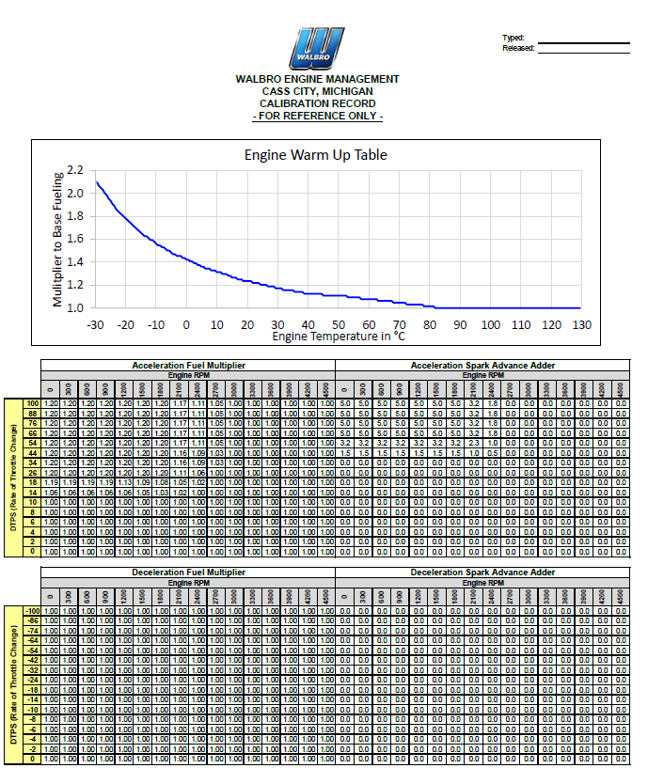
 | 28 | 359 | 361 | 364 | 369 | 373 | 378 | 420 | 420 | 420 | 420 | 420 | 420
 | 24 | 351 | 354 | 357 | 363 | 369 | 375 | 430 | 430 | 430 | 430 | 430 | 430
 | 20 | 344 | 348 | 351 | 358 | 365 | 372 | 430 | 430 | 430 | 430 | 430 | 430
 | 16 | 336 | 340 | 344 | 351 | 359 | 366 | 430 | 430 | 430 | 430 | 430 | 430
 | 14 | 335 | 339 | 343 | 350 | 358 | 365 | 430 | 430 | 430 | 430 | 430 | 430
 | 12 | 330 | 334 | 338 | 346 | 354 | 362 | 430 | 430 | 430 | 430 | 430 | 430
 | 10 | 330 | 334 | 338 | 346 | 354 | 362 | 430 | 430 | 430 | 430 | 430 | 430
 | 8 | 330 | 334 | 338 | 346 | 354 | 362 | 430 | 430 | 430 | 430 | 430 | 430
 | 6 | 330 | 334 | 338 | 346 | 354 | 362 | 430 | 430 | 430 | 430 | 430 | 430
 | 4 | 330 | 334 | 338 | 346 | 354 | 362 | 430 | 430 | 430 | 430 | 430 | 430
 | 2 | 330 | 334 | 338 | 346 | 354 | 362 | 430 | 430 | 430 | 430 | 430 | 430

