doubleinterp
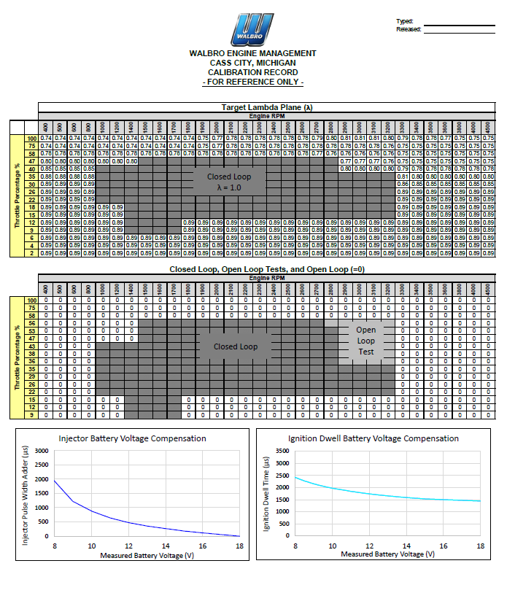
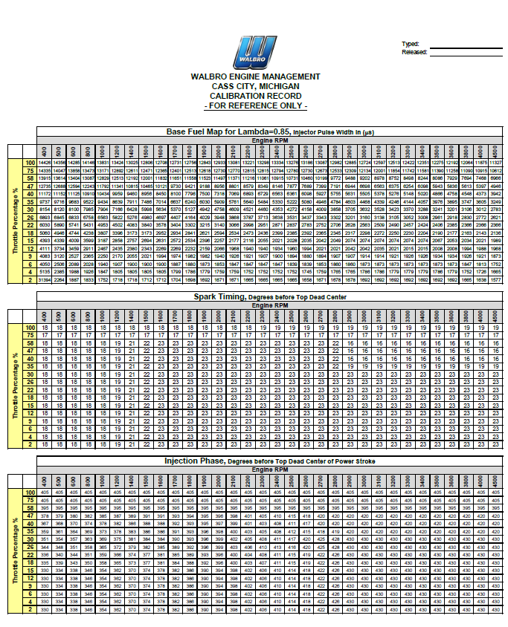
 | Lookup Info |  |  |  | Key
 | x-value |  | 30 |  | Input
 | y-value |  | 35
 | 2DInterp Result |  | #N/A |  | Output
 | Use this to copy to another excel workbook, then can change the defined name ranges to meet your criteria.

Example Data Table
Data1 | Units | x-axis
 |  | 400 | 500 | 600 | 800 | 1000 | 1200 | 1400 | 1500 | 1600 | 1700 | 1800 | 1900 | 2000 | 2100 | 2200 | 2300 | 2400 | 2500 | 2600 | 2700 | 2800 | 2900 | 3000 | 3100 | 3200 | 3300 | 3400 | 3500 | 3600 | 3800 | 4000 | 4500
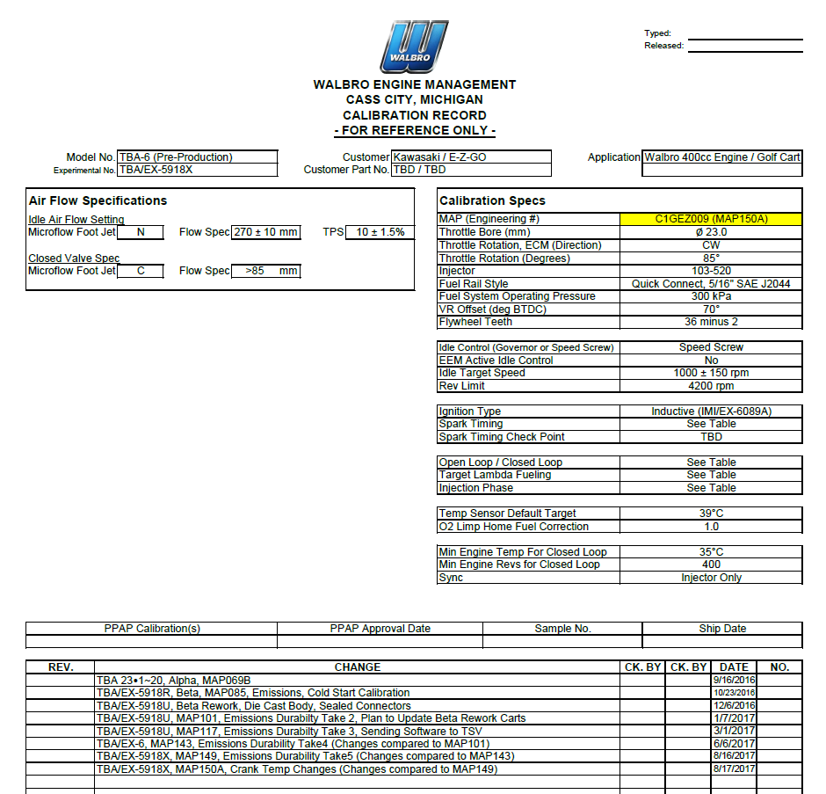
y-axis | 100 | 14426 | 14356 | 14285 | 14146 | 13831 | 13424 | 13025 | 12806 | 12708 | 12731 | 12756 | 12843 | 12933 | 13081 | 13221 | 13298 | 13334 | 13276 | 13186 | 13087 | 12982 | 12885 | 12724 | 12597 | 12513 | 12422 | 12351 | 12275 | 12192 | 12064 | 11875 | 11327
 | 75 | 14335 | 14047 | 13858 | 13473 | 13171 | 12892 | 12611 | 12471 | 12365 | 12401 | 12513 | 12618 | 12730 | 12770 | 12815 | 12815 | 12794 | 12780 | 12730 | 12673 | 12533 | 12309 | 12134 | 12001 | 11854 | 11742 | 11581 | 11390 | 11258 | 11090 | 10915 | 10612
 | 58 | 13915 | 13614 | 13404 | 13087 | 12829 | 12513 | 12192 | 12001 | 11832 | 11651 | 11558 | 11523 | 11497 | 11371 | 11216 | 11061 | 10915 | 10731 | 10460 | 10199 | 9772 | 9488 | 9202 | 8978 | 8752 | 8498 | 8244 | 8086 | 7929 | 7694 | 7468 | 6966
 | 47 | 12735 | 12688 | 12594 | 12243 | 11792 | 11341 | 10815 | 10465 | 10121 | 9730 | 9421 | 9188 | 8956 | 8801 | 8579 | 8349 | 8146 | 7877 | 7689 | 7399 | 7191 | 6944 | 6698 | 6563 | 6375 | 6254 | 6098 | 5943 | 5836 | 5613 | 5397 | 4946
 | 40 | 11172 | 11152 | 11125 | 10910 | 10434 | 9959 | 9460 | 8956 | 8450 | 8100 | 7796 | 7500 | 7318 | 7069 | 6893 | 6729 | 6563 | 6361 | 6098 | 5927 | 5755 | 5631 | 5505 | 5378 | 5276 | 5148 | 5020 | 4866 | 4758 | 4548 | 4373 | 3942
 | 35 | 9737 | 9716 | 9683 | 9522 | 9434 | 8639 | 7911 | 7486 | 7014 | 6637 | 6240 | 6030 | 5909 | 5761 | 5640 | 5484 | 5330 | 5222 | 5080 | 4946 | 4784 | 4603 | 4468 | 4339 | 4246 | 4144 | 4057 | 3976 | 3895 | 3747 | 3605 | 3249
 | 30 | 8154 | 8120 | 8100 | 7985 | 7904 | 7166 | 6428 | 5998 | 5634 | 5370 | 5127 | 4942 | 4758 | 4609 | 4521 | 4460 | 4353 | 4272 | 4158 | 4009 | 3858 | 3705 | 3632 | 3528 | 3423 | 3370 | 3288 | 3241 | 3201 | 3106 | 3012 | 2783
 | 26 | 6893 | 6845 | 6833 | 6758 | 6563 | 5822 | 5276 | 4980 | 4697 | 4407 | 4164 | 4029 | 3948 | 3868 | 3787 | 3713 | 3638 | 3531 | 3437 | 3343 | 3302 | 3201 | 3160 | 3138 | 3105 | 3052 | 3008 | 2961 | 2918 | 2830 | 2772 | 2621
 | 22 | 6030 | 5890 | 5741 | 5431 | 4953 | 4502 | 4083 | 3840 | 3578 | 3404 | 3302 | 3215 | 3140 | 3066 | 2998 | 2951 | 2871 | 2837 | 2783 | 2752 | 2706 | 2628 | 2563 | 2509 | 2490 | 2457 | 2424 | 2406 | 2385 | 2366 | 2366 | 2366
 | 18 | 5060 | 4946 | 4744 | 4238 | 3807 | 3396 | 3173 | 3173 | 2952 | 2934 | 2841 | 2621 | 2594 | 2534 | 2473 | 2436 | 2399 | 2385 | 2392 | 2365 | 2345 | 2317 | 2298 | 2272 | 2250 | 2230 | 2204 | 2190 | 2177 | 2163 | 2143 | 2136
 | 15 | 4393 | 4339 | 4009 | 3599 | 3187 | 2858 | 2757 | 2694 | 2631 | 2572 | 2534 | 2396 | 2257 | 2177 | 2116 | 2055 | 2021 | 2028 | 2035 | 2042 | 2049 | 2074 | 2074 | 2074 | 2074 | 2074 | 2074 | 2067 | 2053 | 2034 | 2021 | 1989
 | 12 | 4111 | 3734 | 3459 | 2911 | 2467 | 2435 | 2380 | 2343 | 2269 | 2269 | 2232 | 2159 | 2066 | 1968 | 1940 | 1940 | 1934 | 1960 | 1994 | 2021 | 2021 | 2042 | 2042 | 2035 | 2021 | 2015 | 2015 | 2008 | 2008 | 1994 | 1988 | 1968
 | 9 | 4083 | 3120 | 2527 | 2365 | 2250 | 2170 | 2055 | 2021 | 1994 | 1974 | 1982 | 1982 | 1940 | 1926 | 1921 | 1907 | 1900 | 1894 | 1880 | 1894 | 1907 | 1907 | 1914 | 1914 | 1921 | 1926 | 1926 | 1934 | 1934 | 1926 | 1921 | 1873
 | 6 | 4050 | 2506 | 2089 | 2028 | 1940 | 1907 | 1900 | 1900 | 1900 | 1887 | 1880 | 1873 | 1853 | 1847 | 1847 | 1847 | 1847 | 1839 | 1839 | 1853 | 1860 | 1860 | 1873 | 1873 | 1873 | 1873 | 1873 | 1873 | 1873 | 1847 | 1813 | 1752
 | 4 | 5135 | 2385 | 1988 | 1926 | 1847 | 1805 | 1805 | 1805 | 1805 | 1799 | 1786 | 1779 | 1759 | 1759 | 1752 | 1752 | 1752 | 1752 | 1745 | 1759 | 1765 | 1765 | 1786 | 1786 | 1779 | 1779 | 1779 | 1786 | 1779 | 1752 | 1726 | 1665
 | 2 | 31394 | 2264 | 1887 | 1833 | 1752 | 1718 | 1718 | 1712 | 1712 | 1704 | 1698 | 1692 | 1671 | 1671 | 1665 | 1665 | 1665 | 1665 | 1658 | 1671 | 1678 | 1678 | 1692 | 1692 | 1692 | 1692 | 1692 | 1692 | 1692 | 1665 | 1638 | 1577

Example Data 2
Data2 | Units | x-axis2
 |  | 0 | 5 | 10 | 15 | 20 | 25 | 1400 | 1500 | 1600 | 1700 | 1800 | 1900 | 2000 | 2100 | 2200 | 2300 | 2400 | 2500 | 2600 | 2700 | 2800 | 2900 | 3000 | 3100 | 3200 | 3300 | 30 | 35 | 40 | 45 | 50 | 60
y-axis2 | 60 | 405 | 405 | 405 | 405 | 405 | 405 | 405 | 405 | 405 | 405 | 405 | 405 | 405 | 405 | 405 | 405 | 405 | 405 | 405 | 405 | 405 | 405 | 405 | 405 | 405 | 405 | 405 | 405 | 405 | 405 | 405 | 405
 | 50 | 405 | 405 | 405 | 405 | 405 | 405 | 405 | 405 | 405 | 405 | 405 | 405 | 405 | 405 | 405 | 405 | 405 | 405 | 405 | 405 | 405 | 405 | 405 | 405 | 405 | 405 | 405 | 405 | 405 | 405 | 405 | 405
 | 45 | 395 | 395 | 395 | 395 | 395 | 395 | 395 | 395 | 395 | 395 | 395 | 395 | 395 | 395 | 395 | 395 | 395 | 395 | 395 | 395 | 395 | 395 | 395 | 395 | 395 | 395 | 395 | 395 | 395 | 395 | 395 | 395
 | 40 | 378 | 379 | 380 | 382 | 385 | 387 | 389 | 391 | 391 | 393 | 394 | 395 | 396 | 398 | 401 | 405 | 410 | 415 | 418 | 420 | 420 | 420 | 420 | 420 | 420 | 420 | 420 | 420 | 420 | 420 | 420 | 420
 | 35 | 367 | 368 | 370 | 374 | 378 | 382 | 386 | 388 | 388 | 392 | 393 | 395 | 397 | 399 | 401 | 403 | 408 | 411 | 417 | 420 | 420 | 420 | 420 | 420 | 420 | 420 | 420 | 420 | 420 | 420 | 420 | 420
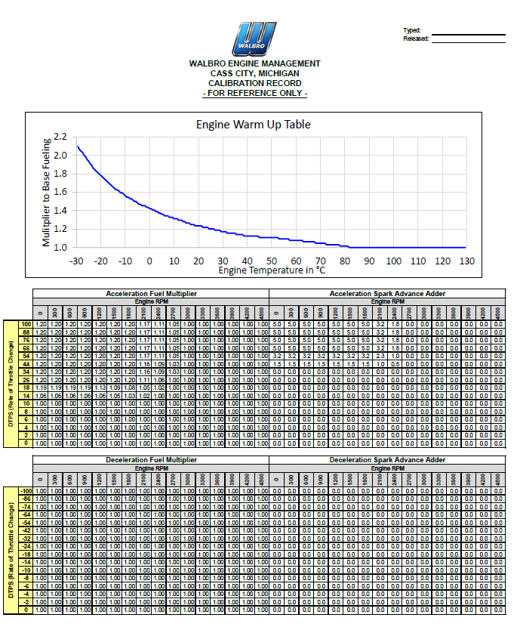
 | 28 | 359 | 361 | 364 | 369 | 373 | 378 | 383 | 386 | 386 | 391 | 393 | 396 | 398 | 400 | 403 | 405 | 408 | 412 | 415 | 418 | 419 | 420 | 420 | 420 | 420 | 420 | 420 | 420 | 420 | 420 | 420 | 420
 | 24 | 351 | 354 | 357 | 363 | 369 | 375 | 381 | 384 | 384 | 390 | 393 | 396 | 399 | 402 | 405 | 408 | 411 | 417 | 420 | 425 | 428 | 430 | 430 | 430 | 430 | 430 | 430 | 430 | 430 | 430 | 430 | 430
 | 20 | 344 | 348 | 351 | 358 | 365 | 372 | 379 | 382 | 385 | 389 | 392 | 396 | 399 | 403 | 406 | 410 | 413 | 416 | 420 | 425 | 428 | 430 | 430 | 430 | 430 | 430 | 430 | 430 | 430 | 430 | 430 | 430
 | 16 | 336 | 340 | 344 | 351 | 359 | 366 | 374 | 377 | 381 | 385 | 389 | 393 | 396 | 400 | 404 | 408 | 411 | 415 | 419 | 422 | 426 | 430 | 430 | 430 | 430 | 430 | 430 | 430 | 430 | 430 | 430 | 430
 | 14 | 335 | 339 | 343 | 350 | 358 | 365 | 373 | 377 | 381 | 384 | 388 | 392 | 396 | 400 | 403 | 407 | 411 | 415 | 419 | 422 | 426 | 430 | 430 | 430 | 430 | 430 | 430 | 430 | 430 | 430 | 430 | 430
 | 12 | 330 | 334 | 338 | 346 | 354 | 362 | 370 | 374 | 378 | 382 | 386 | 390 | 394 | 398 | 402 | 406 | 410 | 414 | 418 | 422 | 426 | 430 | 430 | 430 | 430 | 430 | 430 | 430 | 430 | 430 | 430 | 430
 | 10 | 330 | 334 | 338 | 346 | 354 | 362 | 370 | 374 | 378 | 382 | 386 | 390 | 394 | 398 | 402 | 406 | 410 | 414 | 418 | 422 | 426 | 430 | 430 | 430 | 430 | 430 | 430 | 430 | 430 | 430 | 430 | 430
 | 8 | 330 | 334 | 338 | 346 | 354 | 362 | 370 | 374 | 378 | 382 | 386 | 390 | 394 | 398 | 402 | 406 | 410 | 414 | 418 | 422 | 426 | 430 | 430 | 430 | 430 | 430 | 430 | 430 | 430 | 430 | 430 | 430
 | 6 | 330 | 334 | 338 | 346 | 354 | 362 | 370 | 374 | 378 | 382 | 386 | 390 | 394 | 398 | 402 | 406 | 410 | 414 | 418 | 422 | 426 | 430 | 430 | 430 | 430 | 430 | 430 | 430 | 430 | 430 | 430 | 430
 | 4 | 330 | 334 | 338 | 346 | 354 | 362 | 370 | 374 | 378 | 382 | 386 | 390 | 394 | 398 | 402 | 406 | 410 | 414 | 418 | 422 | 426 | 430 | 430 | 430 | 430 | 430 | 430 | 430 | 430 | 430 | 430 | 430
 | 2 | 330 | 334 | 338 | 346 | 354 | 362 | 370 | 374 | 378 | 382 | 386 | 390 | 394 | 398 | 402 | 406 | 410 | 414 | 418 | 422 | 426 | 430 | 430 | 430 | 430 | 430 | 430 | 430 | 430 | 430 | 430 | 430

