Regions_veg_and_land_use
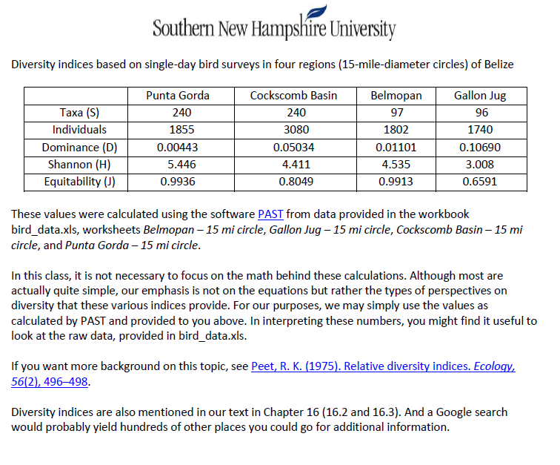
 | Punta Gorda | Gallon Jug | Cockscomb Basin | Belmopan
agricultural | 21868.70218 | 1046.69994 | 7166.684791 | 6057.015085
lowland_broadleaf_forest | 20865.42516 | 43703.62651 | 1587.971017 | 34078.26773
lowland_pine_forest | 485.0844773 |  |  | 292.4081104
lowland_savannah |  |  | 7719.339748 | 824.8069657
mangrove | 254.5001819 |  | 1908.710667
urban | 391.0615371 |  | 175.4324533 | 464.7299283
water | 277.7712348 |  | 549.6014817
wetland | 455.1707524 | 277.473227 | 863.743975
submontane_pine_forest |  |  |  | 2555.516463
submontane_broadleaf_forest |  |  |  | 941.1024885

