Sheet1
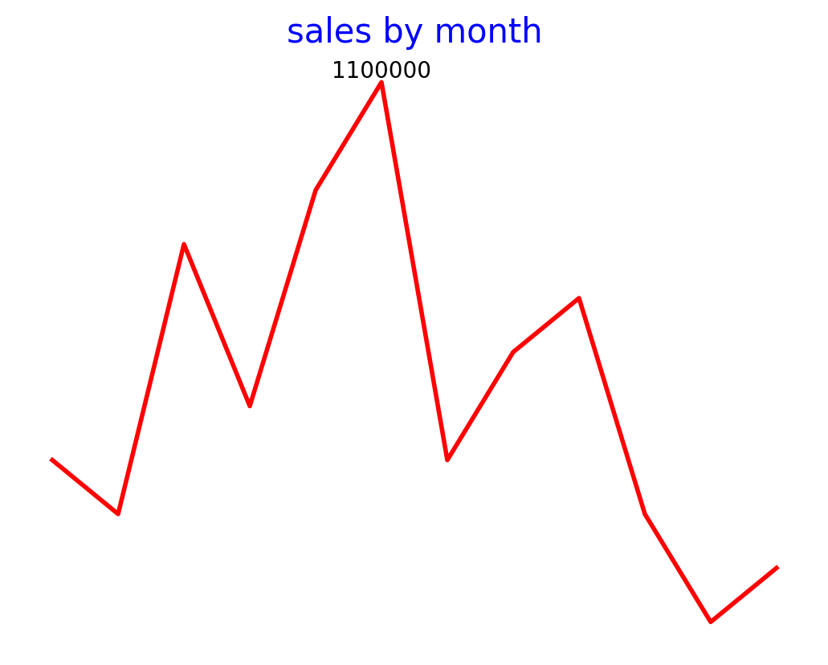
Month | Sales | Profit
Jan | 400000 | 500
Feb | 300000 | 100
Mar | 800000 | 700
Apr | 500000 | 300
May | 900000 | 900
Jun | 1100000 | 100
Jul | 400000 | 200
Aug | 600000 | 300
Sep | 700000 | 200
Oct | 300000 | 200
Nov | 100000 | 800
Dec | 200000 | 200

