parameters
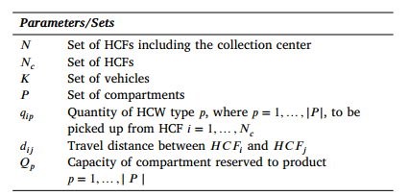
n | 8 | range | 0 | 8
nC | 7 | range | 1 | 8
k | 2 | range | 1 | 3
p | 2 | range | 1 | 3

