p
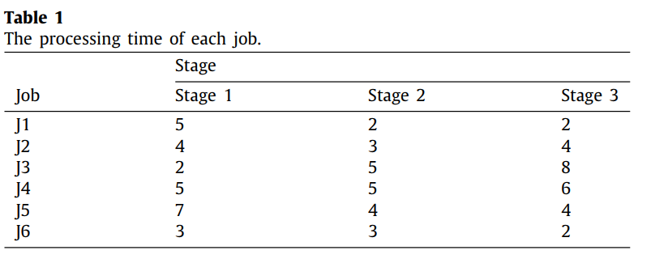
i/k | 0 | 1 | 2 | 3
0 | 5 | 2 | 2 | 0
1 | 4 | 3 | 4 | 0
2 | 2 | 5 | 8 | 0
3 | 5 | 5 | 6 | 1
4 | 7 | 4 | 4 | 9
5 | 3 | 3 | 2 | 0
6 | 8 | 4 | 2 | 0
7 | 1 | 10 | 1 | 6
8 | 5 | 1 | 9 | 0
9 | 3 | 6 | 8 | 6
10 | 8 | 8 | 2 | 0
11 | 5 | 3 | 4 | 10
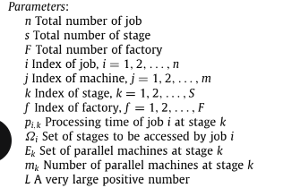
12 | 5 | 10 | 6 | 3
13 | 2 | 10 | 1 | 0
14 | 7 | 3 | 1 | 8
15 | 6 | 6 | 4 | 1
16 | 7 | 10 | 9 | 9
17 | 8 | 10 | 8 | 6
18 | 5 | 1 | 3 | 1
19 | 7 | 9 | 2 | 5
20 | 7 | 10 | 7 | 10
21 | 1 | 2 | 10 | 0
22 | 2 | 2 | 3 | 0
23 | 4 | 10 | 2 | 1
24 | 2 | 9 | 5 | 6
25 | 4 | 3 | 7 | 5
26 | 6 | 5 | 5 | 2
27 | 8 | 6 | 5 | 4
28 | 1 | 10 | 8 | 10
29 | 10 | 8 | 5 | 0
30 | 1 | 2 | 7 | 10
31 | 10 | 7 | 1 | 6
32 | 4 | 1 | 4 | 5
33 | 6 | 3 | 10 | 7
34 | 4 | 9 | 10 | 0
35 | 1 | 3 | 7 | 0
36 | 9 | 5 | 2 | 4
37 | 10 | 10 | 6 | 3
38 | 3 | 6 | 9 | 5
39 | 5 | 3 | 7 | 0
40 | 8 | 10 | 9 | 0
41 | 9 | 9 | 3 | 0
42 | 10 | 4 | 8 | 6
43 | 1 | 1 | 5 | 0
44 | 2 | 9 | 1 | 0
45 | 4 | 9 | 8 | 0
46 | 5 | 4 | 7 | 10
47 | 9 | 2 | 6 | 0
48 | 10 | 2 | 10 | 9
49 | 10 | 2 | 1 | 2

