parameters
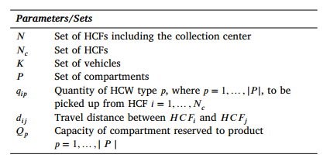
n | 8 | range | 0 | 8
nC | 7 | range | 1 | 8
k | 3 | range | 1 | 3
p | 2 | range | 1 | 3

coor
hospital | x | y | qi1 | qi2
h0 | 30 | 40 | 0 | 0
h1 | 37 | 52 | 5.25 | 1.75
h2 | 49 | 49 | 22.50 | 7.50
h3 | 52 | 64 | 12.00 | 4.00
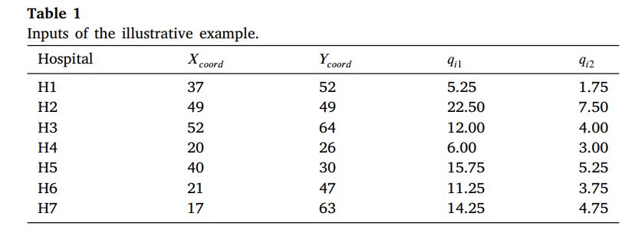
h4 | 20 | 26 | 6.00 | 3.00
h5 | 40 | 30 | 15.75 | 5.25
h6 | 21 | 47 | 11.25 | 3.75
h7 | 17 | 63 | 14.25 | 4.75

 | h6 | 11.25 | 3.75
 | h3 | 12 | 4
 | h2 | 22.5 | 7.5
 | h7 | 14.25 | 4.75
 |  | 60 | 20

