p
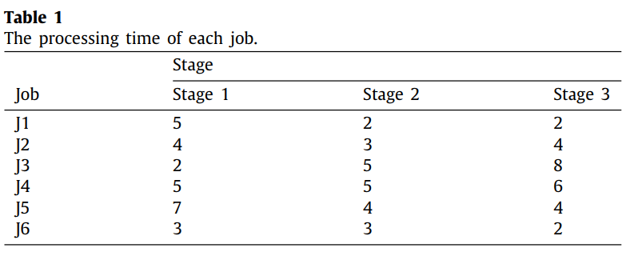
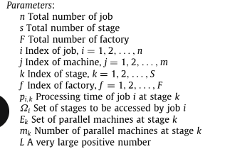
i/k | 0 | 1 | 2
0 | 5 | 2 | 2
1 | 4 | 3 | 4
2 | 2 | 5 | 8
3 | 5 | 5 | 6
4 | 7 | 4 | 4
5 | 3 | 3 | 2
6 | 10 | 4 | 2

