p
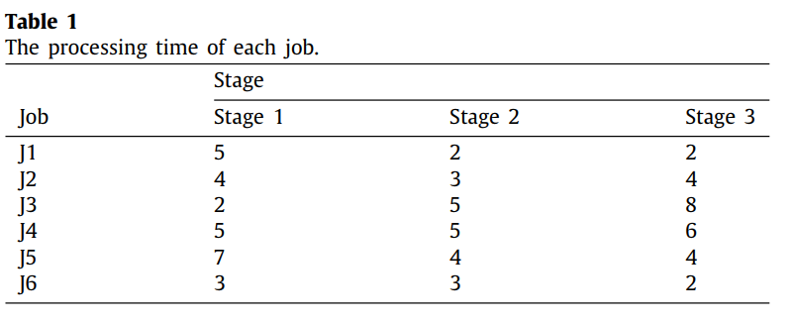
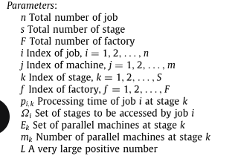
i/k | 0 | 1 | 2
0 | 5 | 2 | 2
1 | 4 | 3 | 4
2 | 2 | 5 | 8
3 | 5 | 5 | 6
4 | 7 | 4 | 4
5 | 3 | 3 | 2
6 | 8 | 4 | 2
7 | 1 | 10 | 1
8 | 5 | 1 | 9
9 | 3 | 6 | 8
10 | 8 | 8 | 2
11 | 5 | 3 | 4
12 | 5 | 10 | 6
13 | 2 | 10 | 1
14 | 7 | 3 | 1
15 | 6 | 6 | 4
16 | 7 | 10 | 9
17 | 8 | 10 | 8
18 | 5 | 1 | 3
19 | 7 | 9 | 2
20 | 7 | 10 | 7
21 | 1 | 2 | 10
22 | 2 | 2 | 3
23 | 4 | 10 | 2
24 | 2 | 9 | 5
25 | 4 | 3 | 7
26 | 6 | 5 | 5
27 | 8 | 6 | 5
28 | 1 | 10 | 8
29 | 10 | 8 | 5
30 | 1 | 2 | 7
31 | 10 | 7 | 1
32 | 4 | 1 | 4
33 | 6 | 3 | 10
34 | 4 | 9 | 10
35 | 1 | 3 | 7
36 | 9 | 5 | 2
37 | 10 | 10 | 6
38 | 3 | 6 | 9
39 | 5 | 3 | 7
40 | 8 | 10 | 9
41 | 9 | 9 | 3
42 | 10 | 4 | 8
43 | 1 | 1 | 5
44 | 2 | 9 | 1
45 | 4 | 9 | 8
46 | 5 | 4 | 7
47 | 9 | 2 | 6
48 | 10 | 2 | 10
49 | 10 | 2 | 1

