p
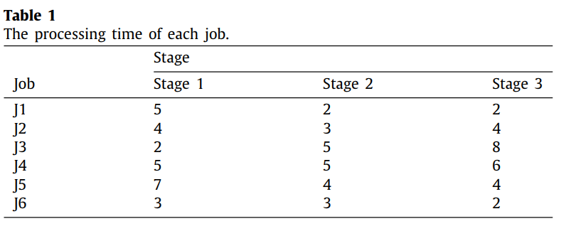
i/k | 0 | 1 | 2 | 3
0 | 5 | 2 | 2 | 3
1 | 4 | 3 | 4 | 7
2 | 2 | 5 | 8 | 4
3 | 5 | 5 | 6 | 6
4 | 7 | 4 | 4 | 3
5 | 3 | 3 | 2 | 7
6 | 8 | 4 | 2 | 9
7 | 1 | 10 | 1 | 6
8 | 5 | 1 | 9 | 0
9 | 3 | 6 | 8 | 0
10 | 8 | 8 | 2 | 0
11 | 5 | 3 | 4 | 3
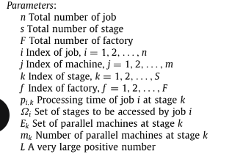
12 | 5 | 10 | 6 | 2
13 | 2 | 10 | 1 | 8
14 | 7 | 3 | 1 | 2
15 | 6 | 6 | 4 | 0
16 | 7 | 10 | 9 | 5
17 | 8 | 10 | 8 | 0
18 | 5 | 1 | 3 | 0
19 | 7 | 9 | 2 | 0
20 | 7 | 10 | 7 | 4
21 | 1 | 2 | 10 | 0
22 | 2 | 2 | 3 | 1
23 | 4 | 10 | 2 | 3
24 | 2 | 9 | 5 | 4
25 | 4 | 3 | 7 | 2
26 | 6 | 5 | 5 | 0
27 | 8 | 6 | 5 | 10
28 | 1 | 10 | 8 | 0
29 | 10 | 8 | 5 | 0
30 | 1 | 2 | 7 | 1
31 | 10 | 7 | 1 | 2
32 | 4 | 1 | 4 | 3
33 | 6 | 3 | 10 | 6
34 | 4 | 9 | 10 | 0
35 | 1 | 3 | 7 | 6
36 | 9 | 5 | 2 | 0
37 | 10 | 10 | 6 | 9
38 | 3 | 6 | 9 | 0
39 | 5 | 3 | 7 | 4
40 | 8 | 10 | 9 | 10
41 | 9 | 9 | 3 | 10
42 | 10 | 4 | 8 | 8
43 | 1 | 1 | 5 | 0
44 | 2 | 9 | 1 | 0
45 | 4 | 9 | 8 | 0
46 | 5 | 4 | 7 | 5
47 | 9 | 2 | 6 | 4
48 | 10 | 2 | 10 | 0
49 | 10 | 2 | 1 | 2

