p
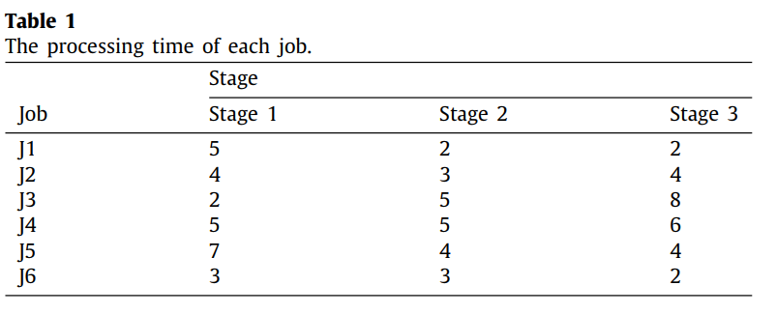
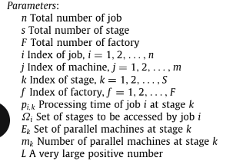
i/k | 1 | 2 | 3
1 | 5 | 2 | 2
2 | 4 | 3 | 4
3 | 2 | 5 | 8
4 | 5 | 5 | 6
5 | 7 | 4 | 4
6 | 3 | 3 | 2

