Resume Agent
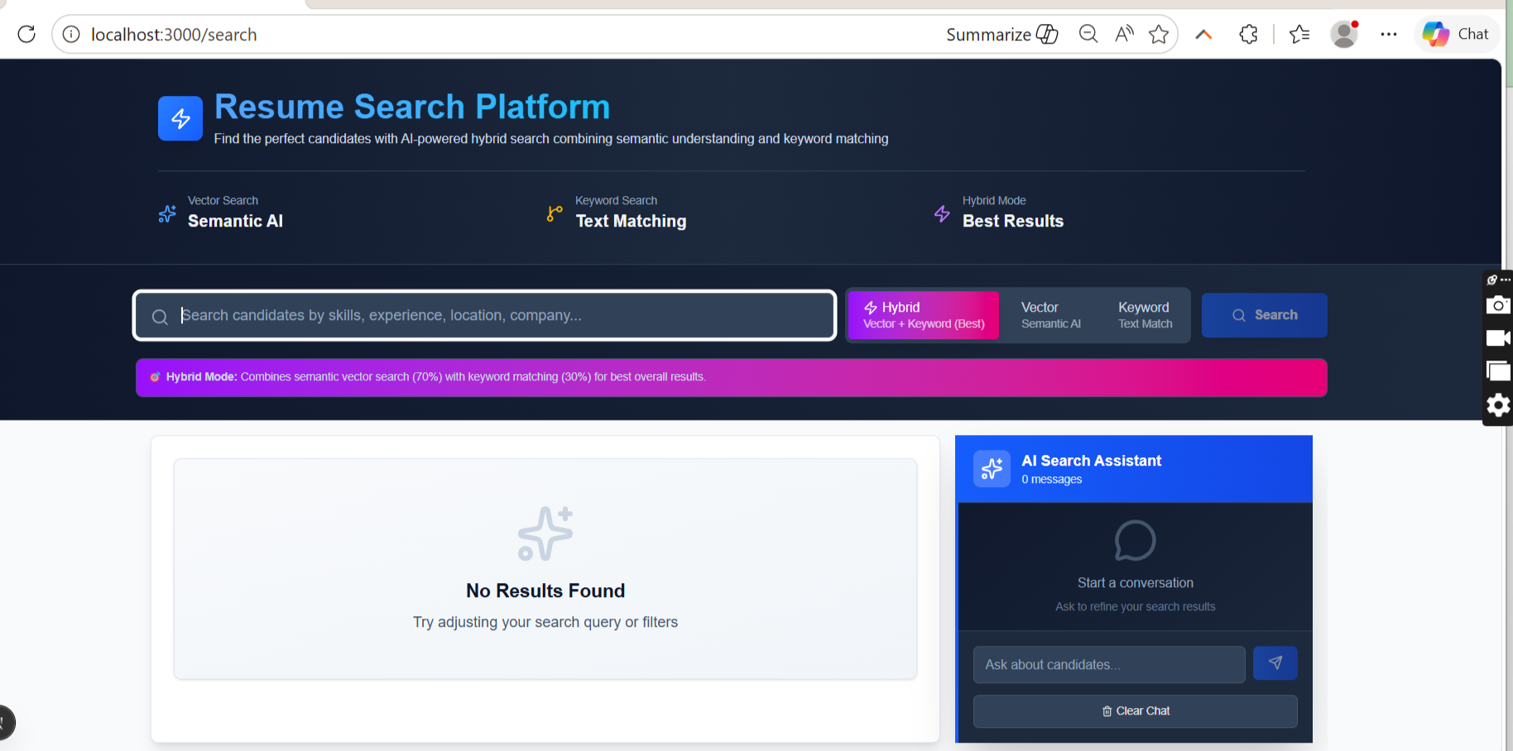
Resume Search Agent

Resume Agent 2
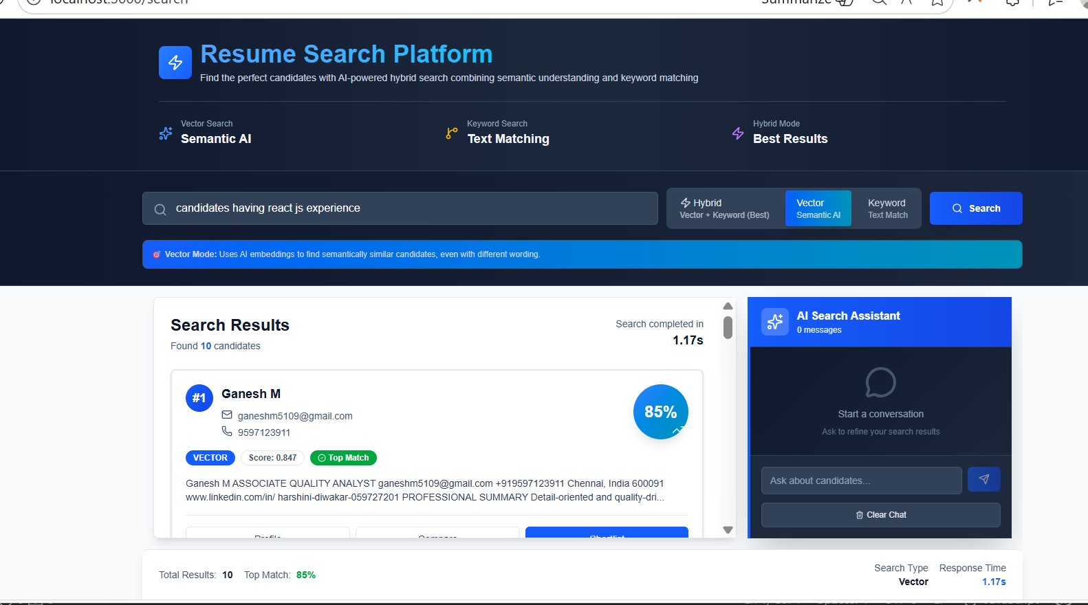
Resume Search Agent - Vector Search

Resume Agent 3
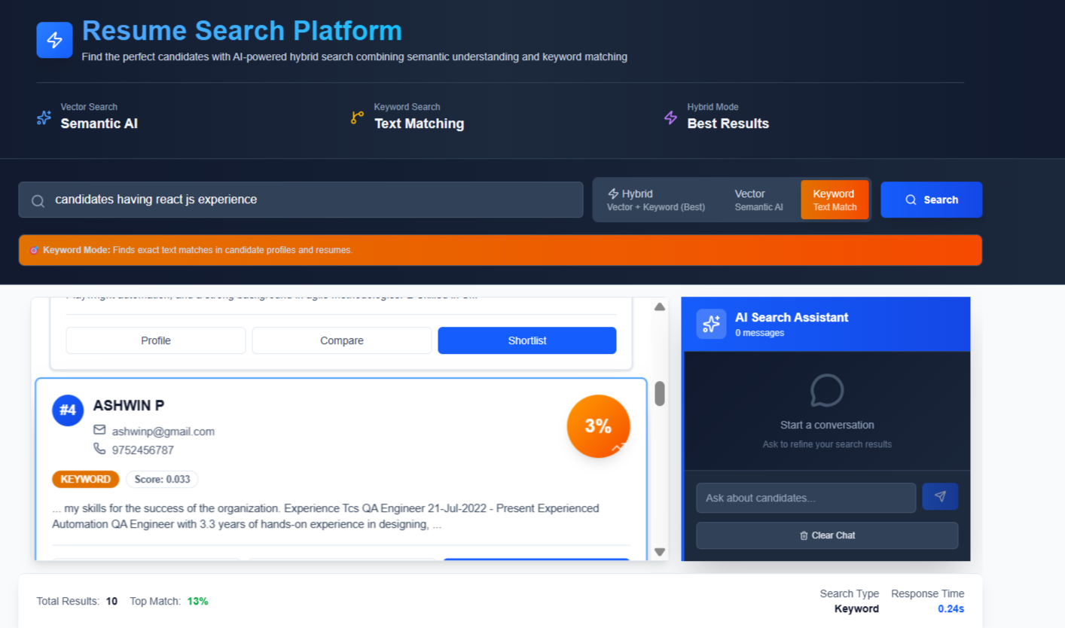
Resume Search Agent - Keyword Search

Resume Agent 4
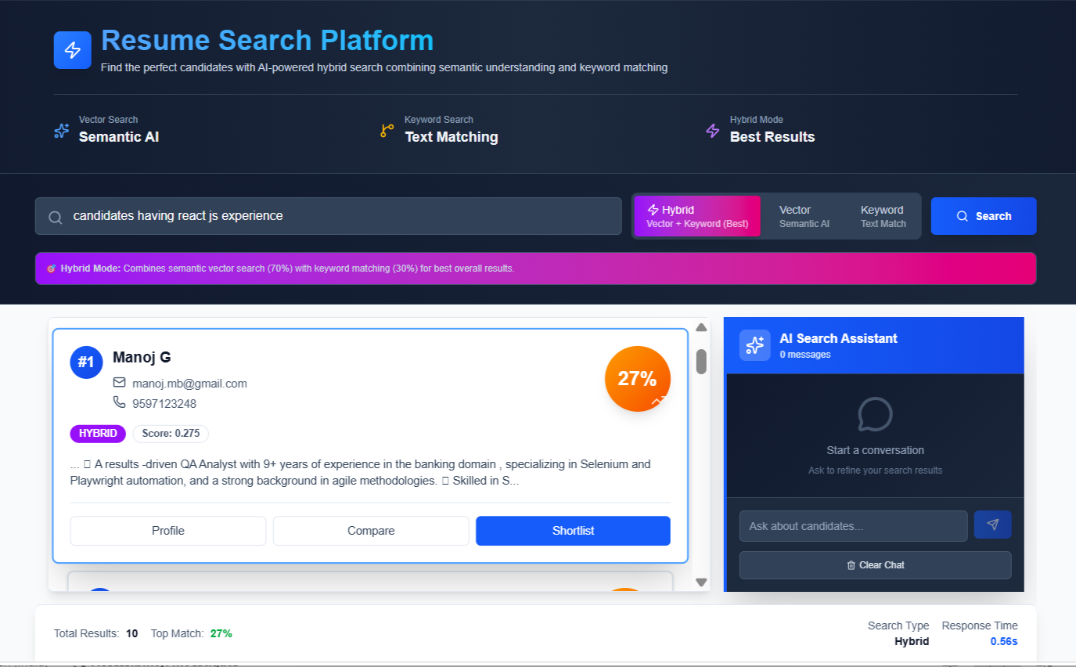
Resume Search Agent - Hybrid search

QA Agent -01

QA Agent - One File

QA Agent -02

QA Agent - Multiple File

QA-Agent-05

QA Agent - Technical Analysis

