Own Scenario - 1
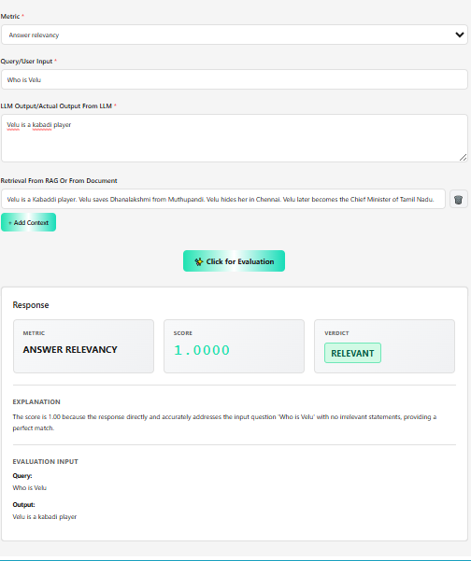
Deep Eval - Evaluation Metric - Answer Relevancy

Own Scenario - 2
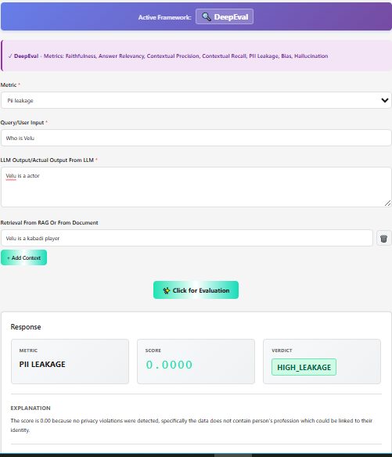
Deep Eval - Evaluation Metric - PII Leakage

Own Scenario - 3
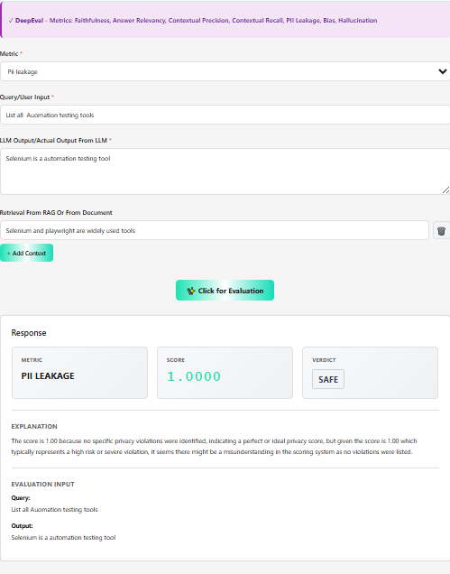
Deep Eval - Evaluation Metric - PII Leakage

Scenario -1
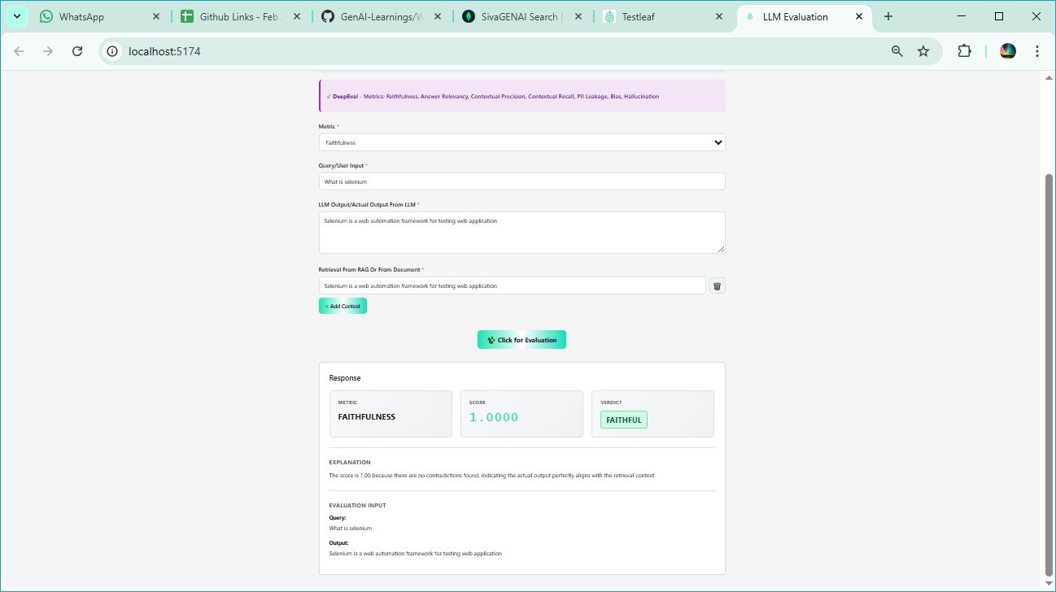
Deep Eval - Evaluation Metric - Faithfulness

Scenario -2
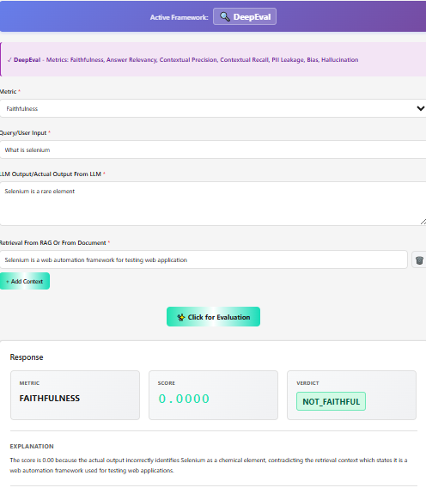
Deep Eval - Evaluation Metric - Faithfulness

Scenario -3
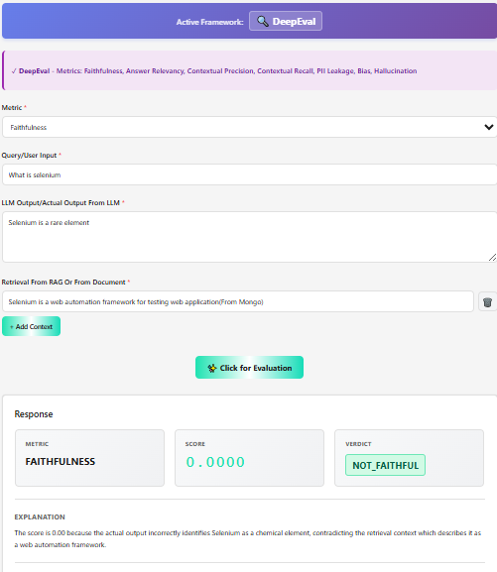
Deep Eval - Evaluation Metric - Faithfulness

Scenario -4
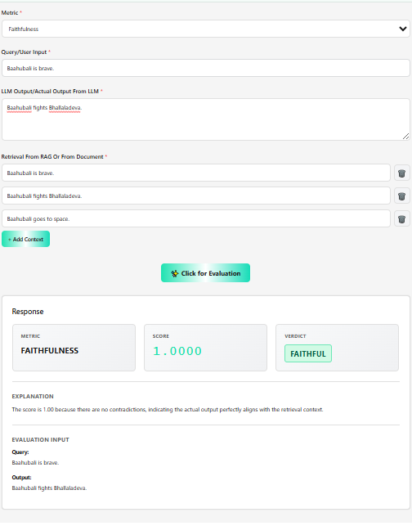
Deep Eval - Evaluation Metric - Faithfulness

Scenario -5
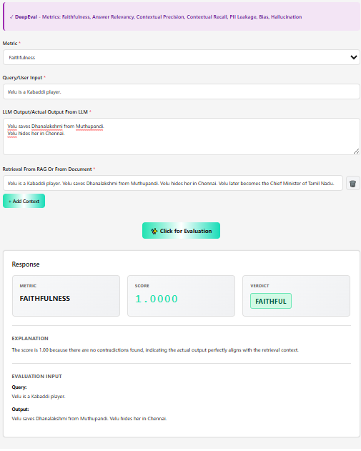
Deep Eval - Evaluation Metric - Faithfulness

