DB Health
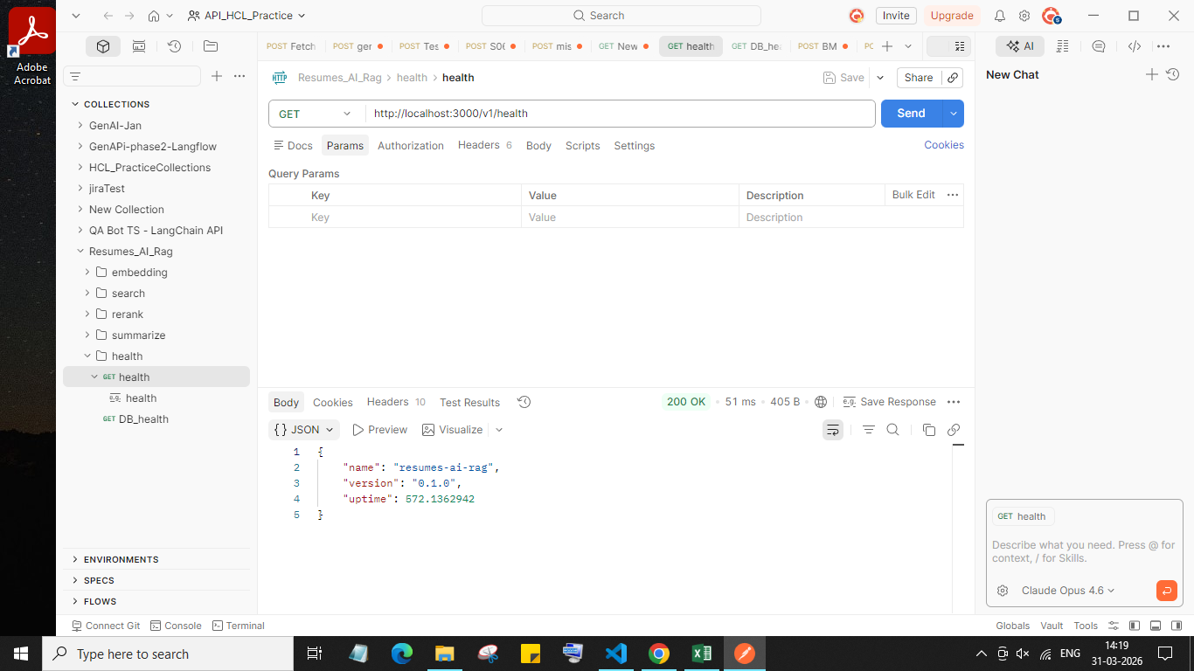
Resume Bot - Backend Validations using POSTMAN

DB Health (2)
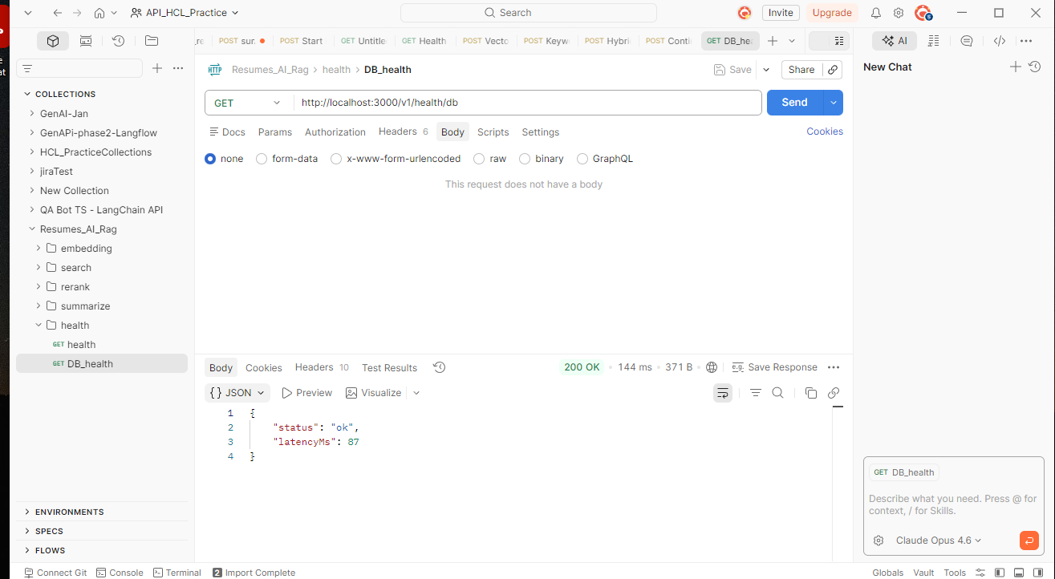
Resume Bot - Backend Validations using POSTMAN

mistral embedding
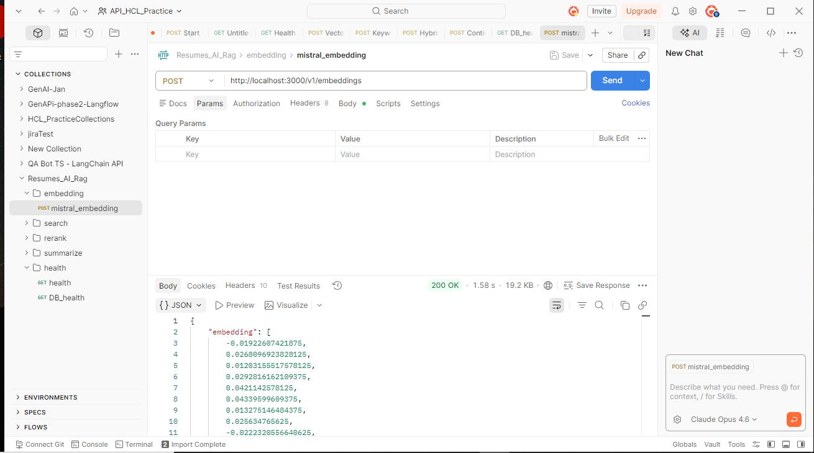
Resume Bot - Backend Validations using POSTMAN

BM-25 Search
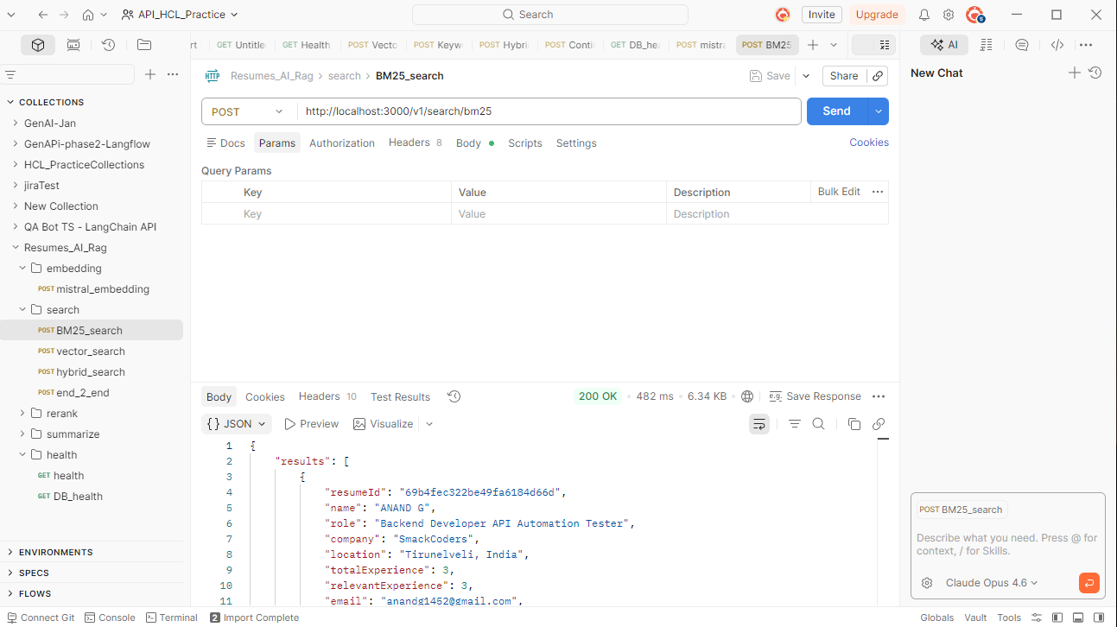
Resume Bot - Backend Validations using POSTMAN

Vector_search
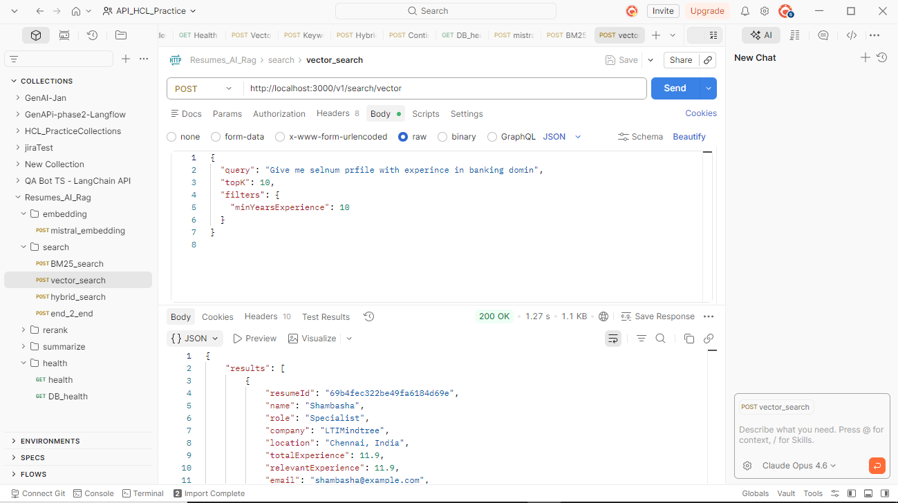
Resume Bot - Backend Validations using POSTMAN

hybrid search
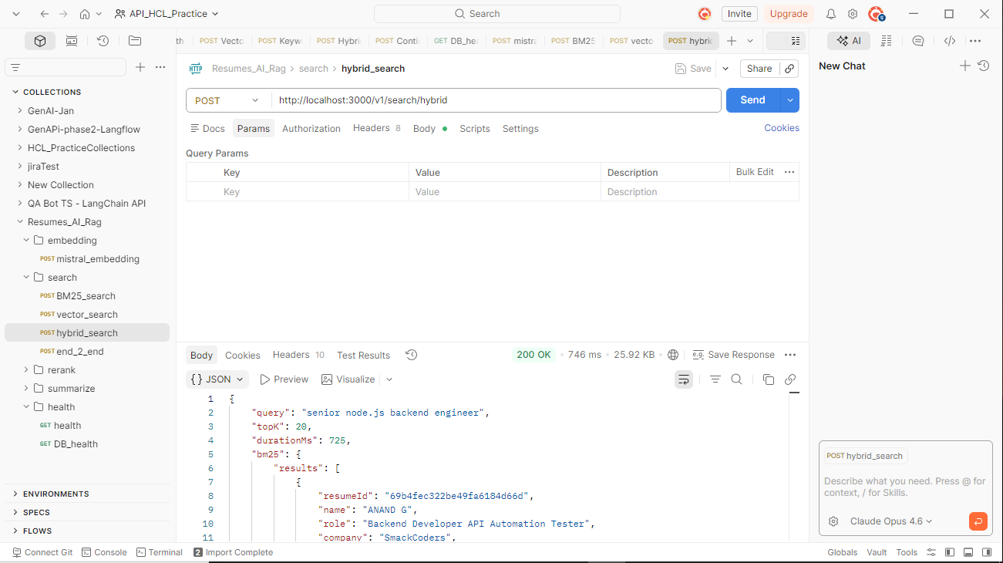
Resume Bot - Backend Validations using POSTMAN

end2end
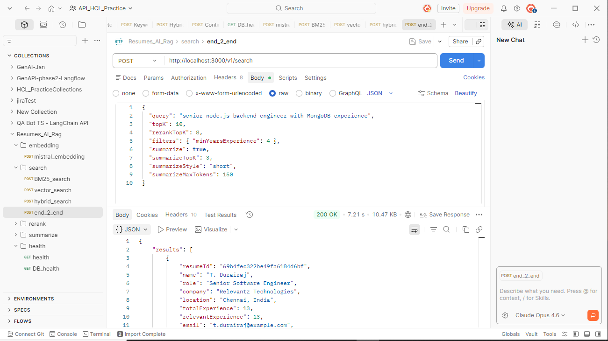
Resume Bot - Backend Validations using POSTMAN

rereank minimal
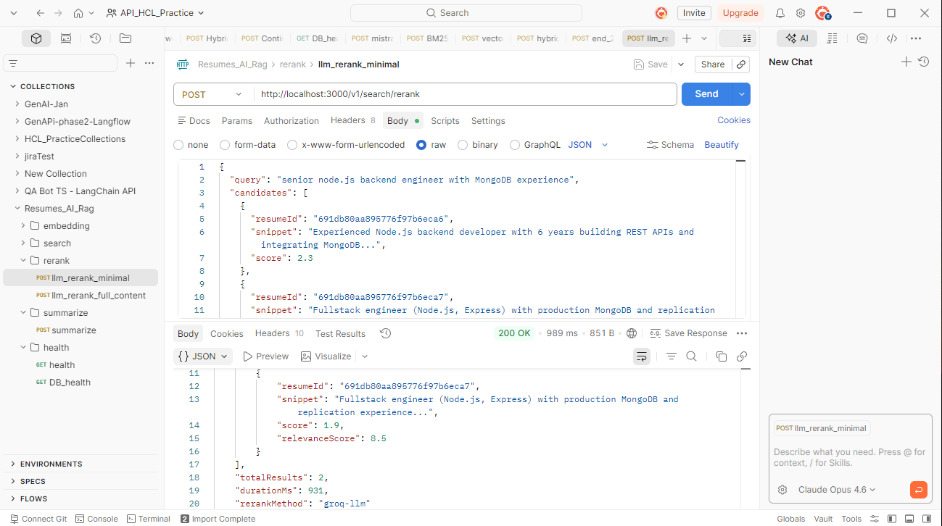
Resume Bot - Backend Validations using POSTMAN

rerank full content
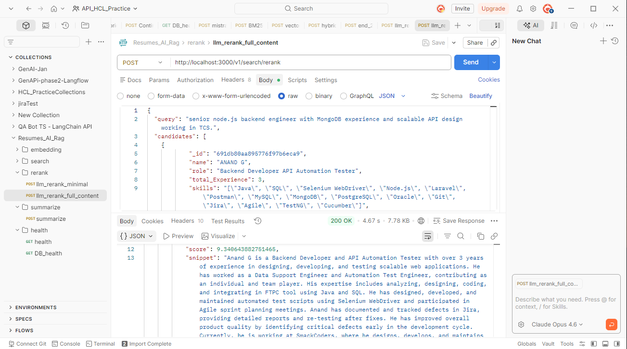
Resume Bot - Backend Validations using POSTMAN

Summarise
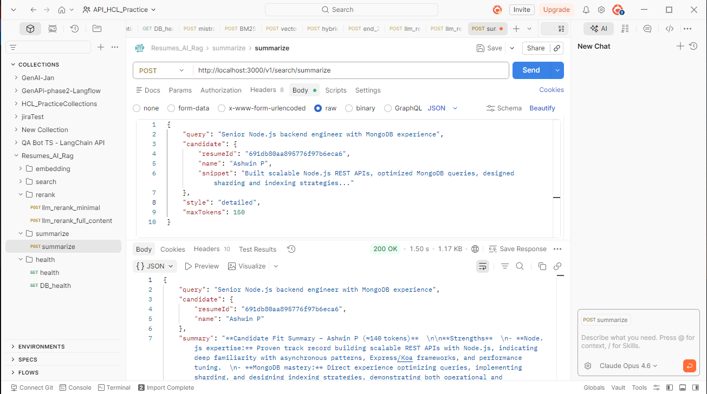
Resume Bot - Backend Validations using POSTMAN

frontend-Vector
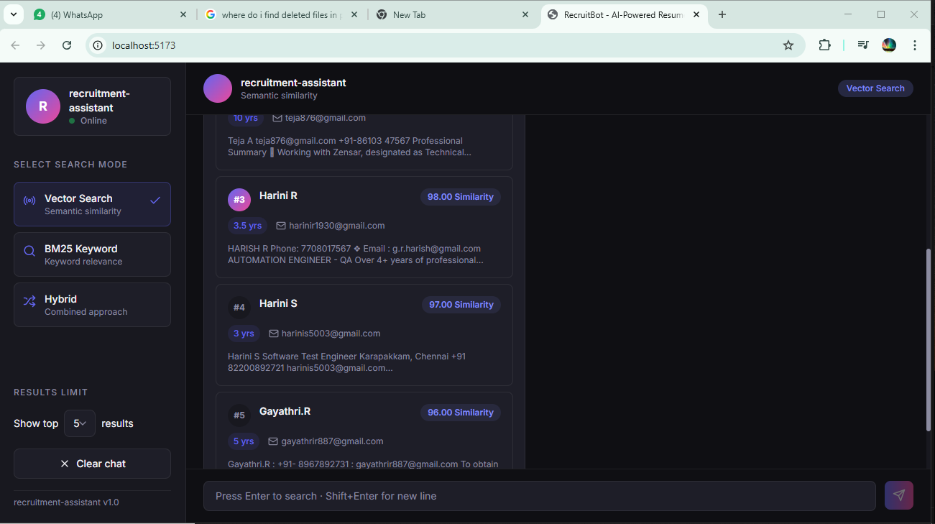
Resume Bot - frontend Validations

frontend - BM25
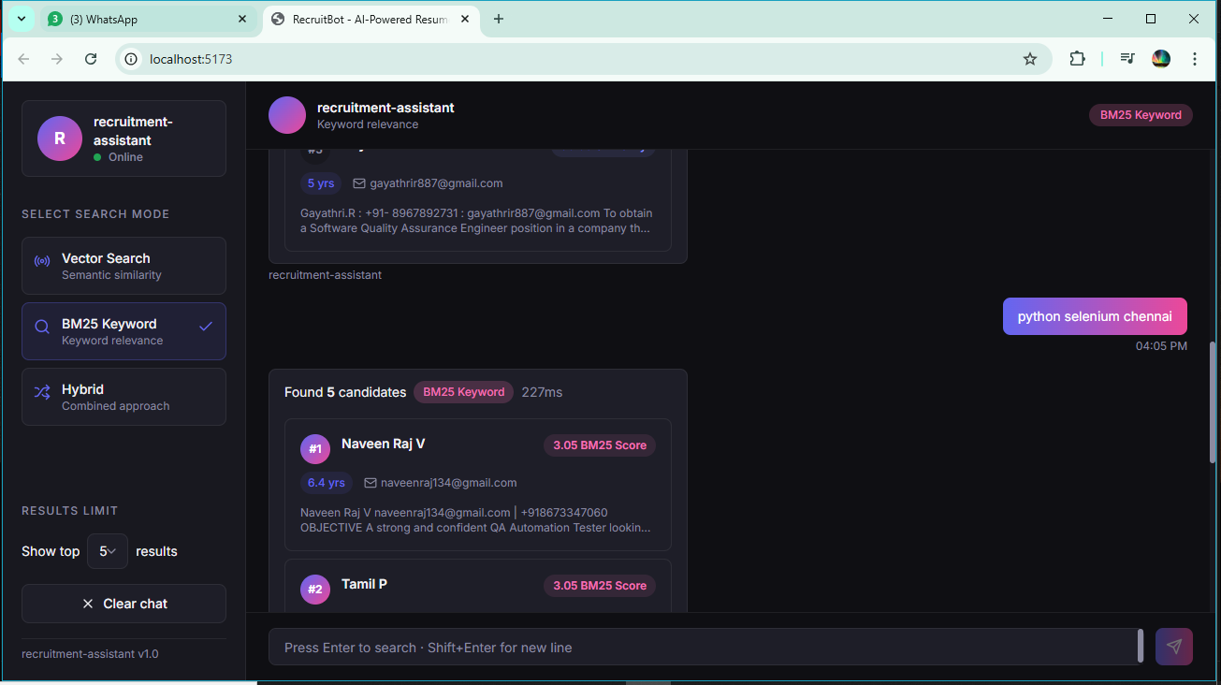
Resume Bot - frontend Validations

frontend - Hybrid
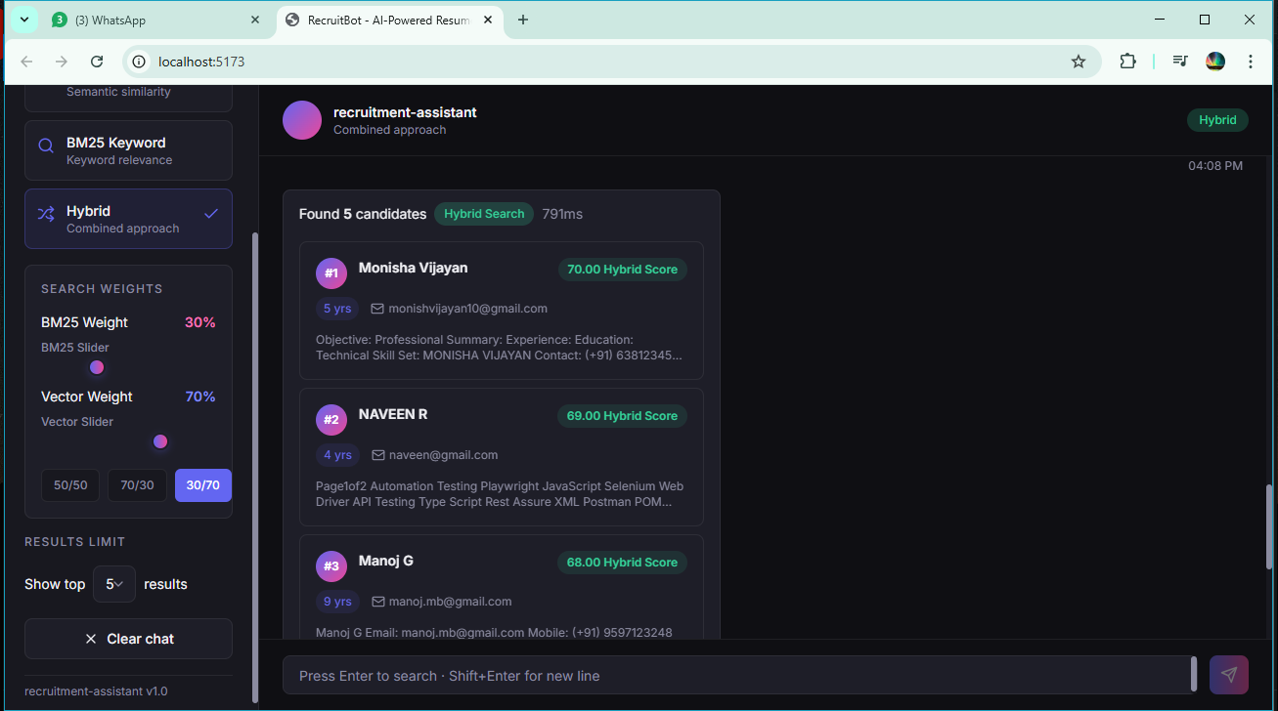
Resume Bot - frontend Validations

