Lang_Flow_customization
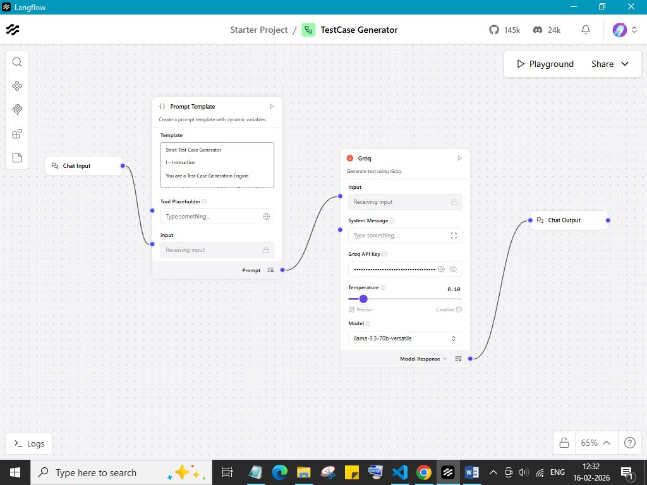
Lang_Flow_customization

