TestCase Embeded
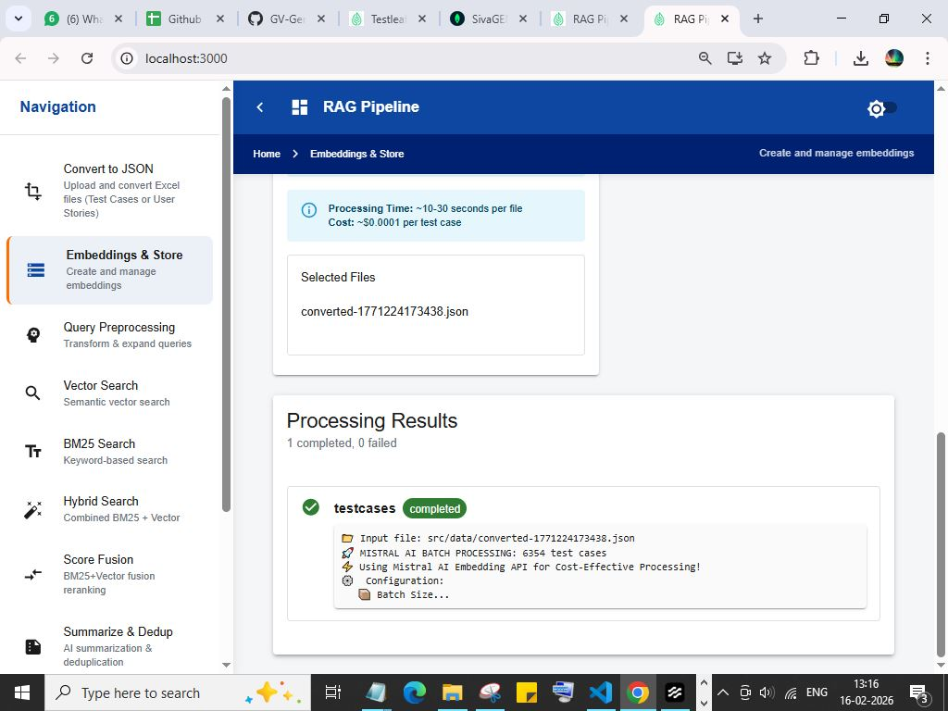
TestCase Embeded

User-Story Embeded
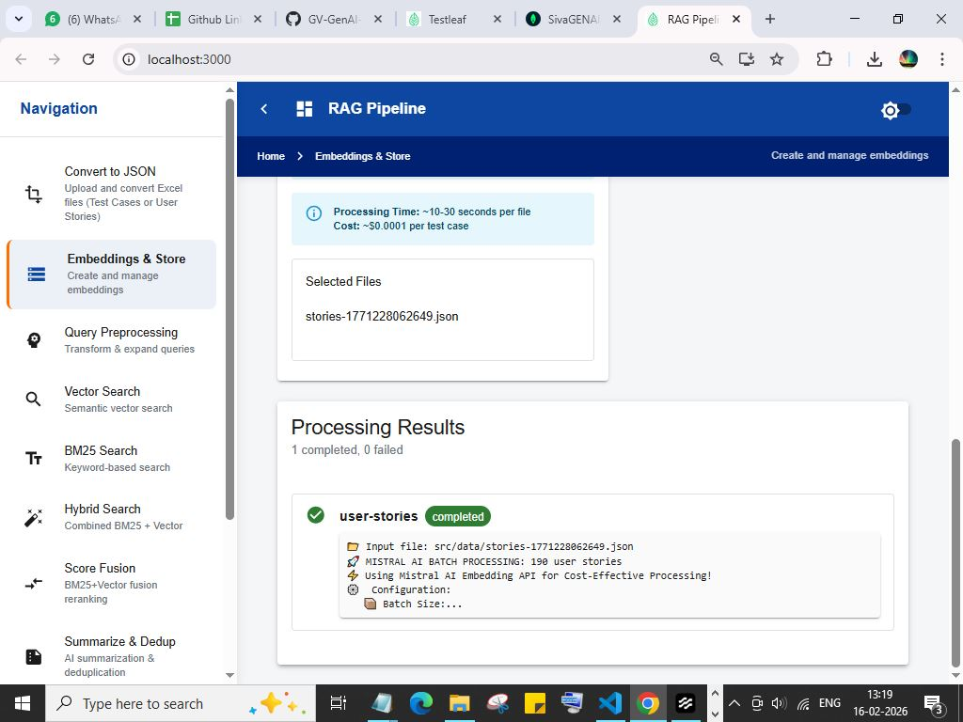
User-Story Embeded

