BM_25 Search
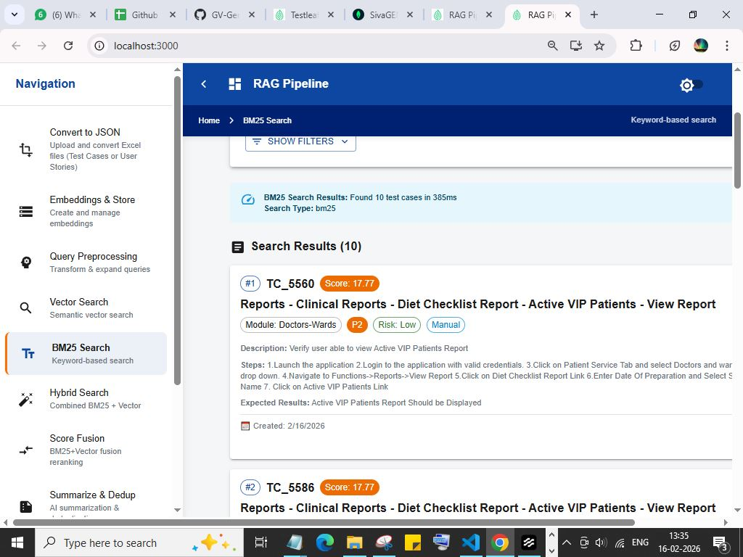
BM_25 Search

Vector_search
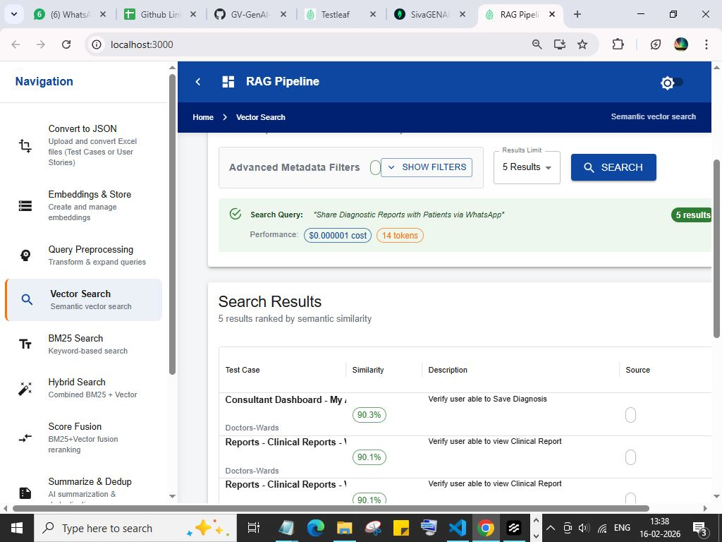
Vector_search

Hybrid Search

Hybrid Search

De-Duplication
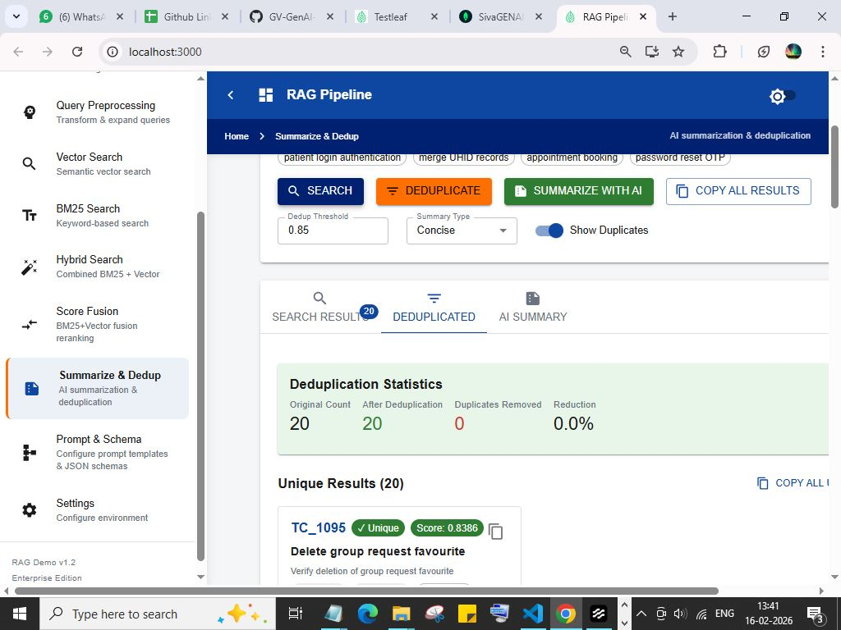
De-Duplication

Summarization
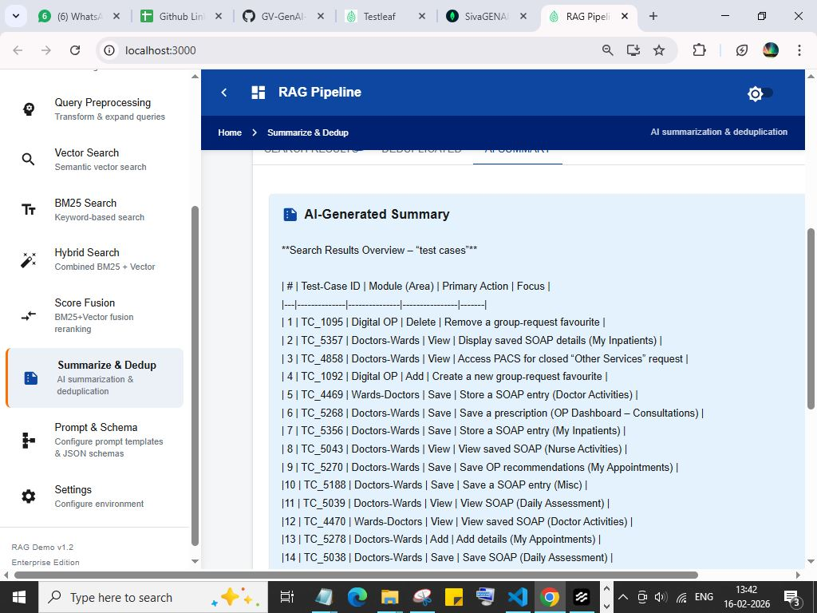
Summarization

