Test Plan
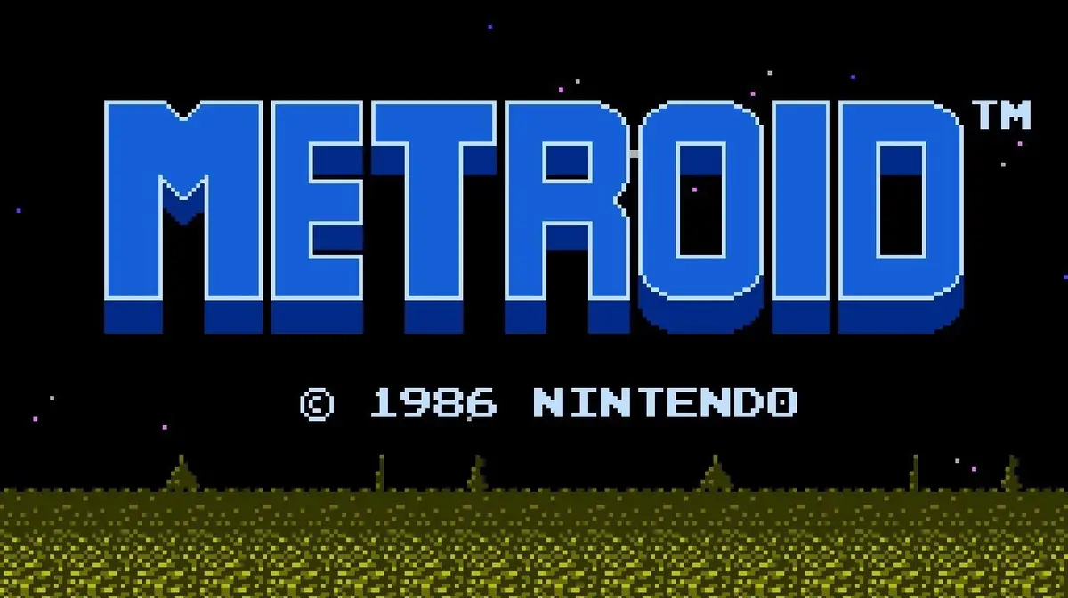

Test Plan Title | Testing Metroid for NES after 38 years of its release
Introduction | The videogame Metroid for the console Nintendo Entertainment System is put to the test with the test cases devised on this project. Even though not all the videogame features will be tested here, there will be tests for the title screen, main menu and the first screen of the game. This Test Plan is mainly for educational purposes to learn how to create Test Plans, Test Suites and Test Cases for videogames, as well as to practice it with a practical exercise.
Scope | -In Scope: Title Screen, Main menu and Game Scene Test Suites. Within the first one, there will be tests related to the functionality with the buttons and title animation. In the second Test Suite, there are tests regarding functionality, screen transition and animation. Lastly, for the Game Scene Test Suite, there are tests testing the functionality and some animations related to the main character's actions. -Out of Scope: Neither performance, accesibility, integration, regression, usabilty nor secutiry tests are included here, all of them are functional tests. Nonetheless, scope is reduced to only the Test Suites aforementioned. In addition, there will not be any test for the audio, other animations and some enemies behaviour.
Test Resources | -Test Team: Sira Garcerán García -Test Environment: The hardware used is Nintendo Switch (ver 19.0.1) and the Software used is Nintendo Entertainment System Emulator (ver 6.9.0) -Tools: Microsoft Excel to manage the Test Plan
Testing Approaches | All the features tested are: -Title screen animation -Title screen transition to the Main menu -Selection feature in the Main menu -Start feature -Continue feature -Main character's movement feature (Joystick and D-pad) -Jump feature -Shoot feature
Testing Techniques | Manual testing using the Smoke and Exploratory testing methods
Test Case Design | First, different Test Suites for each screen were made to separate them into smaller groups and not mix features that do not compete in other scenes. Every Test Case is created having a feature in mind and different possibilities owing to the possible inputs.
Defect Report | When a bug is discovered within this Test Plan, a bug report is created for each fault answering the who, how, what, where and when questions. This report contains all the details to reproduce the bug and knows the main source of the problem. The template consists of: Title, Bug ID, Description, Report date, Priority, Steps to reproduce, Reproduction date, Expected result and Screenshots. The reproduction rate range is: -1%-9%: rarely -10%-49%: occasionally -50%-99%: often -100%: every time The priority range created for the project is: -High priority: Hang and crashes, major problems that destroys the user data -Medium priority: Progression blocks and freezes, problems that hinders the progression of the user -Low-medium and Low-low priorities: minor bugs that do not significantly affect on the progression of the game

Other information about the game and hardware | -The title animation has a duration of around 30 seconds: https://www.youtube.com/watch?v=ArQ_n2Hthao -On the Nintendo Switch, the joystick is represented by a value of 1 byte. In decimal, a value of 127 indicates the rest position; values greater than 127 indicate a right position, while values less than 127 indicate a left position: https://github.com/dekuNukem/Nintendo_Switch_Reverse_Engineering -Metroid controls. We should also consider that since this is the emulation version of Nintendo Switch, the joystick is part of the controllers, which behaves just like the D-pad: https://metroid.neoseeker.com/wiki/Metroid_Controls -Metroid in-game information, such as the name of the enemies: https://metroid.fandom.com/es/wiki/Metroid_(videojuego)#Enemigos

