Overview Dashboard
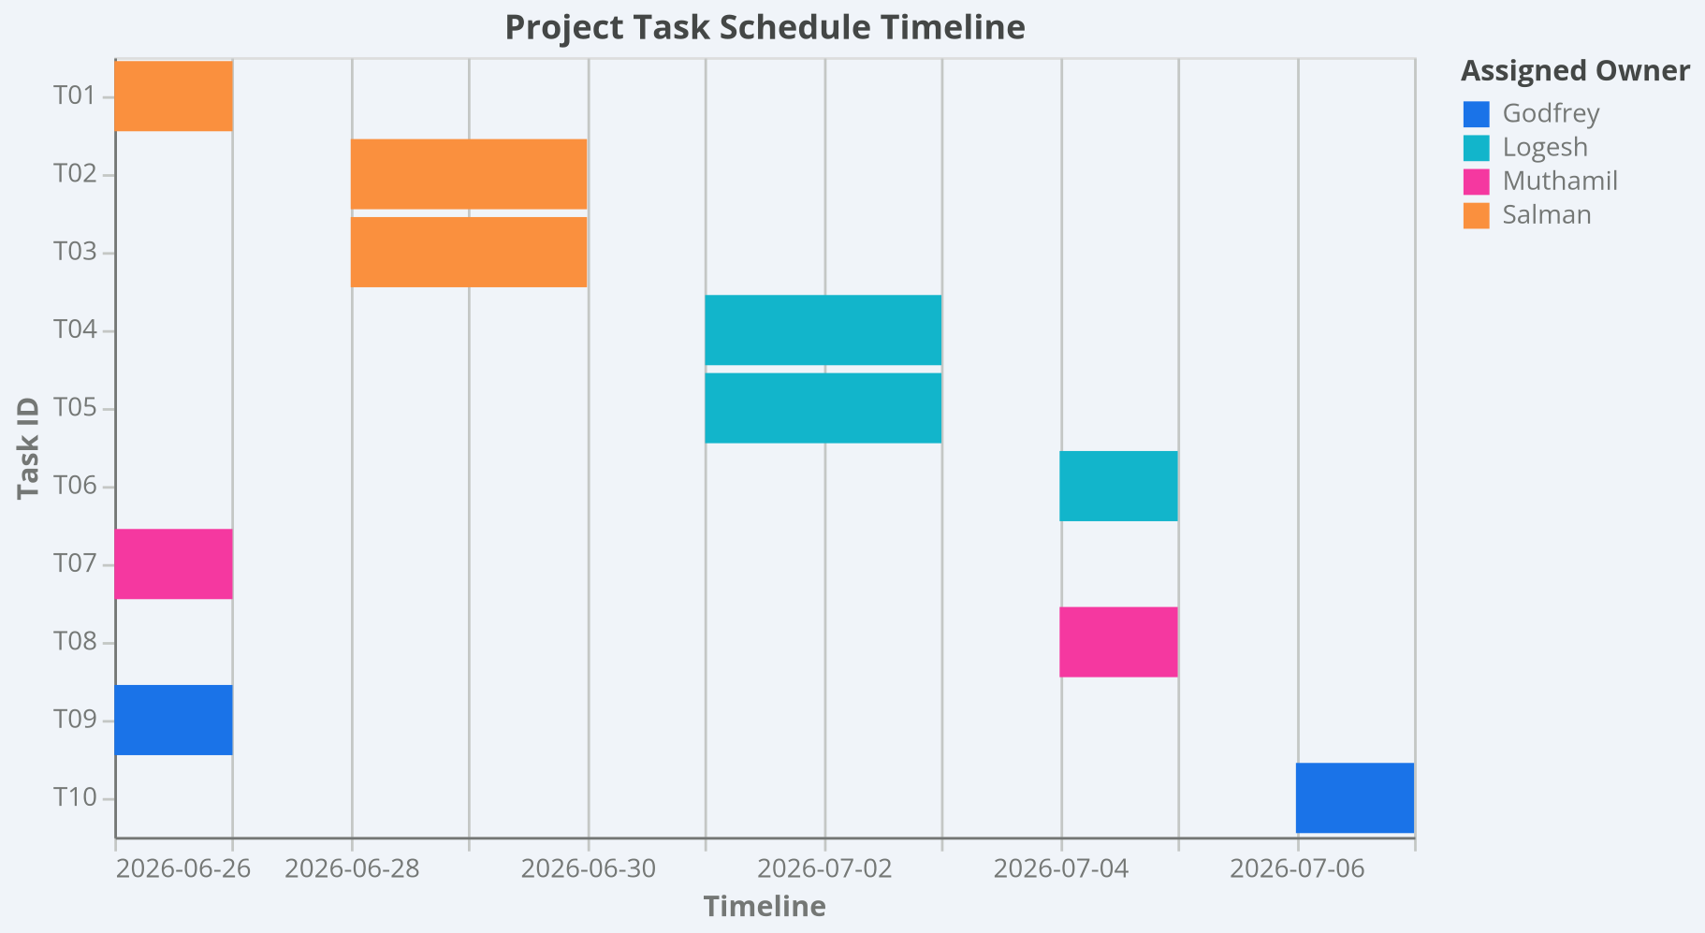
DEXTRA MANAGEMENT CONSOLE & PROGRESS DASHBOARD

 | TOTAL BACKLOG TASKS | COMPLETED TASK ITEMS | PROJECT COMPLETION PROGRESS | ACTIVE QA TICKETS | Developer | Total Days | Status | Count
 | 10 | 0 | 0.0% | 0 | Salman | 5 | To Do | 10
 |  |  |  |  | Logesh | 5 | In Progress | 0
 |  |  |  |  | Muthamil | 2 | Done | 0
 |  |  |  |  | Godfrey | 2

