Sheet1
Shop_ID | Region | shop_photo | last_updated
IQ008020 | Baghdad |   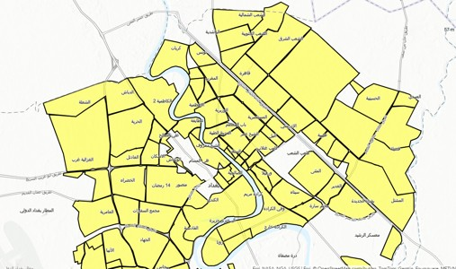 2025-06-14 12:55:24 | 2025-06-14 11:48:57
IQ006371 | Furat1
IQ008027 | Baghdad
IQ002066 | North1
IQ001576 | North1
IQ007108 | North1
IQ006270 | North1
IQ002489 | North1
IQ002525 | North1
IQ006261 | North1
IQ007054 | North1
IQ008035 | North1
IQ008034 | North1
IQ000223 | North1

