Cover
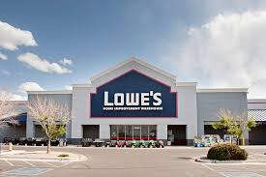

Lowe’s (NYSE:LOW)

Operating Financial Model
Harrison Doan
January 22nd, 2025

