Cover

AGNICO EAGLE MINES LIMITED
Comprehensive Financial Model & Valuation

TSX: AEM | NYSE: AEM

Model Scope:
Historical Inputs: FY2020–2025 (Audited Consolidated Financial Statements)
Quarterly Actuals: Q1–Q4 2025
Mine Operations: 10 producing mines + 4 development projects across 5 regions (FY2025A data)
Projections: FY2026E–2029E (3-statement model)
Scenario Analysis: Bull ($7K gold, 8% growth) & Bear ($5K gold, 5% growth)
Valuation: DCF (exit multiple), NAV (reserve-based), Comparable Companies

Prepared by: Jaden Kwek
Last updated: February 2026
Data sources: Agnico Eagle Annual Reports (FY2020-2025A), Q4 2025 News Release (Feb 12, 2026), SEC EDGAR

Dashboard
AGNICO EAGLE MINES — EXECUTIVE SUMMARY DASHBOARD |  |  |  |  |  |  |  | FY2025A | FY2026E | FY2027E | FY2028E | FY2029E
 |  |  |  |  |  |  | Revenue ($M) | 11,908 | 20,400 | 19,720 | 21,298 | 23,678
 |  |  |  |  |  |  | Net Income ($M) | 4,461 | 9,438 | 8,908 | 9,812 | 11,084
ACTIVE SCENARIO | Bull |  |  | CURRENT SHARE PRICE | $228.26 |  | FCF ($M) | 6,688 | 10,828 | 10,610 | 11,544 | 13,067

Projected Revenue, Net Income & FCF ($M)
VALUATION SUMMARY
Methodology | Implied Price | Upside / (Downside) | Weight | Wtd. Contribution
DCF (exit multiple) | $370.86 | 62.5% | 50% | $185.43
NAV (reserve-based) | $162.37 | -28.9% | 30% | $48.71
Comps (peer EV/EBITDA) | $328.68 | 44.0% | 20% | $65.74

BLENDED TARGET PRICE | $299.87
Implied Upside / (Downside) | 31.4%

SCENARIO COMPARISON
 | FY2025A | FY2026E | FY2027E | FY2028E | FY2029E |  | FY2025A
Gold price (active, $/oz) | $3,500 | $6,000 | $5,800 | $6,264 | $6,765
Production (Koz) | 3,447 | 3,400 | 3,400 | 3,400 | 3,500
Revenue ($K) | $11,907,851 | $20,400,000 | $19,720,000 | $21,297,600 | $23,677,920
Net Income ($K) | $4,461,461 | $9,437,818 | $8,907,561 | $9,812,366 | $11,083,785
EPS (diluted) | $8.86 | $19.15 | $18.28 | $20.35 | $23.24
Unlevered FCF ($K) | $6,688,496 | $10,827,968 | $10,610,214 | $11,544,073 | $13,067,077 |  | FY2025A | FY2025E | FY2026E | FY2027E | FY2028E | FY2029E
 |  |  |  |  |  |  | Gold Price ($/oz) | 3,500 | 6,000 | 5,800 | 6,264 | 6,765
KEY METRICS AT A GLANCE |  |  |  |  |  |  | Production (Koz) | 3,447 | 3,400 | 3,400 | 3,400 | 3,500

Gold Price & Production Outlook
WACC | 7.6% |  | Terminal Growth | 8.0%
FY2024 AISC ($/oz) | $1,281 |  | FY2025A AISC ($/oz) | FY2025A AISC ($/oz) | 1339
P&P Reserves (Moz) | 54.771 |  | Weighted Avg Mine Life | ~15 yrs
NAVPS (reserve basis) | $162.37 |  | P/NAV (current) | 1.41x
DCF Price (exit mult.) | $370.86 |  | DCF Upside | 62.5%

INVESTMENT THESIS

BULL CASE: Gold $7,000 by end 2026, 8% terminal growth
→ DCF implies ~$371/share (63% upside). Record FCF driven by $6,000+ avg gold price, stable
AISC at ~$1,482/oz (FY2026E), and 3.4M oz annual production. AEM's Tier 1 jurisdictions and organic
pipeline (Odyssey, Detour UG, Hope Bay) de-risk delivery. Strongest balance sheet in the sector.

BEAR CASE: Gold $5,000 by end 2026, 5% terminal growth
→ Switch scenario toggle in Assumptions!B6 to "Bear" to see impact on all projections.
Lower gold price compresses margins but AEM's low AISC still generates positive FCF even
at $5,000/oz. 5% terminal growth reflects lower monetary expansion and potential gold pullback.

KEY RISK: AEM's premium valuation (~10x EV/EBITDA vs peer median ~6.25x) leaves limited margin
of safety. Any operational miss or gold price correction could trigger de-rating.

BULL vs BEAR SCENARIO COMPARISON
Metric | FY2025A |  |  |  |  |  | FY2025A |  |  |  |  | Δ (Bull - Bear)
 | FY2025E | FY2026E | FY2027E | FY2028E | FY2029E |  | FY2025E | FY2026E | FY2027E | FY2028E | FY2029E | FY2029E
Gold Price ($/oz) | $3,500 | $6,000 | $5,800 | $6,264 | $6,765 |  | $3,500 | $5,000 | $4,200 | $4,410 | $4,631 | $2,135
Revenue ($M) | 12,065 | 20,400 | 19,720 | 21,298 | 23,678 |  | 12,065 | 17,000 | 14,280 | 14,994 | 16,207 | 7,471
Net Income ($M) | 4,443 | 9,438 | 8,908 | 9,812 | 11,084 |  | 4,443 | 7,228 | 5,372 | 5,715 | 6,228 | 4,856
EPS (diluted) | $8.89 | $19.15 | $18.28 | $20.35 | $23.24 |  | $8.89 | $14.66 | $11.02 | $11.85 | $13.06 | $10.18
UFCF ($M) | 6,661 | 10,828 | 10,610 | 11,544 | 13,067 |  | 6,661 | 8,292 | 6,398 | 6,724 | 7,342 | 5,725
EBITDA Margin | 68.6% | 79.3% | 78.0% | 78.9% | 79.6% |  | 68.6% | 75.1% | 69.6% | 70.1% | 70.2% | 9.4%
Net Margin | 36.8% | 46.3% | 45.2% | 46.1% | 46.8% |  | 36.8% | 42.5% | 37.6% | 38.1% | 38.4% | 8.4%

VALUATION FOOTBALL FIELD
Methodology | Low | Base | High | Current | Range Width | vs Current
DCF (exit multiple) | $260 | $371 | $482 | $228 | $223 | 62.5%
NAV (reserve-based) | $130 | $162 | $244 | $228 | $114 | -28.9%
Comps (peer EV/EBITDA) | $200 | $329 | $320 | $228 | $120 | 44.0%
52-Week Range | $70 | $228 | $210 | $228 | $140 | 0.0%

BLENDED RANGE | $70 | $300 | $482 | $228 | $412 | 31.4%

MODEL NAVIGATION
Input --> │ Historical financials (FY2020-2024) + Quarterly (Q1-Q3 2025) + Mine Operations
Assumptions --> │ Gold price scenarios (Bull/Bear toggle), WACC, production, costs
Projections --> │ Projected P&L, CFS, Balance Sheet (FY2025E-2029E)
Valuation --> │ DCF, Unit Economics (AISC), NAV Analysis, Comparable Companies

Q4 2025 EARNINGS FLASH — VARIANCE BRIDGE
Fill BLUE cells with actuals when Q4 results drop. Variance bridge auto-calculates.

Q4 2025 ESTIMATES vs. ACTUALS | Your Estimate | Actual | Δ (Act - Est) | % Var
Avg Realized Gold Price ($/oz) | $4,163 | $4,163 | $0 | 0.0%
Gold Production (oz) | 840,608 | 840,608 | 0 | 0.0%
AISC — by-product ($/oz) | $1,517 | $1,537 | $20 | 1.3%
Revenue ($M) | $3,564.0 | $3,564.0 | $0.0 | 0.0%
EPS (diluted) | $3.04 | $3.04 | $0.00 | 0.0%
Net Income ($M) | $1,294.1 | $1,294.1 | $0.0 | 0.0%

VARIANCE BRIDGE — WHY DID AEM BEAT / MISS? | Formula | Impact ($M) | % of Total | Quality
① Price Variance | (Act. Price - $4,400) × Act. Oz | $0.0 | 0.0% | Low
② Volume Variance | (Act. Oz - 843K) × $4,400 | $0.0 | 0.0% | High
③ Cost Variance | (Est. AISC - Act. AISC) × Act. Oz | -$16.8 | 100.0% | High
TOTAL REVENUE VARIANCE |  | -$16.8 | 100.0%

BEAT / MISS QUALITY ASSESSMENT |  | Result | Signal
EPS Beat / Miss |  | IN-LINE | ✅
High-Quality Drivers (Vol + Cost) |  | $16.8M negative | ⚠️ Low quality
Price-Driven (Low-Quality) |  | $0.0M headwind | ✅ Balanced
Overall Verdict |  | MIXED SIGNAL

PRO TIP FOR AFTER-HOURS TRADING:
If AEM beats your EPS estimate of $2.33, this bridge tells you if it was a "high-quality beat" (lower
costs / higher production) or a "low-quality beat" (just higher gold prices). PMs trade the quality, not the headline.

Drivers
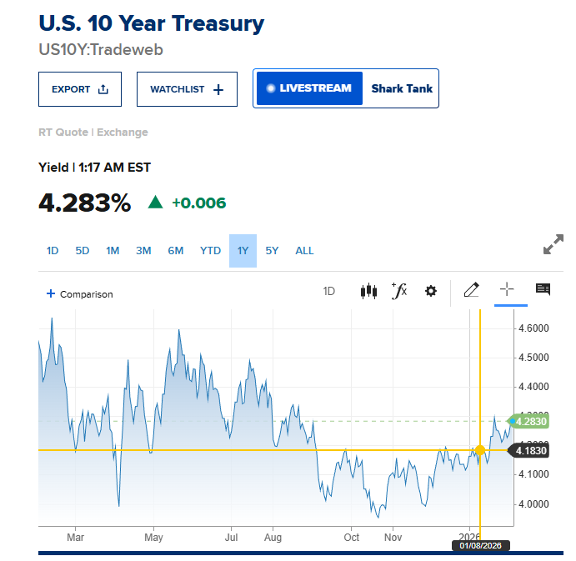
Drivers

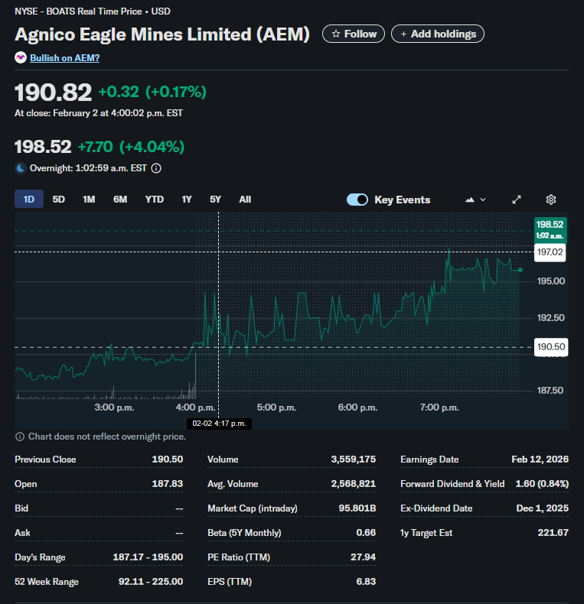
Company | Agnico Eagle Mines
Currency | USD
Domestic country | Canada
10 year treasury yield | 4.28%
Market risk premium USD | 5.28%
Company beta (Feb 2, 2026) | 0.66
Current Share Price | 228.26
Bond yield (Feb 2, 2026) | 5.80%
Corporate tax rate | 26.50%
Expected inflation | 2.40%

