Grafana Dashboard
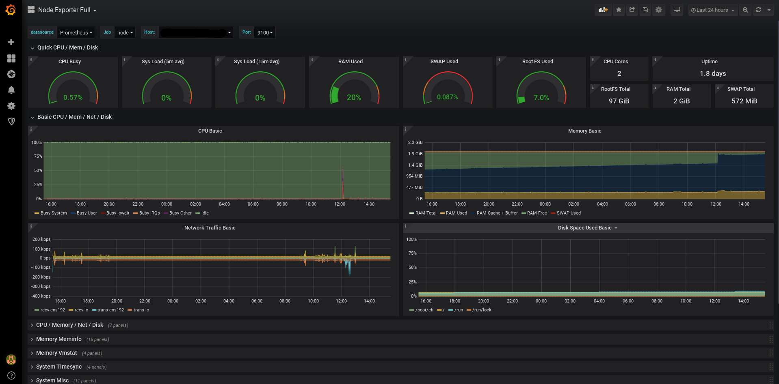

Meta Dynolog
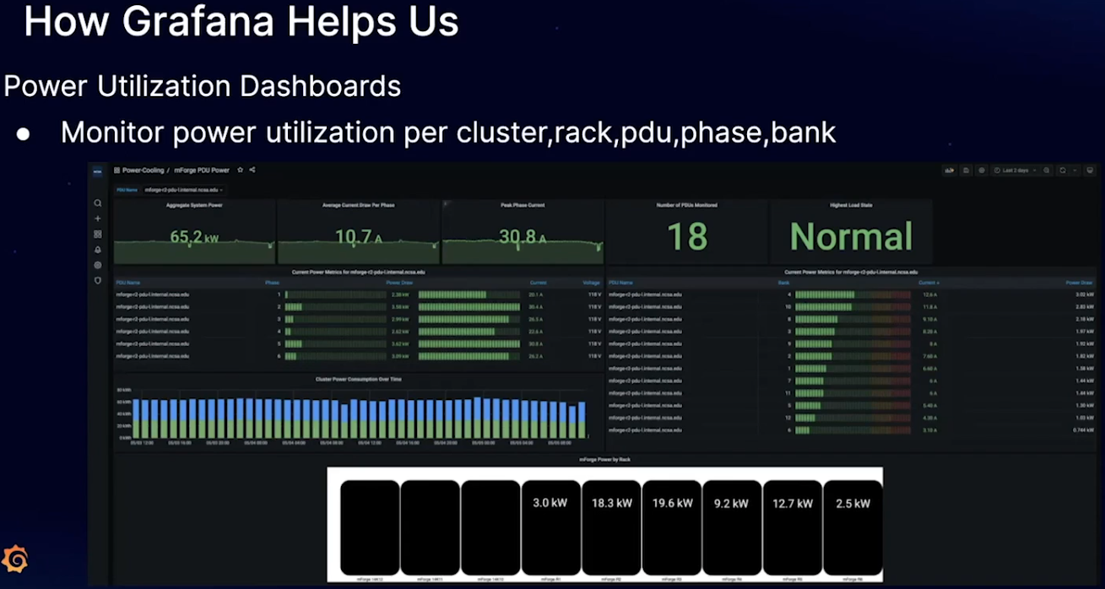
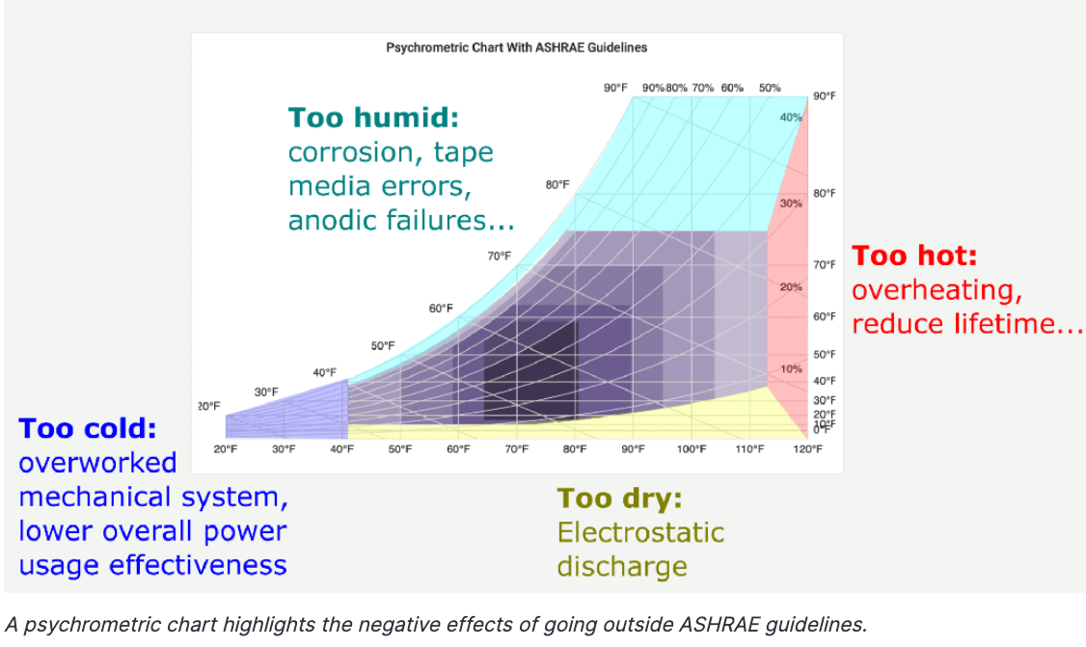
Metrics | Correlation to Model Complexity Growth | Correlation to HW generations | Correlation to efficiency work | Create bad modeling incentives | Collection technical challenge
FLOPs/sec | High | High | High | Yes | Average
Compute Unit Utilization | Medium | Medium | Non-linear | No | Low
Device Power | Medium | Medium | High | No | Low
Device Utilization | Low | Low | Medium | Yes | Low
rDevice hour / Byte | High | Medium | High | No | Average
% of Roofline | Low | Low | High | No | Difficult

