Sheet1
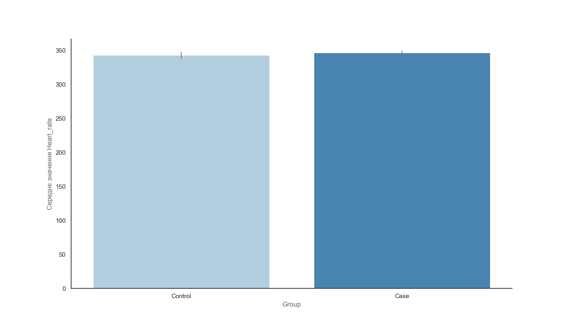
 | Data
0 | 10
1 | 20
2 | 30
3 | 20
4 | 15
5 | 30
6 | 45

