UT Document Proofs
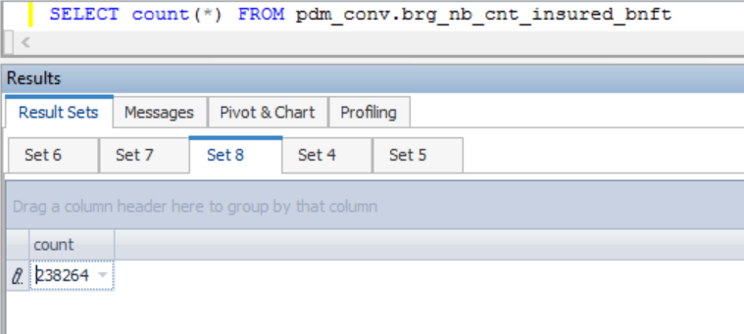
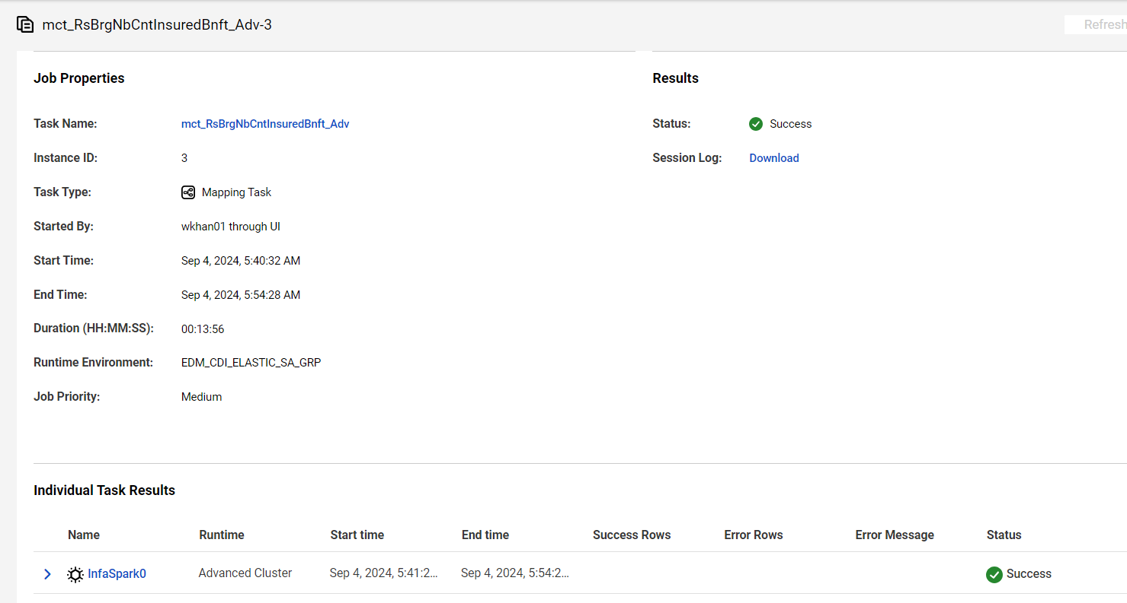
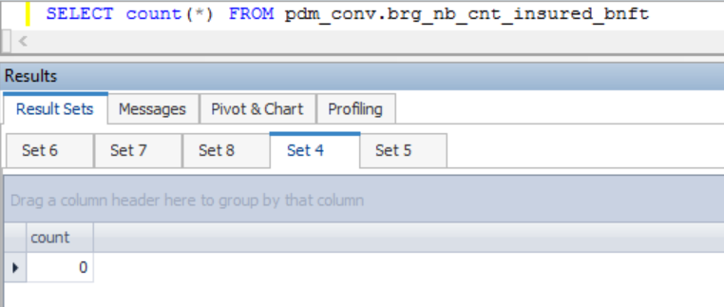

case1 |  | Inserted one record |  |  | src_cnt_bnft_ref_id = ' 18844949'
brg_nb_cnt_insured_bnft_sk | src_sys_nm_nk | fact_nb_contract_part1_sk | src_cnt_bnft_link_ref_id | src_cnt_rel_ref_id | src_cnt_bnft_ref_id | dim_nb_bene_component_sk | bnft_cmpnt_cd_nk | bnft_tp_cd | dim_nb_plan_benefit_sk | plan_bnft_cd_nk | invest_ctgry_cd | bnft_term_yr_num | bnft_exp_age_num | bnft_rel_to_cnt_num | bnft_commission_ind | paymt_freq_cd | main_bnft_ind | max_prem_guarantee_on_rider_ind | rider_ownr_cd | auto_req_bnft_ind | prem_pay_yr_num | src_nlgprdid_ref_id | cov_apply_amt | cov_apply_unit_num | cov_apply_amt_end_dt | cov_initial_appr_amt | cov_initial_appr_unit_num | cov_rcnt_appr_amt | cov_rcnt_appr_unit_num | initial_term_prem_amt | ccr_mth_bnft | conv_extn_bnft_opt_ind | opp_lump_sum_bnft_opt_ind | levdot_bnft_opt_ind | eob_nonfrftr_bnft_ind | return_prem_pct | return_prem_death_bnft_increase_rate | src_rec_sts_cd | edh_record_status_in | edh_created_batch_key | edh_created_ts | edh_created_nm | edh_updated_batch_key | edh_updated_ts | edh_updated_nm
1000008209416 | NB21 | 1000003560324 | 18899188 | 38758050 | 18844949 | -99 | OPP | NF | 1000000009724 | OPP-10 | Fixed |  |  | 2 | N | Single | N | U | Primary Insured | N |  | 4 |  |  | 2016-01-31 |  |  |  |  | 100 |  | N | N | N | N |  |  | Inactive | A | 20200626144056 | 8/16/23 | PzBrgNbCntInsuredBnft |  |  | PzBrgNbCntInsuredBnft

case2 |  | Rerun |  | No change
brg_nb_cnt_insured_bnft_sk | src_sys_nm_nk | fact_nb_contract_part1_sk | src_cnt_bnft_link_ref_id | src_cnt_rel_ref_id | src_cnt_bnft_ref_id | dim_nb_bene_component_sk | bnft_cmpnt_cd_nk | bnft_tp_cd | dim_nb_plan_benefit_sk | plan_bnft_cd_nk | invest_ctgry_cd | bnft_term_yr_num | bnft_exp_age_num | bnft_rel_to_cnt_num | bnft_commission_ind | paymt_freq_cd | main_bnft_ind | max_prem_guarantee_on_rider_ind | rider_ownr_cd | auto_req_bnft_ind | prem_pay_yr_num | src_nlgprdid_ref_id | cov_apply_amt | cov_apply_unit_num | cov_apply_amt_end_dt | cov_initial_appr_amt | cov_initial_appr_unit_num | cov_rcnt_appr_amt | cov_rcnt_appr_unit_num | initial_term_prem_amt | ccr_mth_bnft | conv_extn_bnft_opt_ind | opp_lump_sum_bnft_opt_ind | levdot_bnft_opt_ind | eob_nonfrftr_bnft_ind | return_prem_pct | return_prem_death_bnft_increase_rate | src_rec_sts_cd | edh_record_status_in | edh_created_batch_key | edh_created_ts | edh_created_nm | edh_updated_batch_key | edh_updated_ts | edh_updated_nm
1000008209416 | NB21 | 1000003560324 | 18899188 | 38758050 | 18844949 | -99 | OPP | NF | 1000000009724 | OPP-10 | Fixed |  |  | 2 | N | Single | N | U | Primary Insured | N |  | 4 |  |  | 2016-01-31 |  |  |  |  | 100 |  | N | N | N | N |  |  | Inactive | A | 20200626144056 | 8/16/23 | PzBrgNbCntInsuredBnft |  |  | PzBrgNbCntInsuredBnft

case3 |  | Update |  | UPDATE pdm_conv.brg_nb_cnt_insured_bnft set edh_record_status_in = 'I' where src_cnt_bnft_ref_id = ' 18844949';
brg_nb_cnt_insured_bnft_sk | src_sys_nm_nk | fact_nb_contract_part1_sk | src_cnt_bnft_link_ref_id | src_cnt_rel_ref_id | src_cnt_bnft_ref_id | dim_nb_bene_component_sk | bnft_cmpnt_cd_nk | bnft_tp_cd | dim_nb_plan_benefit_sk | plan_bnft_cd_nk | invest_ctgry_cd | bnft_term_yr_num | bnft_exp_age_num | bnft_rel_to_cnt_num | bnft_commission_ind | paymt_freq_cd | main_bnft_ind | max_prem_guarantee_on_rider_ind | rider_ownr_cd | auto_req_bnft_ind | prem_pay_yr_num | src_nlgprdid_ref_id | cov_apply_amt | cov_apply_unit_num | cov_apply_amt_end_dt | cov_initial_appr_amt | cov_initial_appr_unit_num | cov_rcnt_appr_amt | cov_rcnt_appr_unit_num | initial_term_prem_amt | ccr_mth_bnft | conv_extn_bnft_opt_ind | opp_lump_sum_bnft_opt_ind | levdot_bnft_opt_ind | eob_nonfrftr_bnft_ind | return_prem_pct | return_prem_death_bnft_increase_rate | src_rec_sts_cd | edh_record_status_in | edh_created_batch_key | edh_created_ts | edh_created_nm | edh_updated_batch_key | edh_updated_ts | edh_updated_nm
1000008209416 | NB21 | 1000003560324 | 18899188 | 38758050 | 18844949 | -99 | OPP | NF | 1000000009724 | OPP-10 | Fixed |  |  | 2 | N | Single | N | U | Primary Insured | N |  | 4 |  |  | 2016-01-31 |  |  |  |  | 100 |  | N | N | N | N |  |  | Inactive | I | 20200626144056 | 8/16/23 | PzBrgNbCntInsuredBnft |  |  | PzBrgNbCntInsuredBnft

brg_nb_cnt_insured_bnft_sk | src_sys_nm_nk | fact_nb_contract_part1_sk | src_cnt_bnft_link_ref_id | src_cnt_rel_ref_id | src_cnt_bnft_ref_id | dim_nb_bene_component_sk | bnft_cmpnt_cd_nk | bnft_tp_cd | dim_nb_plan_benefit_sk | plan_bnft_cd_nk | invest_ctgry_cd | bnft_term_yr_num | bnft_exp_age_num | bnft_rel_to_cnt_num | bnft_commission_ind | paymt_freq_cd | main_bnft_ind | max_prem_guarantee_on_rider_ind | rider_ownr_cd | auto_req_bnft_ind | prem_pay_yr_num | src_nlgprdid_ref_id | cov_apply_amt | cov_apply_unit_num | cov_apply_amt_end_dt | cov_initial_appr_amt | cov_initial_appr_unit_num | cov_rcnt_appr_amt | cov_rcnt_appr_unit_num | initial_term_prem_amt | ccr_mth_bnft | conv_extn_bnft_opt_ind | opp_lump_sum_bnft_opt_ind | levdot_bnft_opt_ind | eob_nonfrftr_bnft_ind | return_prem_pct | return_prem_death_bnft_increase_rate | src_rec_sts_cd | edh_record_status_in | edh_created_batch_key | edh_created_ts | edh_created_nm | edh_updated_batch_key | edh_updated_ts | edh_updated_nm
1000008209416 | NB21 | 1000003560324 | 18899188 | 38758050 | 18844949 | -99 | OPP | NF | 1000000009724 | OPP-10 | Fixed |  |  | 2 | N | Single | N | U | Primary Insured | N |  | 4 |  |  | 2016-01-31 |  |  |  |  | 100 |  | N | N | N | N |  |  | Inactive | A | 20200626144056 | 8/16/23 | PzBrgNbCntInsuredBnft |  | 8/16/23 | PzBrgNbCntInsuredBnft

case4 |  | Delete
brg_nb_cnt_insured_bnft_sk | src_sys_nm_nk | fact_nb_contract_part1_sk | src_cnt_bnft_link_ref_id | src_cnt_rel_ref_id | src_cnt_bnft_ref_id | dim_nb_bene_component_sk | bnft_cmpnt_cd_nk | bnft_tp_cd | dim_nb_plan_benefit_sk | plan_bnft_cd_nk | invest_ctgry_cd | bnft_term_yr_num | bnft_exp_age_num | bnft_rel_to_cnt_num | bnft_commission_ind | paymt_freq_cd | main_bnft_ind | max_prem_guarantee_on_rider_ind | rider_ownr_cd | auto_req_bnft_ind | prem_pay_yr_num | src_nlgprdid_ref_id | cov_apply_amt | cov_apply_unit_num | cov_apply_amt_end_dt | cov_initial_appr_amt | cov_initial_appr_unit_num | cov_rcnt_appr_amt | cov_rcnt_appr_unit_num | initial_term_prem_amt | ccr_mth_bnft | conv_extn_bnft_opt_ind | opp_lump_sum_bnft_opt_ind | levdot_bnft_opt_ind | eob_nonfrftr_bnft_ind | return_prem_pct | return_prem_death_bnft_increase_rate | src_rec_sts_cd | edh_record_status_in | edh_created_batch_key | edh_created_ts | edh_created_nm | edh_updated_batch_key | edh_updated_ts | edh_updated_nm
1000008209416 | NB21 | 1000003560324 | 18899188 | 38758050 | 18844949 | -99 | OPP | NF | 1000000009724 | OPP-10 | Fixed |  |  | 2 | N | Single | N | U | Primary Insured | N |  | 4 |  |  | 2016-01-31 |  |  |  |  | 100 |  | N | N | N | N |  |  | Inactive | D | 20200626144056 | 8/16/23 | PzBrgNbCntInsuredBnft | 20230816120020 | 8/16/23 | PzBrgNbCntInsuredBnft

