UT Document Proofs
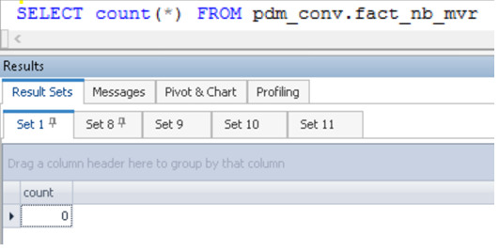

case1 |  | Inserted one record |  |  | reqmntid_ref = ' 50272260'
fact_nb_mvr_sk | src_sys_nm_nk | dim_nb_requirement_sk | case_num | src_reqr_cd_nk | reqr_cd_nk | dim_nb_requirement_ref_sk | reqr_ref_id_nk | dim_contract_sk | cnt_id_nk | cnt_iss_cd_nk | dat_src_cd_nk | dim_nb_contract_sk | dim_nb_product_sk | product_cd | plan_cd | plan_ver_num | appl_tp_cd | dim_party_client_sk | cl_id_nk | src_cl_id | dim_nb_appl_party_role_sk | nb_cnt_party_role_nm | src_cl_role_cd | dim_nb_applicant_sk | src_cnt_rel_ref_id | src_iperson_ref_id | req_dt | req_conf_dt | resp_dt | resp_cd | drive_lic_num | drive_lic_iss_st_cd | drive_lic_iss_st_nm | taxid_tp_cd | dim_govt_id_sk | person_first_nm | person_middle_nm | person_last_nm | person_nm | person_birth_dt | person_height_in_feet | person_height_in_inch | person_weight_in_pound | person_gender_desc | person_addr_ln1 | person_addr_ln2 | highest_pt_num | tot_pt_num | rpt_sts_desc | restrc_always_flg_ind | dat_msmtch_ind | msg_desc_1_txt | msg_desc_2_txt | src_rec_sts_cd | edh_record_status_in | edh_created_batch_key | edh_created_ts | edh_created_nm | edh_updated_batch_key | edh_updated_ts | edh_updated_nm
1000003360710 | NB21 | 1000000002185 | NB21-11820531 | MVR | MVR | 679259761 | 50272260 | -99 |  | UNK | UNK | 10053091080 | 1000000000707 | SUL | SULNPNQ | 111 | New Application | -99 | 6 | 6 | 12349 | First Primary Insured | PI | 1000085939876 | 20275395 | 15831006 |  |  |  | Success | 9810549 | AK | Alaska | 1 | -99 | M6O |  | raIG | 0zBX, 9Mj |  |  |  |  | UNKNOWN | P5kRxqr | P5kRxqr |  |  | No Hit | 0 | 0 | THIS MVR IS THE RESULT OF A NOHIT FROM THE CPS MVR HISTORY DATABASE,,,,,,,,,,,,,,,,,,,,,,,,,,,,,,,,,,,,,,,,,,,,,,,,,,,,,,,,,,,,,,,,,,,,,,,,,,,,,,,,,,,,,,,,,,,,,,,,,,, |  | Active | A | 20240828141632 |  | m_RsFactNbMVR3_Adv

case2 |  | Rerun |  | No change

case3 |  | Update |  | UPDATE ds_staging_conv.fact_nb_uw_contract_intermi where product_cd = 'WLL' and chksum='282132A2438A992B75A87A90F3359B14';

