UT Document Proofs
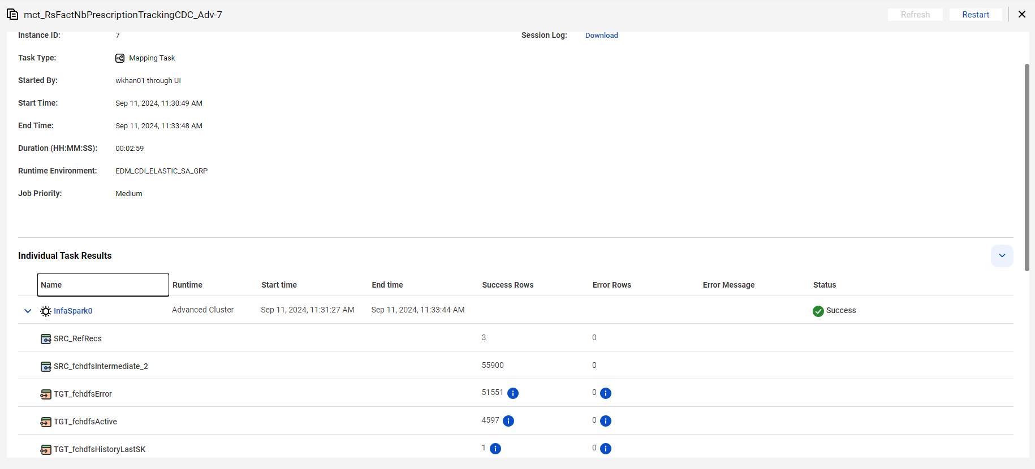
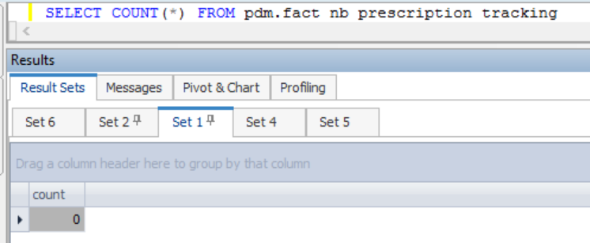

CASE 1 |  | Insert 1 Record | where dim_nb_requirement_ref_sk = '671371376'

fact_nb_prescription_tracking_sk | src_sys_nm_nk | dim_nb_requirement_ref_sk | src_reqr_cd | reqr_cd | reqr_ref_id | reqr_create_dt | dim_nb_contract_sk | dim_contract_sk | cnt_id_nk | cnt_iss_cd_nk | dat_src_cd_nk | cnt_tp_desc | dim_nb_product_sk | product_cd | plan_cd | plan_ver_num | appl_tp_cd | dim_nb_applicant_sk | dim_party_client_sk | cl_id_nk | src_cl_id | prescr_sts_ref_id | prescr_track_id | prescr_ordr_sts_cd | prescr_ordr_sts_desc | prescr_applicant_sts_cd | prescr_applicant_sts_desc | prescr_submit_ordr_req_dt | prescr_submit_ordr_resp_dt | prescr_submit_ordr_result_cd | prescr_submit_ordr_result_txt | prescr_retrv_ordr_req_dt | prescr_retrv_ordr_resp_dt | prescr_retrv_ordr_result_cd | prescr_retrv_ordr_result_txt | ret_num | prescr_resp_url_addr | err_msg_txt | chksum | src_rec_sts_cd | edh_record_status_in | edh_created_batch_key | edh_created_ts | edh_created_nm | edh_updated_batch_key | edh_updated_ts | edh_updated_nm | risk_score | risk_score_cmpnt | crdt_ordr_ind | crdt_hit_ind | medhit_fltr_clm_cnt
1000002712094 | NB21 | 671371376 | NF | NF | 41750099 |  | 31034627 | 31034627 | 39023812 | PNR | CMR | Base Policy |  | WL | WL | 0 | New Application | -99 | -98 | NF | NF | 1 | A25EABD1-8AAA-27F2-E044-0003BAB0D68C | NONE | UNKNOWN | NONE | UNKNOWN |  |  | 1 | time taken: 0.4844277 seconds |  |  |  |  | 0 | NONE |  | 8924fec46b9791a1e6fe24a29312e636 | Active | A | 20240909104138 | 9/11/24 | m_RsFactNbPrescriptionTrackingCDC_Adv |  |  |  |  |  |  |  | 1
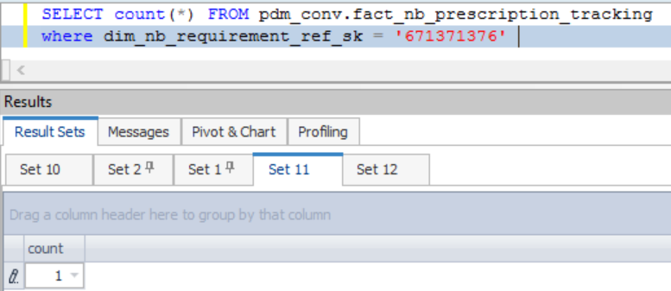

CASE 2 |  | Rerun | No change

fact_nb_prescription_tracking_sk | src_sys_nm_nk | dim_nb_requirement_ref_sk | src_reqr_cd | reqr_cd | reqr_ref_id | reqr_create_dt | dim_nb_contract_sk | dim_contract_sk | cnt_id_nk | cnt_iss_cd_nk | dat_src_cd_nk | cnt_tp_desc | dim_nb_product_sk | product_cd | plan_cd | plan_ver_num | appl_tp_cd | dim_nb_applicant_sk | dim_party_client_sk | cl_id_nk | src_cl_id | prescr_sts_ref_id | prescr_track_id | prescr_ordr_sts_cd | prescr_ordr_sts_desc | prescr_applicant_sts_cd | prescr_applicant_sts_desc | prescr_submit_ordr_req_dt | prescr_submit_ordr_resp_dt | prescr_submit_ordr_result_cd | prescr_submit_ordr_result_txt | prescr_retrv_ordr_req_dt | prescr_retrv_ordr_resp_dt | prescr_retrv_ordr_result_cd | prescr_retrv_ordr_result_txt | ret_num | prescr_resp_url_addr | err_msg_txt | chksum | src_rec_sts_cd | edh_record_status_in | edh_created_batch_key | edh_created_ts | edh_created_nm | edh_updated_batch_key | edh_updated_ts | edh_updated_nm | risk_score | risk_score_cmpnt | crdt_ordr_ind | crdt_hit_ind | medhit_fltr_clm_cnt
1000002712094 | NB21 | 671371376 | NF | NF | 41750099 |  | 31034627 | 31034627 | 39023812 | PNR | CMR | Base Policy |  | WL | WL | 0 | New Application | -99 | -98 | NF | NF | 1 | A25EABD1-8AAA-27F2-E044-0003BAB0D68C | NONE | UNKNOWN | NONE | UNKNOWN |  |  | 1 | time taken: 0.4844277 seconds |  |  |  |  | 0 | NONE |  | 8924fec46b9791a1e6fe24a29312e636 | Active | A | 20240909104138 | 9/11/24 | m_RsFactNbPrescriptionTrackingCDC_Adv |  |  |  |  |  |  |  | 1

TRUE | TRUE | TRUE | TRUE | TRUE | TRUE | TRUE | TRUE | TRUE | TRUE | TRUE | TRUE | TRUE | TRUE | TRUE | TRUE | TRUE | TRUE | TRUE | TRUE | TRUE | TRUE | TRUE | TRUE | TRUE | TRUE | TRUE | TRUE | TRUE | TRUE | TRUE | TRUE | TRUE | TRUE | TRUE | TRUE | TRUE | TRUE | TRUE | TRUE | TRUE | TRUE | TRUE | TRUE | TRUE | TRUE | TRUE | TRUE | TRUE | TRUE | TRUE | TRUE | TRUE

CASE 3 |  | Update | UPDATE pdm_conv.fact_nb_prescription_tracking SET chksum = '8924fec46b9791a1e6fe24a29312e630' , src_rec_sts_cd = 'InActive' where dim_nb_requirement_ref_sk = '671371376'

Before run:-
fact_nb_prescription_tracking_sk | src_sys_nm_nk | dim_nb_requirement_ref_sk | src_reqr_cd | reqr_cd | reqr_ref_id | reqr_create_dt | dim_nb_contract_sk | dim_contract_sk | cnt_id_nk | cnt_iss_cd_nk | dat_src_cd_nk | cnt_tp_desc | dim_nb_product_sk | product_cd | plan_cd | plan_ver_num | appl_tp_cd | dim_nb_applicant_sk | dim_party_client_sk | cl_id_nk | src_cl_id | prescr_sts_ref_id | prescr_track_id | prescr_ordr_sts_cd | prescr_ordr_sts_desc | prescr_applicant_sts_cd | prescr_applicant_sts_desc | prescr_submit_ordr_req_dt | prescr_submit_ordr_resp_dt | prescr_submit_ordr_result_cd | prescr_submit_ordr_result_txt | prescr_retrv_ordr_req_dt | prescr_retrv_ordr_resp_dt | prescr_retrv_ordr_result_cd | prescr_retrv_ordr_result_txt | ret_num | prescr_resp_url_addr | err_msg_txt | chksum | src_rec_sts_cd | edh_record_status_in | edh_created_batch_key | edh_created_ts | edh_created_nm | edh_updated_batch_key | edh_updated_ts | edh_updated_nm | risk_score | risk_score_cmpnt | crdt_ordr_ind | crdt_hit_ind | medhit_fltr_clm_cnt
1000002712094 | NB21 | 671371376 | NF | NF | 41750099 |  | 31034627 | 31034627 | 39023812 | PNR | CMR | Base Policy |  | WL | WL | 0 | New Application | -99 | -98 | NF | NF | 1 | A25EABD1-8AAA-27F2-E044-0003BAB0D68C | NONE | UNKNOWN | NONE | UNKNOWN |  |  | 1 | time taken: 0.4844277 seconds |  |  |  |  | 0 | NONE |  | 8924fec46b9791a1e6fe24a29312e630 | InActive | A | 20240909104138 | 9/11/24 | m_RsFactNbPrescriptionTrackingCDC_Adv |  |  |  |  |  |  |  | 1

After run:-
fact_nb_prescription_tracking_sk | src_sys_nm_nk | dim_nb_requirement_ref_sk | src_reqr_cd | reqr_cd | reqr_ref_id | reqr_create_dt | dim_nb_contract_sk | dim_contract_sk | cnt_id_nk | cnt_iss_cd_nk | dat_src_cd_nk | cnt_tp_desc | dim_nb_product_sk | product_cd | plan_cd | plan_ver_num | appl_tp_cd | dim_nb_applicant_sk | dim_party_client_sk | cl_id_nk | src_cl_id | prescr_sts_ref_id | prescr_track_id | prescr_ordr_sts_cd | prescr_ordr_sts_desc | prescr_applicant_sts_cd | prescr_applicant_sts_desc | prescr_submit_ordr_req_dt | prescr_submit_ordr_resp_dt | prescr_submit_ordr_result_cd | prescr_submit_ordr_result_txt | prescr_retrv_ordr_req_dt | prescr_retrv_ordr_resp_dt | prescr_retrv_ordr_result_cd | prescr_retrv_ordr_result_txt | ret_num | prescr_resp_url_addr | err_msg_txt | chksum | src_rec_sts_cd | edh_record_status_in | edh_created_batch_key | edh_created_ts | edh_created_nm | edh_updated_batch_key | edh_updated_ts | edh_updated_nm | risk_score | risk_score_cmpnt | crdt_ordr_ind | crdt_hit_ind | medhit_fltr_clm_cnt
1000002712094 | NB21 | 671371376 | NF | NF | 41750099 |  | 31034627 | 31034627 | 39023812 | PNR | CMR | Base Policy |  | WL | WL | 0 | New Application | -99 | -98 | NF | NF | 1 | A25EABD1-8AAA-27F2-E044-0003BAB0D68C | NONE | UNKNOWN | NONE | UNKNOWN |  |  | 1 | time taken: 0.4844277 seconds |  |  |  |  | 0 | NONE |  | 8924fec46b9791a1e6fe24a29312e630 | InActive | A | 20240909104138 | 9/11/24 | m_RsFactNbPrescriptionTrackingCDC_Adv |  |  |  |  |  |  |  | 1
1000002714094 | NB21 | 671371376 | NF | NF | 41750099 |  | 31034627 | 31034627 | 39023812 | PNR | CMR | Base Policy |  | WL | WL | 0 | New Application | -99 | -98 | NF | NF | 1 | A25EABD1-8AAA-27F2-E044-0003BAB0D68C | NONE | UNKNOWN | NONE | UNKNOWN |  |  | 1 | time taken: 0.4844277 seconds |  |  |  |  | 0 | NONE |  | 8924fec46b9791a1e6fe24a29312e636 | Active | A | 20240909104138 | 9/11/24 | m_RsFactNbPrescriptionTrackingCDC_Adv |  |  |  |  |  |  |  | 1
1000002712094 | NB21 | 671371376 | NF | NF | 41750099 |  | 31034627 | 31034627 | 39023812 | PNR | CMR | Base Policy |  | WL | WL | 0 | New Application | -99 | -98 | NF | NF | 1 | A25EABD1-8AAA-27F2-E044-0003BAB0D68C | NONE | UNKNOWN | NONE | UNKNOWN |  |  | 1 | time taken: 0.4844277 seconds |  |  |  |  | 0 | NONE |  | 8924fec46b9791a1e6fe24a29312e630 | InActive | D | 20240909104138 | 9/11/24 | m_RsFactNbPrescriptionTrackingCDC_Adv | 20240909104138 | 9/11/24 | m_RsFactNbPrescriptionTrackingCDC_Adv |  |  |  |  | 1

CASE 4 |  | DELETE | where dim_nb_requirement_ref_sk = '671371376'

fact_nb_prescription_tracking_sk | src_sys_nm_nk | dim_nb_requirement_ref_sk | src_reqr_cd | reqr_cd | reqr_ref_id | reqr_create_dt | dim_nb_contract_sk | dim_contract_sk | cnt_id_nk | cnt_iss_cd_nk | dat_src_cd_nk | cnt_tp_desc | dim_nb_product_sk | product_cd | plan_cd | plan_ver_num | appl_tp_cd | dim_nb_applicant_sk | dim_party_client_sk | cl_id_nk | src_cl_id | prescr_sts_ref_id | prescr_track_id | prescr_ordr_sts_cd | prescr_ordr_sts_desc | prescr_applicant_sts_cd | prescr_applicant_sts_desc | prescr_submit_ordr_req_dt | prescr_submit_ordr_resp_dt | prescr_submit_ordr_result_cd | prescr_submit_ordr_result_txt | prescr_retrv_ordr_req_dt | prescr_retrv_ordr_resp_dt | prescr_retrv_ordr_result_cd | prescr_retrv_ordr_result_txt | ret_num | prescr_resp_url_addr | err_msg_txt | chksum | src_rec_sts_cd | edh_record_status_in | edh_created_batch_key | edh_created_ts | edh_created_nm | edh_updated_batch_key | edh_updated_ts | edh_updated_nm | risk_score | risk_score_cmpnt | crdt_ordr_ind | crdt_hit_ind | medhit_fltr_clm_cnt
1000002712094 | NB21 | 671371376 | NF | NF | 41750099 |  | 31034627 | 31034627 | 39023812 | PNR | CMR | Base Policy |  | WL | WL | 0 | New Application | -99 | -98 | NF | NF | 1 | A25EABD1-8AAA-27F2-E044-0003BAB0D68C | NONE | UNKNOWN | NONE | UNKNOWN |  |  | 1 | time taken: 0.4844277 seconds |  |  |  |  | 0 | NONE |  | 8924fec46b9791a1e6fe24a29312e630 | InActive | D | 20240909104138 | 9/11/24 | m_RsFactNbPrescriptionTrackingCDC_Adv | 20240909104138 | 9/11/24 | m_RsFactNbPrescriptionTrackingCDC_Adv |  |  |  |  | 1

CASE 5 |  | Full Load

